GNG2 _multivariate
Reported by Tex Li-Hsing Chi. tex@gate.sinica.edu.tw 2019-08-19

Table 2. The clinicopathological features of HNSCC cohort and GNG2 expression. (Chi square test)
Cutoff at -0.276 (50.0%)
 |  | GNG2 expression |  | GNG2 expression |  | (Optimised)
 | Features | Low | (%) | High | (%) | Case no | P-value | Remark | Matthews
Gender | Female | 163 | 39.3 | 143 | 34.5 | 415 | 0.0277 | 1 | 0
2 | Male | 44 | 10.6 | 65 | 15.7
Age at diagnosis | <=65y | 144 | 34.7 | 130 | 31.3 | 415 | 0.1568 | 0 | 0
4 | >65y | 63 | 15.2 | 78 | 18.8
Clinical T Status | T1+T2 | 58 | 14 | 91 | 21.9 | 415 | 0.0012 | 1 | 0
6 | T3+T4 | 149 | 35.9 | 117 | 28.2
Clinical N Status | N0 | 113 | 27.2 | 103 | 24.8 | 415 | 0.3495 | 1 | 0
8 | N1-3 | 94 | 22.7 | 105 | 25.3
Clinical M Status | M0 | 205 | 49.4 | 207 | 49.9 | 415 | 0.6232 | 0 | 0
10 | M1 | 2 | 0.5 | 1 | 0.2
Clinical Stage | Stage I+II | 39 | 9.4 | 63 | 15.2 | 415 | 0.0095 | 1 | 0
12 | Stage III+IV | 168 | 40.5 | 145 | 34.9
Surgical Margin status | Negative | 157 | 37.8 | 161 | 38.8 | 415 | 0.729 | 0 | 0
14 | Positive | 50 | 12 | 47 | 11.3
Tobacco Exposure | Low | 63 | 15.2 | 98 | 23.6 | 415 | 6e-04 | 1 | 0
16 | High | 144 | 34.7 | 110 | 26.5

Table 3. Univariate/Multivariate Cox's proportional hazards regression analyses on OS time of GNG2 gene expression in HNSCC

 |  | Univariate |  |  |  | Multivariate
 | Features | HR | CI95%(L) | CI95%(H) | P-value | HR | CI95%(L) | CI95%(H) | P-value
1 | Female | 1 |  |  |  | 1
Gender | Male | 1.157 | 0.843 | 1.587 | 0.367 | 1.206 | 0.863 | 1.686 | 0.273
11 | <=65y | 1 |  |  |  | 1
Age at diagnosis | >65y | 1.329 | 0.99 | 1.784 | 0.058 | 1.391 | 1.023 | 1.89 | 0.035
12 | T1+T2 | 1 |  |  |  | 1
Clinical T Status | T3+T4 | 1.409 | 1.028 | 1.931 | 0.033 | 2.188 | 1.156 | 4.141 | 0.016
13 | N0 | 1 |  |  |  | 1
Clinical N Status | N1-3 | 1.185 | 0.89 | 1.577 | 0.246 | 1.25 | 0.874 | 1.789 | 0.222
14 | M0 | 1 |  |  |  | 1
Clinical M Status | M1 | 4.097 | 1.009 | 16.644 | 0.049 | 9.319 | 2.031 | 42.758 | 0.004
15 | Stage I+II | 1 |  |  |  | 1
Clinical Stage | Stage III+IV | 1.245 | 0.882 | 1.759 | 0.213 | 0.501 | 0.233 | 1.076 | 0.076
16 | Negative | 1 |  |  |  | 1
Surgical Margin status | Positive | 1.591 | 1.155 | 2.191 | 0.004 | 1.674 | 1.211 | 2.313 | 0.002
17 | Low | 1 |  |  |  | 1
Tobacco Exposure | High | 1.364 | 1.008 | 1.844 | 0.044 | 1.445 | 1.047 | 1.995 | 0.025
18 | Low | 1 |  |  |  | 1
RNAseq(z-score) | High | 0.903 | 0.677 | 1.204 | 0.486 | 0.951 | 0.706 | 1.281 | 0.74

Table 4. Univariate/Multivariate Cox's proportional hazards regression analyses on RFS time of GNG2 gene expression in HNSCC

 |  | Univariate |  |  |  | Multivariate
 | Features | HR | CI95%(L) | CI95%(H) | P-value | HR | CI95%(L) | CI95%(H) | P-value
1 | Female | 1 |  |  |  | 1
Gender | Male | 1.157 | 0.843 | 1.587 | 0.367 | 1.206 | 0.863 | 1.686 | 0.273
11 | <=65y | 1 |  |  |  | 1
Age at diagnosis | >65y | 1.329 | 0.99 | 1.784 | 0.058 | 1.391 | 1.023 | 1.89 | 0.035
12 | T1+T2 | 1 |  |  |  | 1
Clinical T Status | T3+T4 | 1.409 | 1.028 | 1.931 | 0.033 | 2.188 | 1.156 | 4.141 | 0.016
13 | N0 | 1 |  |  |  | 1
Clinical N Status | N1-3 | 1.185 | 0.89 | 1.577 | 0.246 | 1.25 | 0.874 | 1.789 | 0.222
14 | M0 | 1 |  |  |  | 1
Clinical M Status | M1 | 4.097 | 1.009 | 16.644 | 0.049 | 9.319 | 2.031 | 42.758 | 0.004
15 | Stage I+II | 1 |  |  |  | 1
Clinical Stage | Stage III+IV | 1.245 | 0.882 | 1.759 | 0.213 | 0.501 | 0.233 | 1.076 | 0.076
16 | Negative | 1 |  |  |  | 1
Surgical Margin status | Positive | 1.591 | 1.155 | 2.191 | 0.004 | 1.674 | 1.211 | 2.313 | 0.002
17 | Low | 1 |  |  |  | 1
Tobacco Exposure | High | 1.364 | 1.008 | 1.844 | 0.044 | 1.445 | 1.047 | 1.995 | 0.025
18 | Low | 1 |  |  |  | 1
RNAseq(z-score) | High | 0.903 | 0.677 | 1.204 | 0.486 | 0.951 | 0.706 | 1.281 | 0.74

Kaplan-Meier survival estimate: Cutoff at -0.276 (50.0%)



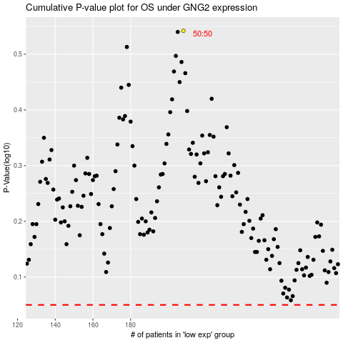

 |  |  |  |  |  | cases_OS | p_OS | rank | exp
 |  |  |  |  |  |  | cases_RFS | p_RFS | rank | exp

