GNG5 _multivariate
Reported by Tex Li-Hsing Chi. tex@gate.sinica.edu.tw 2019-08-19

Table 2. The clinicopathological features of HNSCC cohort and GNG5 expression. (Chi square test)
Cutoff at -0.149 (50.0%)
 |  | GNG5 expression |  | GNG5 expression |  | (Optimised)
 | Features | Low | (%) | High | (%) | Case no | P-value | Remark | Matthews
Gender | Female | 168 | 40.5 | 138 | 33.3 | 415 | 9e-04 | 1 | 0
2 | Male | 39 | 9.4 | 70 | 16.9
Age at diagnosis | <=65y | 140 | 33.7 | 134 | 32.3 | 415 | 0.5574 | 0 | 0
4 | >65y | 67 | 16.1 | 74 | 17.8
Clinical T Status | T1+T2 | 65 | 15.7 | 84 | 20.2 | 415 | 0.0711 | 0 | 0
6 | T3+T4 | 142 | 34.2 | 124 | 29.9
Clinical N Status | N0 | 116 | 28 | 100 | 24.1 | 415 | 0.1273 | 1 | 0
8 | N1-3 | 91 | 21.9 | 108 | 26
Clinical M Status | M0 | 207 | 49.9 | 205 | 49.4 | 415 | 0.2482 | 0 | 0
10 | M1 | 0 | 0 | 3 | 0.7
Clinical Stage | Stage I+II | 47 | 11.3 | 55 | 13.3 | 415 | 0.4413 | 0 | 0
12 | Stage III+IV | 160 | 38.6 | 153 | 36.9
Surgical Margin status | Negative | 160 | 38.6 | 158 | 38.1 | 415 | 0.8167 | 0 | 0
14 | Positive | 47 | 11.3 | 50 | 12
Tobacco Exposure | Low | 63 | 15.2 | 98 | 23.6 | 415 | 6e-04 | 1 | 0
16 | High | 144 | 34.7 | 110 | 26.5

Table 3. Univariate/Multivariate Cox's proportional hazards regression analyses on OS time of GNG5 gene expression in HNSCC

 |  | Univariate |  |  |  | Multivariate
 | Features | HR | CI95%(L) | CI95%(H) | P-value | HR | CI95%(L) | CI95%(H) | P-value
1 | Female | 1 |  |  |  | 1
Gender | Male | 1.157 | 0.843 | 1.587 | 0.367 | 1.223 | 0.871 | 1.717 | 0.246
11 | <=65y | 1 |  |  |  | 1
Age at diagnosis | >65y | 1.329 | 0.99 | 1.784 | 0.058 | 1.397 | 1.027 | 1.899 | 0.033
12 | T1+T2 | 1 |  |  |  | 1
Clinical T Status | T3+T4 | 1.409 | 1.028 | 1.931 | 0.033 | 2.189 | 1.157 | 4.14 | 0.016
13 | N0 | 1 |  |  |  | 1
Clinical N Status | N1-3 | 1.185 | 0.89 | 1.577 | 0.246 | 1.253 | 0.877 | 1.791 | 0.216
14 | M0 | 1 |  |  |  | 1
Clinical M Status | M1 | 4.097 | 1.009 | 16.644 | 0.049 | 9.794 | 2.122 | 45.213 | 0.003
15 | Stage I+II | 1 |  |  |  | 1
Clinical Stage | Stage III+IV | 1.245 | 0.882 | 1.759 | 0.213 | 0.503 | 0.235 | 1.081 | 0.078
16 | Negative | 1 |  |  |  | 1
Surgical Margin status | Positive | 1.591 | 1.155 | 2.191 | 0.004 | 1.676 | 1.212 | 2.316 | 0.002
17 | Low | 1 |  |  |  | 1
Tobacco Exposure | High | 1.364 | 1.008 | 1.844 | 0.044 | 1.442 | 1.046 | 1.988 | 0.026
18 | Low | 1 |  |  |  | 1
RNAseq(z-score) | High | 0.952 | 0.714 | 1.269 | 0.738 | 0.918 | 0.679 | 1.242 | 0.581

Table 4. Univariate/Multivariate Cox's proportional hazards regression analyses on RFS time of GNG5 gene expression in HNSCC

 |  | Univariate |  |  |  | Multivariate
 | Features | HR | CI95%(L) | CI95%(H) | P-value | HR | CI95%(L) | CI95%(H) | P-value
1 | Female | 1 |  |  |  | 1
Gender | Male | 1.157 | 0.843 | 1.587 | 0.367 | 1.223 | 0.871 | 1.717 | 0.246
11 | <=65y | 1 |  |  |  | 1
Age at diagnosis | >65y | 1.329 | 0.99 | 1.784 | 0.058 | 1.397 | 1.027 | 1.899 | 0.033
12 | T1+T2 | 1 |  |  |  | 1
Clinical T Status | T3+T4 | 1.409 | 1.028 | 1.931 | 0.033 | 2.189 | 1.157 | 4.14 | 0.016
13 | N0 | 1 |  |  |  | 1
Clinical N Status | N1-3 | 1.185 | 0.89 | 1.577 | 0.246 | 1.253 | 0.877 | 1.791 | 0.216
14 | M0 | 1 |  |  |  | 1
Clinical M Status | M1 | 4.097 | 1.009 | 16.644 | 0.049 | 9.794 | 2.122 | 45.213 | 0.003
15 | Stage I+II | 1 |  |  |  | 1
Clinical Stage | Stage III+IV | 1.245 | 0.882 | 1.759 | 0.213 | 0.503 | 0.235 | 1.081 | 0.078
16 | Negative | 1 |  |  |  | 1
Surgical Margin status | Positive | 1.591 | 1.155 | 2.191 | 0.004 | 1.676 | 1.212 | 2.316 | 0.002
17 | Low | 1 |  |  |  | 1
Tobacco Exposure | High | 1.364 | 1.008 | 1.844 | 0.044 | 1.442 | 1.046 | 1.988 | 0.026
18 | Low | 1 |  |  |  | 1
RNAseq(z-score) | High | 0.952 | 0.714 | 1.269 | 0.738 | 0.918 | 0.679 | 1.242 | 0.581

Kaplan-Meier survival estimate: Cutoff at -0.149 (50.0%)



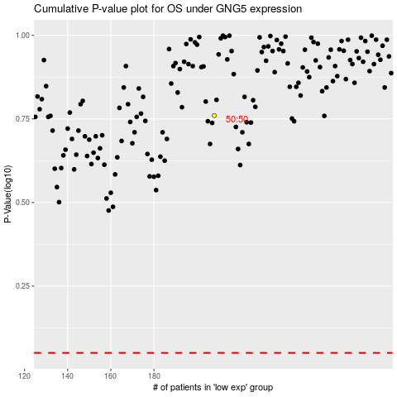

 |  |  |  |  |  | cases_OS | p_OS | rank | exp
 |  |  |  |  |  |  | cases_RFS | p_RFS | rank | exp

