GNGT2 _multivariate
Reported by Tex Li-Hsing Chi. tex@gate.sinica.edu.tw 2019-08-19

Table 2. The clinicopathological features of HNSCC cohort and GNGT2 expression. (Chi square test)
Cutoff at -0.32 (50.0%)
 |  | GNGT2 expression |  | GNGT2 expression |  | (Optimised)
 | Features | Low | (%) | High | (%) | Case no | P-value | Remark | Matthews
Gender | Female | 163 | 39.3 | 143 | 34.5 | 415 | 0.0277 | 1 | 0
2 | Male | 44 | 10.6 | 65 | 15.7
Age at diagnosis | <=65y | 141 | 34 | 133 | 32 | 415 | 0.4272 | 0 | 0
4 | >65y | 66 | 15.9 | 75 | 18.1
Clinical T Status | T1+T2 | 69 | 16.6 | 80 | 19.3 | 415 | 0.3239 | 0 | 0
6 | T3+T4 | 138 | 33.3 | 128 | 30.8
Clinical N Status | N0 | 118 | 28.4 | 98 | 23.6 | 415 | 0.0551 | 1 | 0
8 | N1-3 | 89 | 21.4 | 110 | 26.5
Clinical M Status | M0 | 206 | 49.6 | 206 | 49.6 | 415 | 1 | 0 | 0
10 | M1 | 1 | 0.2 | 2 | 0.5
Clinical Stage | Stage I+II | 50 | 12 | 52 | 12.5 | 415 | 0.9315 | 0 | 0
12 | Stage III+IV | 157 | 37.8 | 156 | 37.6
Surgical Margin status | Negative | 158 | 38.1 | 160 | 38.6 | 415 | 0.9081 | 0 | 0
14 | Positive | 49 | 11.8 | 48 | 11.6
Tobacco Exposure | Low | 70 | 16.9 | 91 | 21.9 | 415 | 0.0439 | 1 | 0
16 | High | 137 | 33 | 117 | 28.2

Table 3. Univariate/Multivariate Cox's proportional hazards regression analyses on OS time of GNGT2 gene expression in HNSCC

 |  | Univariate |  |  |  | Multivariate
 | Features | HR | CI95%(L) | CI95%(H) | P-value | HR | CI95%(L) | CI95%(H) | P-value
1 | Female | 1 |  |  |  | 1
Gender | Male | 1.157 | 0.843 | 1.587 | 0.367 | 1.228 | 0.878 | 1.719 | 0.23
11 | <=65y | 1 |  |  |  | 1
Age at diagnosis | >65y | 1.329 | 0.99 | 1.784 | 0.058 | 1.412 | 1.038 | 1.92 | 0.028
12 | T1+T2 | 1 |  |  |  | 1
Clinical T Status | T3+T4 | 1.409 | 1.028 | 1.931 | 0.033 | 2.201 | 1.165 | 4.16 | 0.015
13 | N0 | 1 |  |  |  | 1
Clinical N Status | N1-3 | 1.185 | 0.89 | 1.577 | 0.246 | 1.283 | 0.896 | 1.84 | 0.174
14 | M0 | 1 |  |  |  | 1
Clinical M Status | M1 | 4.097 | 1.009 | 16.644 | 0.049 | 9.866 | 2.148 | 45.319 | 0.003
15 | Stage I+II | 1 |  |  |  | 1
Clinical Stage | Stage III+IV | 1.245 | 0.882 | 1.759 | 0.213 | 0.499 | 0.232 | 1.07 | 0.074
16 | Negative | 1 |  |  |  | 1
Surgical Margin status | Positive | 1.591 | 1.155 | 2.191 | 0.004 | 1.692 | 1.224 | 2.34 | 0.001
17 | Low | 1 |  |  |  | 1
Tobacco Exposure | High | 1.364 | 1.008 | 1.844 | 0.044 | 1.413 | 1.022 | 1.953 | 0.036
18 | Low | 1 |  |  |  | 1
RNAseq(z-score) | High | 0.883 | 0.663 | 1.177 | 0.396 | 0.833 | 0.617 | 1.125 | 0.233

Table 4. Univariate/Multivariate Cox's proportional hazards regression analyses on RFS time of GNGT2 gene expression in HNSCC

 |  | Univariate |  |  |  | Multivariate
 | Features | HR | CI95%(L) | CI95%(H) | P-value | HR | CI95%(L) | CI95%(H) | P-value
1 | Female | 1 |  |  |  | 1
Gender | Male | 1.157 | 0.843 | 1.587 | 0.367 | 1.228 | 0.878 | 1.719 | 0.23
11 | <=65y | 1 |  |  |  | 1
Age at diagnosis | >65y | 1.329 | 0.99 | 1.784 | 0.058 | 1.412 | 1.038 | 1.92 | 0.028
12 | T1+T2 | 1 |  |  |  | 1
Clinical T Status | T3+T4 | 1.409 | 1.028 | 1.931 | 0.033 | 2.201 | 1.165 | 4.16 | 0.015
13 | N0 | 1 |  |  |  | 1
Clinical N Status | N1-3 | 1.185 | 0.89 | 1.577 | 0.246 | 1.283 | 0.896 | 1.84 | 0.174
14 | M0 | 1 |  |  |  | 1
Clinical M Status | M1 | 4.097 | 1.009 | 16.644 | 0.049 | 9.866 | 2.148 | 45.319 | 0.003
15 | Stage I+II | 1 |  |  |  | 1
Clinical Stage | Stage III+IV | 1.245 | 0.882 | 1.759 | 0.213 | 0.499 | 0.232 | 1.07 | 0.074
16 | Negative | 1 |  |  |  | 1
Surgical Margin status | Positive | 1.591 | 1.155 | 2.191 | 0.004 | 1.692 | 1.224 | 2.34 | 0.001
17 | Low | 1 |  |  |  | 1
Tobacco Exposure | High | 1.364 | 1.008 | 1.844 | 0.044 | 1.413 | 1.022 | 1.953 | 0.036
18 | Low | 1 |  |  |  | 1
RNAseq(z-score) | High | 0.883 | 0.663 | 1.177 | 0.396 | 0.833 | 0.617 | 1.125 | 0.233

Kaplan-Meier survival estimate: Cutoff at -0.32 (50.0%)



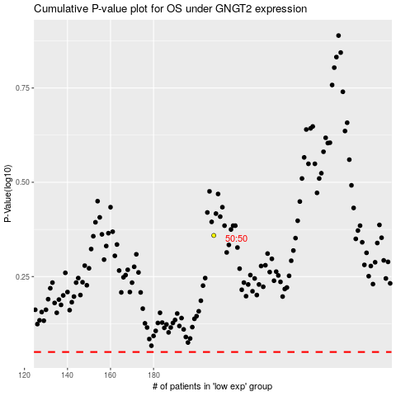

 |  |  |  |  |  | cases_OS | p_OS | rank | exp
 |  |  |  |  |  |  | cases_RFS | p_RFS | rank | exp

