GNL1 _multivariate
Reported by Tex Li-Hsing Chi. tex@gate.sinica.edu.tw 2019-08-19

Table 2. The clinicopathological features of HNSCC cohort and GNL1 expression. (Chi square test)
Cutoff at -0.222 (49.8%)
 |  | GNL1 expression |  | GNL1 expression |  | (Optimised)
 | Features | Low | (%) | High | (%) | Case no | P-value | Remark | Matthews
Gender | Female | 146 | 35.2 | 160 | 38.6 | 415 | 0.1714 | 0 | 0
2 | Male | 61 | 14.7 | 48 | 11.6
Age at diagnosis | <=65y | 132 | 31.8 | 142 | 34.2 | 415 | 0.3874 | 0 | 0
4 | >65y | 75 | 18.1 | 66 | 15.9
Clinical T Status | T1+T2 | 85 | 20.5 | 64 | 15.4 | 415 | 0.0372 | 1 | 0
6 | T3+T4 | 122 | 29.4 | 144 | 34.7
Clinical N Status | N0 | 114 | 27.5 | 102 | 24.6 | 415 | 0.2576 | 1 | 0
8 | N1-3 | 93 | 22.4 | 106 | 25.5
Clinical M Status | M0 | 206 | 49.6 | 206 | 49.6 | 415 | 1 | 0 | 0
10 | M1 | 1 | 0.2 | 2 | 0.5
Clinical Stage | Stage I+II | 62 | 14.9 | 40 | 9.6 | 415 | 0.0154 | 1 | 0
12 | Stage III+IV | 145 | 34.9 | 168 | 40.5
Surgical Margin status | Negative | 156 | 37.6 | 162 | 39 | 415 | 0.5636 | 0 | 0
14 | Positive | 51 | 12.3 | 46 | 11.1
Tobacco Exposure | Low | 91 | 21.9 | 70 | 16.9 | 415 | 0.0346 | 1 | 0
16 | High | 116 | 28 | 138 | 33.3

Table 3. Univariate/Multivariate Cox's proportional hazards regression analyses on OS time of GNL1 gene expression in HNSCC

 |  | Univariate |  |  |  | Multivariate
 | Features | HR | CI95%(L) | CI95%(H) | P-value | HR | CI95%(L) | CI95%(H) | P-value
1 | Female | 1 |  |  |  | 1
Gender | Male | 1.157 | 0.843 | 1.587 | 0.367 | 1.198 | 0.856 | 1.676 | 0.292
11 | <=65y | 1 |  |  |  | 1
Age at diagnosis | >65y | 1.329 | 0.99 | 1.784 | 0.058 | 1.393 | 1.024 | 1.893 | 0.035
12 | T1+T2 | 1 |  |  |  | 1
Clinical T Status | T3+T4 | 1.409 | 1.028 | 1.931 | 0.033 | 2.205 | 1.166 | 4.171 | 0.015
13 | N0 | 1 |  |  |  | 1
Clinical N Status | N1-3 | 1.185 | 0.89 | 1.577 | 0.246 | 1.242 | 0.871 | 1.773 | 0.232
14 | M0 | 1 |  |  |  | 1
Clinical M Status | M1 | 4.097 | 1.009 | 16.644 | 0.049 | 9.335 | 2.033 | 42.874 | 0.004
15 | Stage I+II | 1 |  |  |  | 1
Clinical Stage | Stage III+IV | 1.245 | 0.882 | 1.759 | 0.213 | 0.501 | 0.232 | 1.079 | 0.077
16 | Negative | 1 |  |  |  | 1
Surgical Margin status | Positive | 1.591 | 1.155 | 2.191 | 0.004 | 1.676 | 1.212 | 2.318 | 0.002
17 | Low | 1 |  |  |  | 1
Tobacco Exposure | High | 1.364 | 1.008 | 1.844 | 0.044 | 1.447 | 1.048 | 1.999 | 0.025
18 | Low | 1 |  |  |  | 1
RNAseq(z-score) | High | 1.094 | 0.821 | 1.457 | 0.54 | 1.03 | 0.766 | 1.385 | 0.845

Table 4. Univariate/Multivariate Cox's proportional hazards regression analyses on RFS time of GNL1 gene expression in HNSCC

 |  | Univariate |  |  |  | Multivariate
 | Features | HR | CI95%(L) | CI95%(H) | P-value | HR | CI95%(L) | CI95%(H) | P-value
1 | Female | 1 |  |  |  | 1
Gender | Male | 1.157 | 0.843 | 1.587 | 0.367 | 1.198 | 0.856 | 1.676 | 0.292
11 | <=65y | 1 |  |  |  | 1
Age at diagnosis | >65y | 1.329 | 0.99 | 1.784 | 0.058 | 1.393 | 1.024 | 1.893 | 0.035
12 | T1+T2 | 1 |  |  |  | 1
Clinical T Status | T3+T4 | 1.409 | 1.028 | 1.931 | 0.033 | 2.205 | 1.166 | 4.171 | 0.015
13 | N0 | 1 |  |  |  | 1
Clinical N Status | N1-3 | 1.185 | 0.89 | 1.577 | 0.246 | 1.242 | 0.871 | 1.773 | 0.232
14 | M0 | 1 |  |  |  | 1
Clinical M Status | M1 | 4.097 | 1.009 | 16.644 | 0.049 | 9.335 | 2.033 | 42.874 | 0.004
15 | Stage I+II | 1 |  |  |  | 1
Clinical Stage | Stage III+IV | 1.245 | 0.882 | 1.759 | 0.213 | 0.501 | 0.232 | 1.079 | 0.077
16 | Negative | 1 |  |  |  | 1
Surgical Margin status | Positive | 1.591 | 1.155 | 2.191 | 0.004 | 1.676 | 1.212 | 2.318 | 0.002
17 | Low | 1 |  |  |  | 1
Tobacco Exposure | High | 1.364 | 1.008 | 1.844 | 0.044 | 1.447 | 1.048 | 1.999 | 0.025
18 | Low | 1 |  |  |  | 1
RNAseq(z-score) | High | 1.094 | 0.821 | 1.457 | 0.54 | 1.03 | 0.766 | 1.385 | 0.845

Kaplan-Meier survival estimate: Cutoff at -0.222 (49.8%)



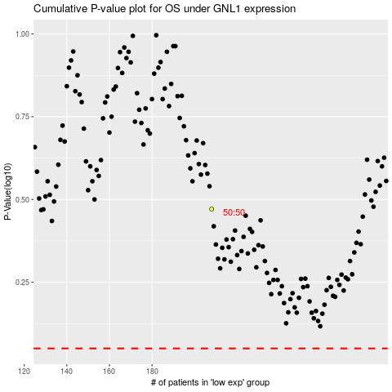

 |  |  |  |  |  | cases_OS | p_OS | rank | exp
 |  |  |  |  |  |  | cases_RFS | p_RFS | rank | exp

