GNL2 _multivariate
Reported by Tex Li-Hsing Chi. tex@gate.sinica.edu.tw 2019-08-19

Table 2. The clinicopathological features of HNSCC cohort and GNL2 expression. (Chi square test)
Cutoff at -0.171 (50.0%)
 |  | GNL2 expression |  | GNL2 expression |  | (Optimised)
 | Features | Low | (%) | High | (%) | Case no | P-value | Remark | Matthews
Gender | Female | 152 | 36.6 | 154 | 37.1 | 415 | 0.9766 | 0 | 0
2 | Male | 55 | 13.3 | 54 | 13
Age at diagnosis | <=65y | 134 | 32.3 | 140 | 33.7 | 415 | 0.6529 | 0 | 0
4 | >65y | 73 | 17.6 | 68 | 16.4
Clinical T Status | T1+T2 | 80 | 19.3 | 69 | 16.6 | 415 | 0.2891 | 0 | 0
6 | T3+T4 | 127 | 30.6 | 139 | 33.5
Clinical N Status | N0 | 107 | 25.8 | 109 | 26.3 | 415 | 0.9624 | 0 | 0
8 | N1-3 | 100 | 24.1 | 99 | 23.9
Clinical M Status | M0 | 207 | 49.9 | 205 | 49.4 | 415 | 0.2482 | 0 | 0
10 | M1 | 0 | 0 | 3 | 0.7
Clinical Stage | Stage I+II | 57 | 13.7 | 45 | 10.8 | 415 | 0.1998 | 0 | 0
12 | Stage III+IV | 150 | 36.1 | 163 | 39.3
Surgical Margin status | Negative | 155 | 37.3 | 163 | 39.3 | 415 | 0.4187 | 0 | 0
14 | Positive | 52 | 12.5 | 45 | 10.8
Tobacco Exposure | Low | 91 | 21.9 | 70 | 16.9 | 415 | 0.0346 | 1 | 0
16 | High | 116 | 28 | 138 | 33.3

Table 3. Univariate/Multivariate Cox's proportional hazards regression analyses on OS time of GNL2 gene expression in HNSCC

 |  | Univariate |  |  |  | Multivariate
 | Features | HR | CI95%(L) | CI95%(H) | P-value | HR | CI95%(L) | CI95%(H) | P-value
1 | Female | 1 |  |  |  | 1
Gender | Male | 1.157 | 0.843 | 1.587 | 0.367 | 1.209 | 0.864 | 1.69 | 0.268
11 | <=65y | 1 |  |  |  | 1
Age at diagnosis | >65y | 1.329 | 0.99 | 1.784 | 0.058 | 1.393 | 1.025 | 1.894 | 0.034
12 | T1+T2 | 1 |  |  |  | 1
Clinical T Status | T3+T4 | 1.409 | 1.028 | 1.931 | 0.033 | 2.197 | 1.162 | 4.155 | 0.015
13 | N0 | 1 |  |  |  | 1
Clinical N Status | N1-3 | 1.185 | 0.89 | 1.577 | 0.246 | 1.238 | 0.868 | 1.766 | 0.24
14 | M0 | 1 |  |  |  | 1
Clinical M Status | M1 | 4.097 | 1.009 | 16.644 | 0.049 | 9.725 | 2.106 | 44.901 | 0.004
15 | Stage I+II | 1 |  |  |  | 1
Clinical Stage | Stage III+IV | 1.245 | 0.882 | 1.759 | 0.213 | 0.508 | 0.236 | 1.09 | 0.082
16 | Negative | 1 |  |  |  | 1
Surgical Margin status | Positive | 1.591 | 1.155 | 2.191 | 0.004 | 1.663 | 1.202 | 2.3 | 0.002
17 | Low | 1 |  |  |  | 1
Tobacco Exposure | High | 1.364 | 1.008 | 1.844 | 0.044 | 1.458 | 1.058 | 2.01 | 0.021
18 | Low | 1 |  |  |  | 1
RNAseq(z-score) | High | 0.965 | 0.722 | 1.288 | 0.807 | 0.936 | 0.698 | 1.255 | 0.658

Table 4. Univariate/Multivariate Cox's proportional hazards regression analyses on RFS time of GNL2 gene expression in HNSCC

 |  | Univariate |  |  |  | Multivariate
 | Features | HR | CI95%(L) | CI95%(H) | P-value | HR | CI95%(L) | CI95%(H) | P-value
1 | Female | 1 |  |  |  | 1
Gender | Male | 1.157 | 0.843 | 1.587 | 0.367 | 1.209 | 0.864 | 1.69 | 0.268
11 | <=65y | 1 |  |  |  | 1
Age at diagnosis | >65y | 1.329 | 0.99 | 1.784 | 0.058 | 1.393 | 1.025 | 1.894 | 0.034
12 | T1+T2 | 1 |  |  |  | 1
Clinical T Status | T3+T4 | 1.409 | 1.028 | 1.931 | 0.033 | 2.197 | 1.162 | 4.155 | 0.015
13 | N0 | 1 |  |  |  | 1
Clinical N Status | N1-3 | 1.185 | 0.89 | 1.577 | 0.246 | 1.238 | 0.868 | 1.766 | 0.24
14 | M0 | 1 |  |  |  | 1
Clinical M Status | M1 | 4.097 | 1.009 | 16.644 | 0.049 | 9.725 | 2.106 | 44.901 | 0.004
15 | Stage I+II | 1 |  |  |  | 1
Clinical Stage | Stage III+IV | 1.245 | 0.882 | 1.759 | 0.213 | 0.508 | 0.236 | 1.09 | 0.082
16 | Negative | 1 |  |  |  | 1
Surgical Margin status | Positive | 1.591 | 1.155 | 2.191 | 0.004 | 1.663 | 1.202 | 2.3 | 0.002
17 | Low | 1 |  |  |  | 1
Tobacco Exposure | High | 1.364 | 1.008 | 1.844 | 0.044 | 1.458 | 1.058 | 2.01 | 0.021
18 | Low | 1 |  |  |  | 1
RNAseq(z-score) | High | 0.965 | 0.722 | 1.288 | 0.807 | 0.936 | 0.698 | 1.255 | 0.658

Kaplan-Meier survival estimate: Cutoff at -0.171 (50.0%)



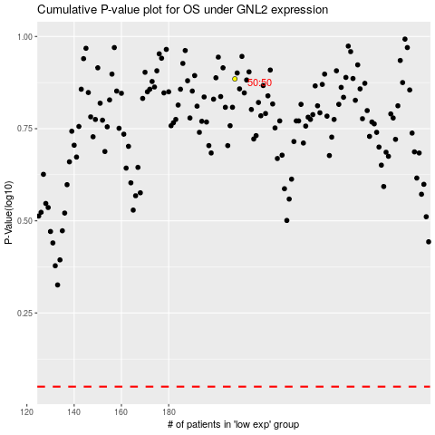

 |  |  |  |  |  | cases_OS | p_OS | rank | exp
 |  |  |  |  |  |  | cases_RFS | p_RFS | rank | exp

