GNPDA2 _multivariate
Reported by Tex Li-Hsing Chi. tex@gate.sinica.edu.tw 2019-08-19

Table 2. The clinicopathological features of HNSCC cohort and GNPDA2 expression. (Chi square test)
Cutoff at -0.108 (49.8%)
 |  | GNPDA2 expression |  | GNPDA2 expression |  | (Optimised)
 | Features | Low | (%) | High | (%) | Case no | P-value | Remark | Matthews
Gender | Female | 154 | 37.1 | 152 | 36.6 | 415 | 0.8463 | 0 | 0
2 | Male | 53 | 12.8 | 56 | 13.5
Age at diagnosis | <=65y | 136 | 32.8 | 138 | 33.3 | 415 | 0.9719 | 0 | 0
4 | >65y | 71 | 17.1 | 70 | 16.9
Clinical T Status | T1+T2 | 69 | 16.6 | 80 | 19.3 | 415 | 0.3239 | 0 | 0
6 | T3+T4 | 138 | 33.3 | 128 | 30.8
Clinical N Status | N0 | 106 | 25.5 | 110 | 26.5 | 415 | 0.8075 | 0 | 0
8 | N1-3 | 101 | 24.3 | 98 | 23.6
Clinical M Status | M0 | 204 | 49.2 | 208 | 50.1 | 415 | 0.1232 | 0 | 0
10 | M1 | 3 | 0.7 | 0 | 0
Clinical Stage | Stage I+II | 46 | 11.1 | 56 | 13.5 | 415 | 0.3182 | 0 | 0
12 | Stage III+IV | 161 | 38.8 | 152 | 36.6
Surgical Margin status | Negative | 162 | 39 | 156 | 37.6 | 415 | 0.4867 | 0 | 0
14 | Positive | 45 | 10.8 | 52 | 12.5
Tobacco Exposure | Low | 81 | 19.5 | 80 | 19.3 | 415 | 0.9199 | 0 | 0
16 | High | 126 | 30.4 | 128 | 30.8

Table 3. Univariate/Multivariate Cox's proportional hazards regression analyses on OS time of GNPDA2 gene expression in HNSCC

 |  | Univariate |  |  |  | Multivariate
 | Features | HR | CI95%(L) | CI95%(H) | P-value | HR | CI95%(L) | CI95%(H) | P-value
1 | Female | 1 |  |  |  | 1
Gender | Male | 1.157 | 0.843 | 1.587 | 0.367 | 1.2 | 0.859 | 1.677 | 0.285
11 | <=65y | 1 |  |  |  | 1
Age at diagnosis | >65y | 1.329 | 0.99 | 1.784 | 0.058 | 1.394 | 1.025 | 1.895 | 0.034
12 | T1+T2 | 1 |  |  |  | 1
Clinical T Status | T3+T4 | 1.409 | 1.028 | 1.931 | 0.033 | 2.205 | 1.166 | 4.171 | 0.015
13 | N0 | 1 |  |  |  | 1
Clinical N Status | N1-3 | 1.185 | 0.89 | 1.577 | 0.246 | 1.241 | 0.87 | 1.771 | 0.233
14 | M0 | 1 |  |  |  | 1
Clinical M Status | M1 | 4.097 | 1.009 | 16.644 | 0.049 | 9.553 | 2.067 | 44.161 | 0.004
15 | Stage I+II | 1 |  |  |  | 1
Clinical Stage | Stage III+IV | 1.245 | 0.882 | 1.759 | 0.213 | 0.504 | 0.235 | 1.081 | 0.079
16 | Negative | 1 |  |  |  | 1
Surgical Margin status | Positive | 1.591 | 1.155 | 2.191 | 0.004 | 1.671 | 1.209 | 2.308 | 0.002
17 | Low | 1 |  |  |  | 1
Tobacco Exposure | High | 1.364 | 1.008 | 1.844 | 0.044 | 1.454 | 1.055 | 2.004 | 0.022
18 | Low | 1 |  |  |  | 1
RNAseq(z-score) | High | 0.991 | 0.743 | 1.321 | 0.95 | 1.029 | 0.769 | 1.375 | 0.849

Table 4. Univariate/Multivariate Cox's proportional hazards regression analyses on RFS time of GNPDA2 gene expression in HNSCC

 |  | Univariate |  |  |  | Multivariate
 | Features | HR | CI95%(L) | CI95%(H) | P-value | HR | CI95%(L) | CI95%(H) | P-value
1 | Female | 1 |  |  |  | 1
Gender | Male | 1.157 | 0.843 | 1.587 | 0.367 | 1.2 | 0.859 | 1.677 | 0.285
11 | <=65y | 1 |  |  |  | 1
Age at diagnosis | >65y | 1.329 | 0.99 | 1.784 | 0.058 | 1.394 | 1.025 | 1.895 | 0.034
12 | T1+T2 | 1 |  |  |  | 1
Clinical T Status | T3+T4 | 1.409 | 1.028 | 1.931 | 0.033 | 2.205 | 1.166 | 4.171 | 0.015
13 | N0 | 1 |  |  |  | 1
Clinical N Status | N1-3 | 1.185 | 0.89 | 1.577 | 0.246 | 1.241 | 0.87 | 1.771 | 0.233
14 | M0 | 1 |  |  |  | 1
Clinical M Status | M1 | 4.097 | 1.009 | 16.644 | 0.049 | 9.553 | 2.067 | 44.161 | 0.004
15 | Stage I+II | 1 |  |  |  | 1
Clinical Stage | Stage III+IV | 1.245 | 0.882 | 1.759 | 0.213 | 0.504 | 0.235 | 1.081 | 0.079
16 | Negative | 1 |  |  |  | 1
Surgical Margin status | Positive | 1.591 | 1.155 | 2.191 | 0.004 | 1.671 | 1.209 | 2.308 | 0.002
17 | Low | 1 |  |  |  | 1
Tobacco Exposure | High | 1.364 | 1.008 | 1.844 | 0.044 | 1.454 | 1.055 | 2.004 | 0.022
18 | Low | 1 |  |  |  | 1
RNAseq(z-score) | High | 0.991 | 0.743 | 1.321 | 0.95 | 1.029 | 0.769 | 1.375 | 0.849

Kaplan-Meier survival estimate: Cutoff at -0.108 (49.8%)

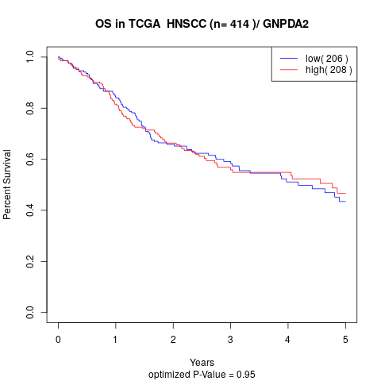

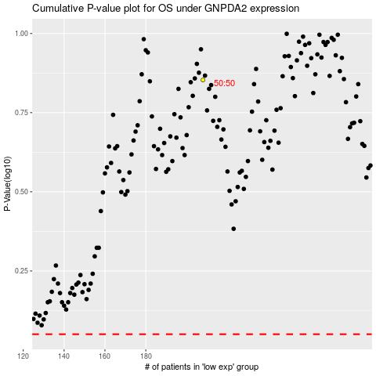

 |  |  |  |  |  | cases_OS | p_OS | rank | exp
 |  |  |  |  |  |  | cases_RFS | p_RFS | rank | exp

