GNPTAB _multivariate
Reported by Tex Li-Hsing Chi. tex@gate.sinica.edu.tw 2019-08-19

Table 2. The clinicopathological features of HNSCC cohort and GNPTAB expression. (Chi square test)
Cutoff at -0.177 (51.2%)
 |  | GNPTAB expression |  | GNPTAB expression |  | (Optimised)
 | Features | Low | (%) | High | (%) | Case no | P-value | Remark | Matthews
Gender | Female | 157 | 37.8 | 149 | 35.9 | 415 | 1 | 0 | 0
2 | Male | 56 | 13.5 | 53 | 12.8
Age at diagnosis | <=65y | 139 | 33.5 | 135 | 32.5 | 415 | 0.8145 | 0 | 0
4 | >65y | 74 | 17.8 | 67 | 16.1
Clinical T Status | T1+T2 | 65 | 15.7 | 84 | 20.2 | 415 | 0.0247 | 1 | 0
6 | T3+T4 | 148 | 35.7 | 118 | 28.4
Clinical N Status | N0 | 105 | 25.3 | 111 | 26.7 | 415 | 0.2918 | 0 | 0
8 | N1-3 | 108 | 26 | 91 | 21.9
Clinical M Status | M0 | 210 | 50.6 | 202 | 48.7 | 415 | 0.2487 | 0 | 0
10 | M1 | 3 | 0.7 | 0 | 0
Clinical Stage | Stage I+II | 45 | 10.8 | 57 | 13.7 | 415 | 0.1181 | 0 | 0
12 | Stage III+IV | 168 | 40.5 | 145 | 34.9
Surgical Margin status | Negative | 162 | 39 | 156 | 37.6 | 415 | 0.817 | 0 | 0
14 | Positive | 51 | 12.3 | 46 | 11.1
Tobacco Exposure | Low | 79 | 19 | 82 | 19.8 | 415 | 0.4818 | 0 | 0
16 | High | 134 | 32.3 | 120 | 28.9

Table 3. Univariate/Multivariate Cox's proportional hazards regression analyses on OS time of GNPTAB gene expression in HNSCC

 |  | Univariate |  |  |  | Multivariate
 | Features | HR | CI95%(L) | CI95%(H) | P-value | HR | CI95%(L) | CI95%(H) | P-value
1 | Female | 1 |  |  |  | 1
Gender | Male | 1.157 | 0.843 | 1.587 | 0.367 | 1.189 | 0.851 | 1.662 | 0.311
11 | <=65y | 1 |  |  |  | 1
Age at diagnosis | >65y | 1.329 | 0.99 | 1.784 | 0.058 | 1.38 | 1.015 | 1.875 | 0.04
12 | T1+T2 | 1 |  |  |  | 1
Clinical T Status | T3+T4 | 1.409 | 1.028 | 1.931 | 0.033 | 2.108 | 1.111 | 3.998 | 0.022
13 | N0 | 1 |  |  |  | 1
Clinical N Status | N1-3 | 1.185 | 0.89 | 1.577 | 0.246 | 1.224 | 0.857 | 1.747 | 0.267
14 | M0 | 1 |  |  |  | 1
Clinical M Status | M1 | 4.097 | 1.009 | 16.644 | 0.049 | 8.261 | 1.783 | 38.28 | 0.007
15 | Stage I+II | 1 |  |  |  | 1
Clinical Stage | Stage III+IV | 1.245 | 0.882 | 1.759 | 0.213 | 0.525 | 0.244 | 1.129 | 0.099
16 | Negative | 1 |  |  |  | 1
Surgical Margin status | Positive | 1.591 | 1.155 | 2.191 | 0.004 | 1.646 | 1.19 | 2.276 | 0.003
17 | Low | 1 |  |  |  | 1
Tobacco Exposure | High | 1.364 | 1.008 | 1.844 | 0.044 | 1.449 | 1.052 | 1.996 | 0.023
18 | Low | 1 |  |  |  | 1
RNAseq(z-score) | High | 0.745 | 0.559 | 0.994 | 0.045 | 0.819 | 0.611 | 1.097 | 0.181

Table 4. Univariate/Multivariate Cox's proportional hazards regression analyses on RFS time of GNPTAB gene expression in HNSCC

 |  | Univariate |  |  |  | Multivariate
 | Features | HR | CI95%(L) | CI95%(H) | P-value | HR | CI95%(L) | CI95%(H) | P-value
1 | Female | 1 |  |  |  | 1
Gender | Male | 1.157 | 0.843 | 1.587 | 0.367 | 1.189 | 0.851 | 1.662 | 0.311
11 | <=65y | 1 |  |  |  | 1
Age at diagnosis | >65y | 1.329 | 0.99 | 1.784 | 0.058 | 1.38 | 1.015 | 1.875 | 0.04
12 | T1+T2 | 1 |  |  |  | 1
Clinical T Status | T3+T4 | 1.409 | 1.028 | 1.931 | 0.033 | 2.108 | 1.111 | 3.998 | 0.022
13 | N0 | 1 |  |  |  | 1
Clinical N Status | N1-3 | 1.185 | 0.89 | 1.577 | 0.246 | 1.224 | 0.857 | 1.747 | 0.267
14 | M0 | 1 |  |  |  | 1
Clinical M Status | M1 | 4.097 | 1.009 | 16.644 | 0.049 | 8.261 | 1.783 | 38.28 | 0.007
15 | Stage I+II | 1 |  |  |  | 1
Clinical Stage | Stage III+IV | 1.245 | 0.882 | 1.759 | 0.213 | 0.525 | 0.244 | 1.129 | 0.099
16 | Negative | 1 |  |  |  | 1
Surgical Margin status | Positive | 1.591 | 1.155 | 2.191 | 0.004 | 1.646 | 1.19 | 2.276 | 0.003
17 | Low | 1 |  |  |  | 1
Tobacco Exposure | High | 1.364 | 1.008 | 1.844 | 0.044 | 1.449 | 1.052 | 1.996 | 0.023
18 | Low | 1 |  |  |  | 1
RNAseq(z-score) | High | 0.745 | 0.559 | 0.994 | 0.045 | 0.819 | 0.611 | 1.097 | 0.181

Kaplan-Meier survival estimate: Cutoff at -0.177 (51.2%)



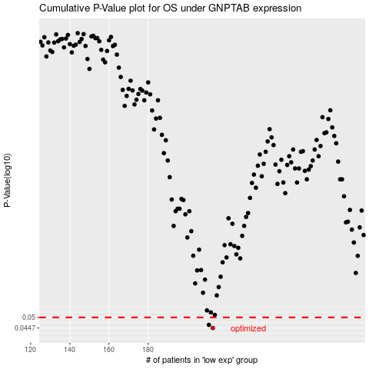

 |  |  |  |  |  | cases_OS | p_OS | rank | exp
 |  |  |  |  |  | 213 | 0.0447 | 382 | -0.17700380464
 |  |  |  |  |  | 211 | 0.0462 | 9 | -0.19291945394
 |  |  |  |  |  |  | cases_RFS | p_RFS | rank | exp
 |  |  |  |  |  |  | 212 | 0.0447 | 87 | -0.18297182798
 |  |  |  |  |  |  | 210 | 0.0462 | 273 | -0.19336797897

