GNRHR2 _multivariate
Reported by Tex Li-Hsing Chi. tex@gate.sinica.edu.tw 2019-08-19

Table 2. The clinicopathological features of HNSCC cohort and GNRHR2 expression. (Chi square test)
Cutoff at -0.025 (68.6%)
 |  | GNRHR2 expression |  | GNRHR2 expression |  | (Optimised)
 | Features | Low | (%) | High | (%) | Case no | P-value | Remark | Matthews
Gender | Female | 206 | 49.6 | 100 | 24.1 | 415 | 0.4854 | 0 | 0
2 | Male | 78 | 18.8 | 31 | 7.5
Age at diagnosis | <=65y | 180 | 43.4 | 94 | 22.7 | 415 | 0.1181 | 0 | 0
4 | >65y | 104 | 25.1 | 37 | 8.9
Clinical T Status | T1+T2 | 97 | 23.4 | 52 | 12.5 | 415 | 0.3255 | 0 | 0
6 | T3+T4 | 187 | 45.1 | 79 | 19
Clinical N Status | N0 | 154 | 37.1 | 62 | 14.9 | 415 | 0.2296 | 0 | 0
8 | N1-3 | 130 | 31.3 | 69 | 16.6
Clinical M Status | M0 | 283 | 68.2 | 129 | 31.1 | 415 | 0.2354 | 0 | 0
10 | M1 | 1 | 0.2 | 2 | 0.5
Clinical Stage | Stage I+II | 74 | 17.8 | 28 | 6.7 | 415 | 0.3644 | 0 | 0
12 | Stage III+IV | 210 | 50.6 | 103 | 24.8
Surgical Margin status | Negative | 221 | 53.3 | 97 | 23.4 | 415 | 0.4541 | 0 | 0
14 | Positive | 63 | 15.2 | 34 | 8.2
Tobacco Exposure | Low | 106 | 25.5 | 55 | 13.3 | 415 | 0.3869 | 0 | 0
16 | High | 178 | 42.9 | 76 | 18.3

Table 3. Univariate/Multivariate Cox's proportional hazards regression analyses on OS time of GNRHR2 gene expression in HNSCC

 |  | Univariate |  |  |  | Multivariate
 | Features | HR | CI95%(L) | CI95%(H) | P-value | HR | CI95%(L) | CI95%(H) | P-value
1 | Female | 1 |  |  |  | 1
Gender | Male | 1.157 | 0.843 | 1.587 | 0.367 | 1.184 | 0.847 | 1.655 | 0.324
11 | <=65y | 1 |  |  |  | 1
Age at diagnosis | >65y | 1.329 | 0.99 | 1.784 | 0.058 | 1.355 | 0.995 | 1.845 | 0.054
12 | T1+T2 | 1 |  |  |  | 1
Clinical T Status | T3+T4 | 1.409 | 1.028 | 1.931 | 0.033 | 2.04 | 1.077 | 3.864 | 0.029
13 | N0 | 1 |  |  |  | 1
Clinical N Status | N1-3 | 1.185 | 0.89 | 1.577 | 0.246 | 1.266 | 0.887 | 1.807 | 0.195
14 | M0 | 1 |  |  |  | 1
Clinical M Status | M1 | 4.097 | 1.009 | 16.644 | 0.049 | 10.74 | 2.335 | 49.409 | 0.002
15 | Stage I+II | 1 |  |  |  | 1
Clinical Stage | Stage III+IV | 1.245 | 0.882 | 1.759 | 0.213 | 0.54 | 0.251 | 1.161 | 0.115
16 | Negative | 1 |  |  |  | 1
Surgical Margin status | Positive | 1.591 | 1.155 | 2.191 | 0.004 | 1.736 | 1.255 | 2.401 | 0.001
17 | Low | 1 |  |  |  | 1
Tobacco Exposure | High | 1.364 | 1.008 | 1.844 | 0.044 | 1.463 | 1.06 | 2.021 | 0.021
18 | Low | 1 |  |  |  | 1
RNAseq(z-score) | High | 0.67 | 0.482 | 0.931 | 0.017 | 0.648 | 0.462 | 0.909 | 0.012

Table 4. Univariate/Multivariate Cox's proportional hazards regression analyses on RFS time of GNRHR2 gene expression in HNSCC

 |  | Univariate |  |  |  | Multivariate
 | Features | HR | CI95%(L) | CI95%(H) | P-value | HR | CI95%(L) | CI95%(H) | P-value
1 | Female | 1 |  |  |  | 1
Gender | Male | 1.157 | 0.843 | 1.587 | 0.367 | 1.184 | 0.847 | 1.655 | 0.324
11 | <=65y | 1 |  |  |  | 1
Age at diagnosis | >65y | 1.329 | 0.99 | 1.784 | 0.058 | 1.355 | 0.995 | 1.845 | 0.054
12 | T1+T2 | 1 |  |  |  | 1
Clinical T Status | T3+T4 | 1.409 | 1.028 | 1.931 | 0.033 | 2.04 | 1.077 | 3.864 | 0.029
13 | N0 | 1 |  |  |  | 1
Clinical N Status | N1-3 | 1.185 | 0.89 | 1.577 | 0.246 | 1.266 | 0.887 | 1.807 | 0.195
14 | M0 | 1 |  |  |  | 1
Clinical M Status | M1 | 4.097 | 1.009 | 16.644 | 0.049 | 10.74 | 2.335 | 49.409 | 0.002
15 | Stage I+II | 1 |  |  |  | 1
Clinical Stage | Stage III+IV | 1.245 | 0.882 | 1.759 | 0.213 | 0.54 | 0.251 | 1.161 | 0.115
16 | Negative | 1 |  |  |  | 1
Surgical Margin status | Positive | 1.591 | 1.155 | 2.191 | 0.004 | 1.736 | 1.255 | 2.401 | 0.001
17 | Low | 1 |  |  |  | 1
Tobacco Exposure | High | 1.364 | 1.008 | 1.844 | 0.044 | 1.463 | 1.06 | 2.021 | 0.021
18 | Low | 1 |  |  |  | 1
RNAseq(z-score) | High | 0.67 | 0.482 | 0.931 | 0.017 | 0.648 | 0.462 | 0.909 | 0.012

Kaplan-Meier survival estimate: Cutoff at -0.025 (68.6%)

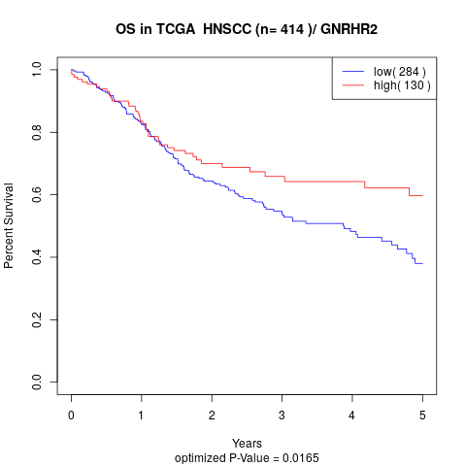

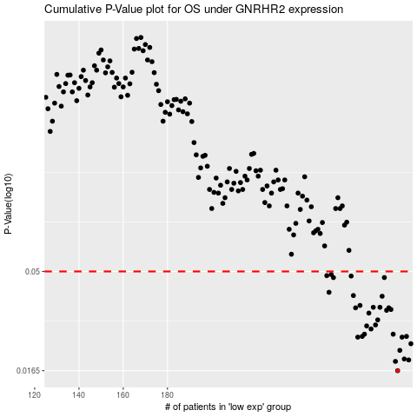

 |  |  |  |  |  | cases_OS | p_OS | rank | exp
 |  |  |  |  |  | 284 | 0.0165 | 328 | -0.024569809183
 |  |  |  |  |  | 283 | 0.0183 | 7 | -0.026931228732
 |  |  |  |  |  | 289 | 0.0186 | 18 | 0.0070821944082
 |  |  |  |  |  | 287 | 0.0188 | 40 | -0.0050093215419
 |  |  |  |  |  | 285 | 0.0207 | 292 | -0.023551142937
 |  |  |  |  |  | 290 | 0.0223 | 383 | 0.0082834870792
 |  |  |  |  |  | 286 | 0.024 | 90 | -0.016343386911
 |  |  |  |  |  | 266 | 0.024 | 362 | -0.12284827364
 |  |  |  |  |  | 268 | 0.0242 | 172 | -0.11137948386
 |  |  |  |  |  | 288 | 0.0242 | 375 | 0.0046159892052
 |  |  |  |  |  | 269 | 0.0248 | 22 | -0.10560579435
 |  |  |  |  |  | 282 | 0.0248 | 284 | -0.028869763323
 |  |  |  |  |  | 272 | 0.0263 | 189 | -0.093613076304
 |  |  |  |  |  | 270 | 0.0272 | 378 | -0.099393502035
 |  |  |  |  |  | 274 | 0.0275 | 81 | -0.088376787502
 |  |  |  |  |  | 275 | 0.0291 | 269 | -0.084359754627
 |  |  |  |  |  | 271 | 0.0314 | 153 | -0.094866013332
 |  |  |  |  |  | 279 | 0.0324 | 25 | -0.036225716202
 |  |  |  |  |  | 281 | 0.0327 | 163 | -0.033805916074
 |  |  |  |  |  | 265 | 0.0333 | 38 | -0.12572463983
 |  |  |  |  |  | 280 | 0.0333 | 179 | -0.034054407767
 |  |  |  |  |  | 273 | 0.0335 | 87 | -0.089587061801
 |  |  |  |  |  | 276 | 0.0335 | 353 | -0.077005298686
 |  |  |  |  |  | 267 | 0.0342 | 377 | -0.12123232917
 |  |  |  |  |  | 277 | 0.0379 | 128 | -0.057681327234
 |  |  |  |  |  | 264 | 0.0382 | 278 | -0.13139054981
 |  |  |  |  |  | 253 | 0.0396 | 30 | -0.1903212529
 |  |  |  |  |  | 278 | 0.0467 | 198 | -0.049606095691
 |  |  |  |  |  | 255 | 0.0467 | 245 | -0.18597863603
 |  |  |  |  |  | 263 | 0.0475 | 411 | -0.13791046287
 |  |  |  |  |  | 252 | 0.0477 | 267 | -0.1963965754
 |  |  |  |  |  | 254 | 0.0483 | 10 | -0.18642172965
 |  |  |  |  |  |  | cases_RFS | p_RFS | rank | exp
 |  |  |  |  |  |  | 283 | 0.0165 | 7 | -0.026931228732
 |  |  |  |  |  |  | 282 | 0.0183 | 284 | -0.028869763323
 |  |  |  |  |  |  | 288 | 0.0186 | 375 | 0.0046159892052
 |  |  |  |  |  |  | 286 | 0.0188 | 90 | -0.016343386911
 |  |  |  |  |  |  | 284 | 0.0207 | 328 | -0.024569809183
 |  |  |  |  |  |  | 289 | 0.0223 | 18 | 0.0070821944082
 |  |  |  |  |  |  | 265 | 0.024 | 38 | -0.12572463983
 |  |  |  |  |  |  | 285 | 0.024 | 292 | -0.023551142937
 |  |  |  |  |  |  | 287 | 0.0242 | 40 | -0.0050093215419
 |  |  |  |  |  |  | 267 | 0.0242 | 377 | -0.12123232917
 |  |  |  |  |  |  | 281 | 0.0248 | 163 | -0.033805916074
 |  |  |  |  |  |  | 268 | 0.0248 | 172 | -0.11137948386
 |  |  |  |  |  |  | 271 | 0.0263 | 153 | -0.094866013332
 |  |  |  |  |  |  | 269 | 0.0272 | 22 | -0.10560579435
 |  |  |  |  |  |  | 273 | 0.0275 | 87 | -0.089587061801
 |  |  |  |  |  |  | 274 | 0.0291 | 81 | -0.088376787502
 |  |  |  |  |  |  | 270 | 0.0314 | 378 | -0.099393502035
 |  |  |  |  |  |  | 278 | 0.0324 | 198 | -0.049606095691
 |  |  |  |  |  |  | 280 | 0.0327 | 179 | -0.034054407767
 |  |  |  |  |  |  | 279 | 0.0333 | 25 | -0.036225716202
 |  |  |  |  |  |  | 264 | 0.0333 | 278 | -0.13139054981
 |  |  |  |  |  |  | 272 | 0.0335 | 189 | -0.093613076304
 |  |  |  |  |  |  | 275 | 0.0335 | 269 | -0.084359754627
 |  |  |  |  |  |  | 266 | 0.0342 | 362 | -0.12284827364
 |  |  |  |  |  |  | 276 | 0.0379 | 353 | -0.077005298686
 |  |  |  |  |  |  | 263 | 0.0382 | 411 | -0.13791046287
 |  |  |  |  |  |  | 252 | 0.0396 | 267 | -0.1963965754
 |  |  |  |  |  |  | 254 | 0.0467 | 10 | -0.18642172965
 |  |  |  |  |  |  | 277 | 0.0467 | 128 | -0.057681327234
 |  |  |  |  |  |  | 262 | 0.0475 | 133 | -0.13931159675
 |  |  |  |  |  |  | 251 | 0.0477 | 398 | -0.19686736237
 |  |  |  |  |  |  | 253 | 0.0483 | 30 | -0.1903212529

