GOLGA1 _multivariate
Reported by Tex Li-Hsing Chi. tex@gate.sinica.edu.tw 2019-08-19

Table 2. The clinicopathological features of HNSCC cohort and GOLGA1 expression. (Chi square test)
Cutoff at -0.108 (49.8%)
 |  | GOLGA1 expression |  | GOLGA1 expression |  | (Optimised)
 | Features | Low | (%) | High | (%) | Case no | P-value | Remark | Matthews
Gender | Female | 158 | 38.1 | 148 | 35.7 | 415 | 0.2774 | 0 | 0
2 | Male | 49 | 11.8 | 60 | 14.5
Age at diagnosis | <=65y | 135 | 32.5 | 139 | 33.5 | 415 | 0.8084 | 0 | 0
4 | >65y | 72 | 17.3 | 69 | 16.6
Clinical T Status | T1+T2 | 66 | 15.9 | 83 | 20 | 415 | 0.1095 | 0 | 0
6 | T3+T4 | 141 | 34 | 125 | 30.1
Clinical N Status | N0 | 100 | 24.1 | 116 | 28 | 415 | 0.1548 | 0 | 0
8 | N1-3 | 107 | 25.8 | 92 | 22.2
Clinical M Status | M0 | 205 | 49.4 | 207 | 49.9 | 415 | 0.6232 | 0 | 0
10 | M1 | 2 | 0.5 | 1 | 0.2
Clinical Stage | Stage I+II | 43 | 10.4 | 59 | 14.2 | 415 | 0.0925 | 0 | 0
12 | Stage III+IV | 164 | 39.5 | 149 | 35.9
Surgical Margin status | Negative | 155 | 37.3 | 163 | 39.3 | 415 | 0.4187 | 0 | 0
14 | Positive | 52 | 12.5 | 45 | 10.8
Tobacco Exposure | Low | 71 | 17.1 | 90 | 21.7 | 415 | 0.0698 | 0 | 0
16 | High | 136 | 32.8 | 118 | 28.4

Table 3. Univariate/Multivariate Cox's proportional hazards regression analyses on OS time of GOLGA1 gene expression in HNSCC

 |  | Univariate |  |  |  | Multivariate
 | Features | HR | CI95%(L) | CI95%(H) | P-value | HR | CI95%(L) | CI95%(H) | P-value
1 | Female | 1 |  |  |  | 1
Gender | Male | 1.157 | 0.843 | 1.587 | 0.367 | 1.204 | 0.862 | 1.682 | 0.276
11 | <=65y | 1 |  |  |  | 1
Age at diagnosis | >65y | 1.329 | 0.99 | 1.784 | 0.058 | 1.384 | 1.017 | 1.883 | 0.039
12 | T1+T2 | 1 |  |  |  | 1
Clinical T Status | T3+T4 | 1.409 | 1.028 | 1.931 | 0.033 | 2.217 | 1.172 | 4.195 | 0.014
13 | N0 | 1 |  |  |  | 1
Clinical N Status | N1-3 | 1.185 | 0.89 | 1.577 | 0.246 | 1.242 | 0.871 | 1.772 | 0.232
14 | M0 | 1 |  |  |  | 1
Clinical M Status | M1 | 4.097 | 1.009 | 16.644 | 0.049 | 9.521 | 2.075 | 43.686 | 0.004
15 | Stage I+II | 1 |  |  |  | 1
Clinical Stage | Stage III+IV | 1.245 | 0.882 | 1.759 | 0.213 | 0.504 | 0.235 | 1.082 | 0.079
16 | Negative | 1 |  |  |  | 1
Surgical Margin status | Positive | 1.591 | 1.155 | 2.191 | 0.004 | 1.679 | 1.214 | 2.322 | 0.002
17 | Low | 1 |  |  |  | 1
Tobacco Exposure | High | 1.364 | 1.008 | 1.844 | 0.044 | 1.461 | 1.059 | 2.014 | 0.021
18 | Low | 1 |  |  |  | 1
RNAseq(z-score) | High | 1.007 | 0.756 | 1.342 | 0.96 | 1.07 | 0.8 | 1.432 | 0.648

Table 4. Univariate/Multivariate Cox's proportional hazards regression analyses on RFS time of GOLGA1 gene expression in HNSCC

 |  | Univariate |  |  |  | Multivariate
 | Features | HR | CI95%(L) | CI95%(H) | P-value | HR | CI95%(L) | CI95%(H) | P-value
1 | Female | 1 |  |  |  | 1
Gender | Male | 1.157 | 0.843 | 1.587 | 0.367 | 1.204 | 0.862 | 1.682 | 0.276
11 | <=65y | 1 |  |  |  | 1
Age at diagnosis | >65y | 1.329 | 0.99 | 1.784 | 0.058 | 1.384 | 1.017 | 1.883 | 0.039
12 | T1+T2 | 1 |  |  |  | 1
Clinical T Status | T3+T4 | 1.409 | 1.028 | 1.931 | 0.033 | 2.217 | 1.172 | 4.195 | 0.014
13 | N0 | 1 |  |  |  | 1
Clinical N Status | N1-3 | 1.185 | 0.89 | 1.577 | 0.246 | 1.242 | 0.871 | 1.772 | 0.232
14 | M0 | 1 |  |  |  | 1
Clinical M Status | M1 | 4.097 | 1.009 | 16.644 | 0.049 | 9.521 | 2.075 | 43.686 | 0.004
15 | Stage I+II | 1 |  |  |  | 1
Clinical Stage | Stage III+IV | 1.245 | 0.882 | 1.759 | 0.213 | 0.504 | 0.235 | 1.082 | 0.079
16 | Negative | 1 |  |  |  | 1
Surgical Margin status | Positive | 1.591 | 1.155 | 2.191 | 0.004 | 1.679 | 1.214 | 2.322 | 0.002
17 | Low | 1 |  |  |  | 1
Tobacco Exposure | High | 1.364 | 1.008 | 1.844 | 0.044 | 1.461 | 1.059 | 2.014 | 0.021
18 | Low | 1 |  |  |  | 1
RNAseq(z-score) | High | 1.007 | 0.756 | 1.342 | 0.96 | 1.07 | 0.8 | 1.432 | 0.648

Kaplan-Meier survival estimate: Cutoff at -0.108 (49.8%)



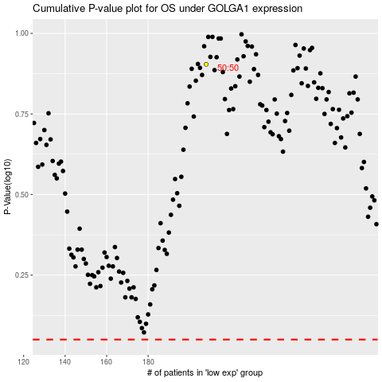

 |  |  |  |  |  | cases_OS | p_OS | rank | exp
 |  |  |  |  |  |  | cases_RFS | p_RFS | rank | exp

