GOLGA2 _multivariate
Reported by Tex Li-Hsing Chi. tex@gate.sinica.edu.tw 2019-08-19

Table 2. The clinicopathological features of HNSCC cohort and GOLGA2 expression. (Chi square test)
Cutoff at 0.021 (50.0%)
 |  | GOLGA2 expression |  | GOLGA2 expression |  | (Optimised)
 | Features | Low | (%) | High | (%) | Case no | P-value | Remark | Matthews
Gender | Female | 156 | 37.6 | 150 | 36.1 | 415 | 0.5222 | 0 | 0
2 | Male | 51 | 12.3 | 58 | 14
Age at diagnosis | <=65y | 137 | 33 | 137 | 33 | 415 | 1 | 0 | 0
4 | >65y | 70 | 16.9 | 71 | 17.1
Clinical T Status | T1+T2 | 77 | 18.6 | 72 | 17.3 | 415 | 0.6556 | 0 | 0
6 | T3+T4 | 130 | 31.3 | 136 | 32.8
Clinical N Status | N0 | 104 | 25.1 | 112 | 27 | 415 | 0.5243 | 0 | 0
8 | N1-3 | 103 | 24.8 | 96 | 23.1
Clinical M Status | M0 | 205 | 49.4 | 207 | 49.9 | 415 | 0.6232 | 0 | 0
10 | M1 | 2 | 0.5 | 1 | 0.2
Clinical Stage | Stage I+II | 49 | 11.8 | 53 | 12.8 | 415 | 0.7535 | 0 | 0
12 | Stage III+IV | 158 | 38.1 | 155 | 37.3
Surgical Margin status | Negative | 159 | 38.3 | 159 | 38.3 | 415 | 1 | 0 | 0
14 | Positive | 48 | 11.6 | 49 | 11.8
Tobacco Exposure | Low | 78 | 18.8 | 83 | 20 | 415 | 0.6873 | 0 | 0
16 | High | 129 | 31.1 | 125 | 30.1

Table 3. Univariate/Multivariate Cox's proportional hazards regression analyses on OS time of GOLGA2 gene expression in HNSCC

 |  | Univariate |  |  |  | Multivariate
 | Features | HR | CI95%(L) | CI95%(H) | P-value | HR | CI95%(L) | CI95%(H) | P-value
1 | Female | 1 |  |  |  | 1
Gender | Male | 1.157 | 0.843 | 1.587 | 0.367 | 1.191 | 0.852 | 1.664 | 0.306
11 | <=65y | 1 |  |  |  | 1
Age at diagnosis | >65y | 1.329 | 0.99 | 1.784 | 0.058 | 1.397 | 1.028 | 1.899 | 0.033
12 | T1+T2 | 1 |  |  |  | 1
Clinical T Status | T3+T4 | 1.409 | 1.028 | 1.931 | 0.033 | 2.217 | 1.172 | 4.192 | 0.014
13 | N0 | 1 |  |  |  | 1
Clinical N Status | N1-3 | 1.185 | 0.89 | 1.577 | 0.246 | 1.229 | 0.861 | 1.754 | 0.257
14 | M0 | 1 |  |  |  | 1
Clinical M Status | M1 | 4.097 | 1.009 | 16.644 | 0.049 | 9.015 | 1.963 | 41.403 | 0.005
15 | Stage I+II | 1 |  |  |  | 1
Clinical Stage | Stage III+IV | 1.245 | 0.882 | 1.759 | 0.213 | 0.504 | 0.235 | 1.082 | 0.079
16 | Negative | 1 |  |  |  | 1
Surgical Margin status | Positive | 1.591 | 1.155 | 2.191 | 0.004 | 1.649 | 1.193 | 2.28 | 0.002
17 | Low | 1 |  |  |  | 1
Tobacco Exposure | High | 1.364 | 1.008 | 1.844 | 0.044 | 1.447 | 1.05 | 1.992 | 0.024
18 | Low | 1 |  |  |  | 1
RNAseq(z-score) | High | 0.815 | 0.612 | 1.086 | 0.163 | 0.849 | 0.636 | 1.134 | 0.268

Table 4. Univariate/Multivariate Cox's proportional hazards regression analyses on RFS time of GOLGA2 gene expression in HNSCC

 |  | Univariate |  |  |  | Multivariate
 | Features | HR | CI95%(L) | CI95%(H) | P-value | HR | CI95%(L) | CI95%(H) | P-value
1 | Female | 1 |  |  |  | 1
Gender | Male | 1.157 | 0.843 | 1.587 | 0.367 | 1.191 | 0.852 | 1.664 | 0.306
11 | <=65y | 1 |  |  |  | 1
Age at diagnosis | >65y | 1.329 | 0.99 | 1.784 | 0.058 | 1.397 | 1.028 | 1.899 | 0.033
12 | T1+T2 | 1 |  |  |  | 1
Clinical T Status | T3+T4 | 1.409 | 1.028 | 1.931 | 0.033 | 2.217 | 1.172 | 4.192 | 0.014
13 | N0 | 1 |  |  |  | 1
Clinical N Status | N1-3 | 1.185 | 0.89 | 1.577 | 0.246 | 1.229 | 0.861 | 1.754 | 0.257
14 | M0 | 1 |  |  |  | 1
Clinical M Status | M1 | 4.097 | 1.009 | 16.644 | 0.049 | 9.015 | 1.963 | 41.403 | 0.005
15 | Stage I+II | 1 |  |  |  | 1
Clinical Stage | Stage III+IV | 1.245 | 0.882 | 1.759 | 0.213 | 0.504 | 0.235 | 1.082 | 0.079
16 | Negative | 1 |  |  |  | 1
Surgical Margin status | Positive | 1.591 | 1.155 | 2.191 | 0.004 | 1.649 | 1.193 | 2.28 | 0.002
17 | Low | 1 |  |  |  | 1
Tobacco Exposure | High | 1.364 | 1.008 | 1.844 | 0.044 | 1.447 | 1.05 | 1.992 | 0.024
18 | Low | 1 |  |  |  | 1
RNAseq(z-score) | High | 0.815 | 0.612 | 1.086 | 0.163 | 0.849 | 0.636 | 1.134 | 0.268

Kaplan-Meier survival estimate: Cutoff at 0.021 (50.0%)



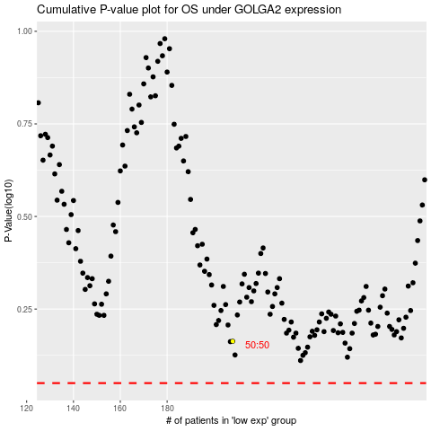

 |  |  |  |  |  | cases_OS | p_OS | rank | exp
 |  |  |  |  |  |  | cases_RFS | p_RFS | rank | exp

