GOLGA4 _multivariate
Reported by Tex Li-Hsing Chi. tex@gate.sinica.edu.tw 2019-08-19

Table 2. The clinicopathological features of HNSCC cohort and GOLGA4 expression. (Chi square test)
Cutoff at -0.182 (50.0%)
 |  | GOLGA4 expression |  | GOLGA4 expression |  | (Optimised)
 | Features | Low | (%) | High | (%) | Case no | P-value | Remark | Matthews
Gender | Female | 160 | 38.6 | 146 | 35.2 | 415 | 0.1254 | 0 | 0
2 | Male | 47 | 11.3 | 62 | 14.9
Age at diagnosis | <=65y | 138 | 33.3 | 136 | 32.8 | 415 | 0.8634 | 0 | 0
4 | >65y | 69 | 16.6 | 72 | 17.3
Clinical T Status | T1+T2 | 65 | 15.7 | 84 | 20.2 | 415 | 0.0711 | 0 | 0
6 | T3+T4 | 142 | 34.2 | 124 | 29.9
Clinical N Status | N0 | 113 | 27.2 | 103 | 24.8 | 415 | 0.3495 | 1 | 0
8 | N1-3 | 94 | 22.7 | 105 | 25.3
Clinical M Status | M0 | 204 | 49.2 | 208 | 50.1 | 415 | 0.1232 | 0 | 0
10 | M1 | 3 | 0.7 | 0 | 0
Clinical Stage | Stage I+II | 46 | 11.1 | 56 | 13.5 | 415 | 0.3182 | 0 | 0
12 | Stage III+IV | 161 | 38.8 | 152 | 36.6
Surgical Margin status | Negative | 162 | 39 | 156 | 37.6 | 415 | 0.4867 | 0 | 0
14 | Positive | 45 | 10.8 | 52 | 12.5
Tobacco Exposure | Low | 71 | 17.1 | 90 | 21.7 | 415 | 0.0698 | 0 | 0
16 | High | 136 | 32.8 | 118 | 28.4

Table 3. Univariate/Multivariate Cox's proportional hazards regression analyses on OS time of GOLGA4 gene expression in HNSCC

 |  | Univariate |  |  |  | Multivariate
 | Features | HR | CI95%(L) | CI95%(H) | P-value | HR | CI95%(L) | CI95%(H) | P-value
1 | Female | 1 |  |  |  | 1
Gender | Male | 1.157 | 0.843 | 1.587 | 0.367 | 1.205 | 0.863 | 1.683 | 0.274
11 | <=65y | 1 |  |  |  | 1
Age at diagnosis | >65y | 1.329 | 0.99 | 1.784 | 0.058 | 1.382 | 1.016 | 1.879 | 0.039
12 | T1+T2 | 1 |  |  |  | 1
Clinical T Status | T3+T4 | 1.409 | 1.028 | 1.931 | 0.033 | 2.279 | 1.201 | 4.324 | 0.012
13 | N0 | 1 |  |  |  | 1
Clinical N Status | N1-3 | 1.185 | 0.89 | 1.577 | 0.246 | 1.238 | 0.868 | 1.767 | 0.239
14 | M0 | 1 |  |  |  | 1
Clinical M Status | M1 | 4.097 | 1.009 | 16.644 | 0.049 | 10.508 | 2.26 | 48.859 | 0.003
15 | Stage I+II | 1 |  |  |  | 1
Clinical Stage | Stage III+IV | 1.245 | 0.882 | 1.759 | 0.213 | 0.496 | 0.231 | 1.065 | 0.072
16 | Negative | 1 |  |  |  | 1
Surgical Margin status | Positive | 1.591 | 1.155 | 2.191 | 0.004 | 1.679 | 1.215 | 2.322 | 0.002
17 | Low | 1 |  |  |  | 1
Tobacco Exposure | High | 1.364 | 1.008 | 1.844 | 0.044 | 1.469 | 1.066 | 2.025 | 0.019
18 | Low | 1 |  |  |  | 1
RNAseq(z-score) | High | 1.07 | 0.803 | 1.425 | 0.645 | 1.173 | 0.876 | 1.57 | 0.284

Table 4. Univariate/Multivariate Cox's proportional hazards regression analyses on RFS time of GOLGA4 gene expression in HNSCC

 |  | Univariate |  |  |  | Multivariate
 | Features | HR | CI95%(L) | CI95%(H) | P-value | HR | CI95%(L) | CI95%(H) | P-value
1 | Female | 1 |  |  |  | 1
Gender | Male | 1.157 | 0.843 | 1.587 | 0.367 | 1.205 | 0.863 | 1.683 | 0.274
11 | <=65y | 1 |  |  |  | 1
Age at diagnosis | >65y | 1.329 | 0.99 | 1.784 | 0.058 | 1.382 | 1.016 | 1.879 | 0.039
12 | T1+T2 | 1 |  |  |  | 1
Clinical T Status | T3+T4 | 1.409 | 1.028 | 1.931 | 0.033 | 2.279 | 1.201 | 4.324 | 0.012
13 | N0 | 1 |  |  |  | 1
Clinical N Status | N1-3 | 1.185 | 0.89 | 1.577 | 0.246 | 1.238 | 0.868 | 1.767 | 0.239
14 | M0 | 1 |  |  |  | 1
Clinical M Status | M1 | 4.097 | 1.009 | 16.644 | 0.049 | 10.508 | 2.26 | 48.859 | 0.003
15 | Stage I+II | 1 |  |  |  | 1
Clinical Stage | Stage III+IV | 1.245 | 0.882 | 1.759 | 0.213 | 0.496 | 0.231 | 1.065 | 0.072
16 | Negative | 1 |  |  |  | 1
Surgical Margin status | Positive | 1.591 | 1.155 | 2.191 | 0.004 | 1.679 | 1.215 | 2.322 | 0.002
17 | Low | 1 |  |  |  | 1
Tobacco Exposure | High | 1.364 | 1.008 | 1.844 | 0.044 | 1.469 | 1.066 | 2.025 | 0.019
18 | Low | 1 |  |  |  | 1
RNAseq(z-score) | High | 1.07 | 0.803 | 1.425 | 0.645 | 1.173 | 0.876 | 1.57 | 0.284

Kaplan-Meier survival estimate: Cutoff at -0.182 (50.0%)

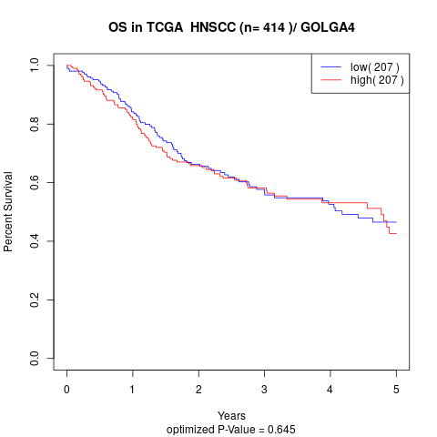

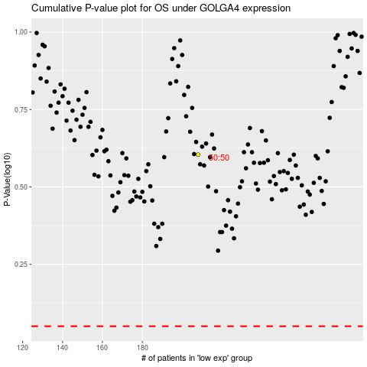

 |  |  |  |  |  | cases_OS | p_OS | rank | exp
 |  |  |  |  |  |  | cases_RFS | p_RFS | rank | exp

