GOLGA5 _multivariate
Reported by Tex Li-Hsing Chi. tex@gate.sinica.edu.tw 2019-08-19

Table 2. The clinicopathological features of HNSCC cohort and GOLGA5 expression. (Chi square test)
Cutoff at 0.332 (67.4%)
 |  | GOLGA5 expression |  | GOLGA5 expression |  | (Optimised)
 | Features | Low | (%) | High | (%) | Case no | P-value | Remark | Matthews
Gender | Female | 214 | 51.6 | 92 | 22.2 | 415 | 0.0645 | 0 | 0
2 | Male | 65 | 15.7 | 44 | 10.6
Age at diagnosis | <=65y | 193 | 46.5 | 81 | 19.5 | 415 | 0.0671 | 0 | 0
4 | >65y | 86 | 20.7 | 55 | 13.3
Clinical T Status | T1+T2 | 109 | 26.3 | 40 | 9.6 | 415 | 0.0694 | 0 | 0
6 | T3+T4 | 170 | 41 | 96 | 23.1
Clinical N Status | N0 | 145 | 34.9 | 71 | 17.1 | 415 | 1 | 0 | 0
8 | N1-3 | 134 | 32.3 | 65 | 15.7
Clinical M Status | M0 | 277 | 66.7 | 135 | 32.5 | 415 | 1 | 0 | 0
10 | M1 | 2 | 0.5 | 1 | 0.2
Clinical Stage | Stage I+II | 73 | 17.6 | 29 | 7 | 415 | 0.3402 | 0 | 0
12 | Stage III+IV | 206 | 49.6 | 107 | 25.8
Surgical Margin status | Negative | 218 | 52.5 | 100 | 24.1 | 415 | 0.3236 | 0 | 0
14 | Positive | 61 | 14.7 | 36 | 8.7
Tobacco Exposure | Low | 106 | 25.5 | 55 | 13.3 | 415 | 0.6682 | 0 | 0
16 | High | 173 | 41.7 | 81 | 19.5

Table 3. Univariate/Multivariate Cox's proportional hazards regression analyses on OS time of GOLGA5 gene expression in HNSCC

 |  | Univariate |  |  |  | Multivariate
 | Features | HR | CI95%(L) | CI95%(H) | P-value | HR | CI95%(L) | CI95%(H) | P-value
1 | Female | 1 |  |  |  | 1
Gender | Male | 1.157 | 0.843 | 1.587 | 0.367 | 1.199 | 0.858 | 1.676 | 0.287
11 | <=65y | 1 |  |  |  | 1
Age at diagnosis | >65y | 1.329 | 0.99 | 1.784 | 0.058 | 1.352 | 0.994 | 1.838 | 0.054
12 | T1+T2 | 1 |  |  |  | 1
Clinical T Status | T3+T4 | 1.409 | 1.028 | 1.931 | 0.033 | 2.098 | 1.108 | 3.974 | 0.023
13 | N0 | 1 |  |  |  | 1
Clinical N Status | N1-3 | 1.185 | 0.89 | 1.577 | 0.246 | 1.282 | 0.897 | 1.831 | 0.173
14 | M0 | 1 |  |  |  | 1
Clinical M Status | M1 | 4.097 | 1.009 | 16.644 | 0.049 | 8.711 | 1.896 | 40.018 | 0.005
15 | Stage I+II | 1 |  |  |  | 1
Clinical Stage | Stage III+IV | 1.245 | 0.882 | 1.759 | 0.213 | 0.512 | 0.239 | 1.099 | 0.086
16 | Negative | 1 |  |  |  | 1
Surgical Margin status | Positive | 1.591 | 1.155 | 2.191 | 0.004 | 1.644 | 1.189 | 2.275 | 0.003
17 | Low | 1 |  |  |  | 1
Tobacco Exposure | High | 1.364 | 1.008 | 1.844 | 0.044 | 1.464 | 1.062 | 2.017 | 0.02
18 | Low | 1 |  |  |  | 1
RNAseq(z-score) | High | 1.491 | 1.107 | 2.007 | 0.008 | 1.409 | 1.042 | 1.907 | 0.026

Table 4. Univariate/Multivariate Cox's proportional hazards regression analyses on RFS time of GOLGA5 gene expression in HNSCC

 |  | Univariate |  |  |  | Multivariate
 | Features | HR | CI95%(L) | CI95%(H) | P-value | HR | CI95%(L) | CI95%(H) | P-value
1 | Female | 1 |  |  |  | 1
Gender | Male | 1.157 | 0.843 | 1.587 | 0.367 | 1.199 | 0.858 | 1.676 | 0.287
11 | <=65y | 1 |  |  |  | 1
Age at diagnosis | >65y | 1.329 | 0.99 | 1.784 | 0.058 | 1.352 | 0.994 | 1.838 | 0.054
12 | T1+T2 | 1 |  |  |  | 1
Clinical T Status | T3+T4 | 1.409 | 1.028 | 1.931 | 0.033 | 2.098 | 1.108 | 3.974 | 0.023
13 | N0 | 1 |  |  |  | 1
Clinical N Status | N1-3 | 1.185 | 0.89 | 1.577 | 0.246 | 1.282 | 0.897 | 1.831 | 0.173
14 | M0 | 1 |  |  |  | 1
Clinical M Status | M1 | 4.097 | 1.009 | 16.644 | 0.049 | 8.711 | 1.896 | 40.018 | 0.005
15 | Stage I+II | 1 |  |  |  | 1
Clinical Stage | Stage III+IV | 1.245 | 0.882 | 1.759 | 0.213 | 0.512 | 0.239 | 1.099 | 0.086
16 | Negative | 1 |  |  |  | 1
Surgical Margin status | Positive | 1.591 | 1.155 | 2.191 | 0.004 | 1.644 | 1.189 | 2.275 | 0.003
17 | Low | 1 |  |  |  | 1
Tobacco Exposure | High | 1.364 | 1.008 | 1.844 | 0.044 | 1.464 | 1.062 | 2.017 | 0.02
18 | Low | 1 |  |  |  | 1
RNAseq(z-score) | High | 1.491 | 1.107 | 2.007 | 0.008 | 1.409 | 1.042 | 1.907 | 0.026

Kaplan-Meier survival estimate: Cutoff at 0.332 (67.4%)

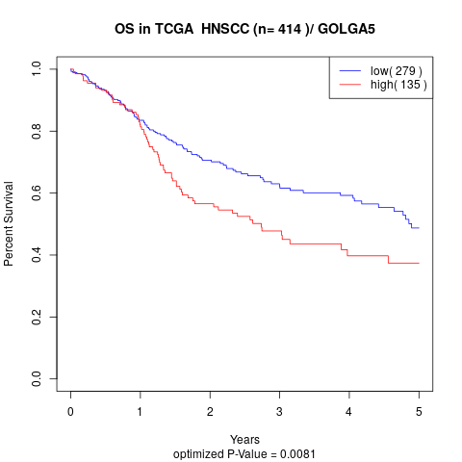

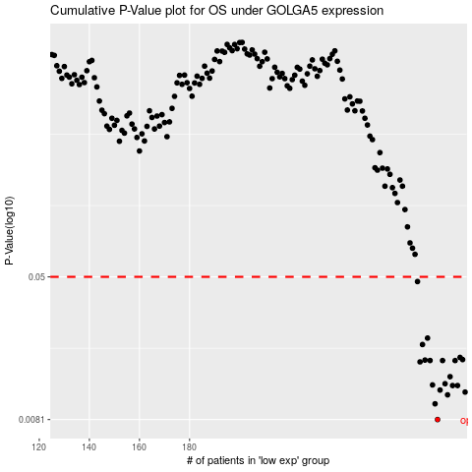

 |  |  |  |  |  | cases_OS | p_OS | rank | exp
 |  |  |  |  |  | 279 | 0.0081 | 88 | 0.33165057207
 |  |  |  |  |  | 278 | 0.0099 | 376 | 0.32755848794
 |  |  |  |  |  | 283 | 0.0111 | 338 | 0.37057991962
 |  |  |  |  |  | 290 | 0.0115 | 60 | 0.394438129
 |  |  |  |  |  | 280 | 0.0118 | 296 | 0.34018475898
 |  |  |  |  |  | 287 | 0.0125 | 69 | 0.3751973906
 |  |  |  |  |  | 285 | 0.0125 | 361 | 0.3737446816
 |  |  |  |  |  | 277 | 0.0126 | 157 | 0.32168544766
 |  |  |  |  |  | 282 | 0.0128 | 346 | 0.35773856536
 |  |  |  |  |  | 284 | 0.014 | 374 | 0.37264653695
 |  |  |  |  |  | 272 | 0.0169 | 203 | 0.29569028228
 |  |  |  |  |  | 281 | 0.0172 | 116 | 0.35431039222
 |  |  |  |  |  | 286 | 0.0172 | 165 | 0.37502896057
 |  |  |  |  |  | 276 | 0.0172 | 189 | 0.32077894001
 |  |  |  |  |  | 274 | 0.0173 | 176 | 0.31588777023
 |  |  |  |  |  | 289 | 0.0174 | 396 | 0.39130686163
 |  |  |  |  |  | 288 | 0.0179 | 28 | 0.37925263066
 |  |  |  |  |  | 273 | 0.0211 | 235 | 0.29780092109
 |  |  |  |  |  | 275 | 0.0229 | 121 | 0.31833263738
 |  |  |  |  |  | 271 | 0.0471 | 271 | 0.28763339354
 |  |  |  |  |  |  | cases_RFS | p_RFS | rank | exp
 |  |  |  |  |  |  | 278 | 0.0081 | 376 | 0.32755848794
 |  |  |  |  |  |  | 277 | 0.0099 | 157 | 0.32168544766
 |  |  |  |  |  |  | 282 | 0.0111 | 346 | 0.35773856536
 |  |  |  |  |  |  | 289 | 0.0115 | 396 | 0.39130686163
 |  |  |  |  |  |  | 279 | 0.0118 | 88 | 0.33165057207
 |  |  |  |  |  |  | 286 | 0.0125 | 165 | 0.37502896057
 |  |  |  |  |  |  | 284 | 0.0125 | 374 | 0.37264653695
 |  |  |  |  |  |  | 276 | 0.0126 | 189 | 0.32077894001
 |  |  |  |  |  |  | 281 | 0.0128 | 116 | 0.35431039222
 |  |  |  |  |  |  | 283 | 0.014 | 338 | 0.37057991962
 |  |  |  |  |  |  | 271 | 0.0169 | 271 | 0.28763339354
 |  |  |  |  |  |  | 275 | 0.0172 | 121 | 0.31833263738
 |  |  |  |  |  |  | 280 | 0.0172 | 296 | 0.34018475898
 |  |  |  |  |  |  | 285 | 0.0172 | 361 | 0.3737446816
 |  |  |  |  |  |  | 273 | 0.0173 | 235 | 0.29780092109
 |  |  |  |  |  |  | 288 | 0.0174 | 28 | 0.37925263066
 |  |  |  |  |  |  | 287 | 0.0179 | 69 | 0.3751973906
 |  |  |  |  |  |  | 272 | 0.0211 | 203 | 0.29569028228
 |  |  |  |  |  |  | 274 | 0.0229 | 176 | 0.31588777023
 |  |  |  |  |  |  | 270 | 0.0471 | 35 | 0.28484735988

