GOLGA6L10 _multivariate
Reported by Tex Li-Hsing Chi. tex@gate.sinica.edu.tw 2019-08-19

Table 2. The clinicopathological features of HNSCC cohort and GOLGA6L10 expression. (Chi square test)
Cutoff at -0.595 (37.9%)
 |  | GOLGA6L10 expression |  | GOLGA6L10 expression |  | (Optimised)
 | Features | Low | (%) | High | (%) | Case no | P-value | Remark | Matthews
Gender | Female | 120 | 28.9 | 186 | 44.8 | 415 | 0.3902 | 0 | 0
2 | Male | 37 | 8.9 | 72 | 17.3
Age at diagnosis | <=65y | 102 | 24.6 | 172 | 41.4 | 415 | 0.8046 | 0 | 0
4 | >65y | 55 | 13.3 | 86 | 20.7
Clinical T Status | T1+T2 | 58 | 14 | 91 | 21.9 | 415 | 0.8113 | 0 | 0
6 | T3+T4 | 99 | 23.9 | 167 | 40.2
Clinical N Status | N0 | 75 | 18.1 | 141 | 34 | 415 | 0.2079 | 0 | 0
8 | N1-3 | 82 | 19.8 | 117 | 28.2
Clinical M Status | M0 | 156 | 37.6 | 256 | 61.7 | 415 | 1 | 0 | 0
10 | M1 | 1 | 0.2 | 2 | 0.5
Clinical Stage | Stage I+II | 39 | 9.4 | 63 | 15.2 | 415 | 1 | 0 | 0
12 | Stage III+IV | 118 | 28.4 | 195 | 47
Surgical Margin status | Negative | 130 | 31.3 | 188 | 45.3 | 415 | 0.023 | 1 | 0
14 | Positive | 27 | 6.5 | 70 | 16.9
Tobacco Exposure | Low | 60 | 14.5 | 101 | 24.3 | 415 | 0.9173 | 0 | 0
16 | High | 97 | 23.4 | 157 | 37.8

Table 3. Univariate/Multivariate Cox's proportional hazards regression analyses on OS time of GOLGA6L10 gene expression in HNSCC

 |  | Univariate |  |  |  | Multivariate
 | Features | HR | CI95%(L) | CI95%(H) | P-value | HR | CI95%(L) | CI95%(H) | P-value
1 | Female | 1 |  |  |  | 1
Gender | Male | 1.157 | 0.843 | 1.587 | 0.367 | 1.215 | 0.869 | 1.699 | 0.254
11 | <=65y | 1 |  |  |  | 1
Age at diagnosis | >65y | 1.329 | 0.99 | 1.784 | 0.058 | 1.372 | 1.007 | 1.868 | 0.045
12 | T1+T2 | 1 |  |  |  | 1
Clinical T Status | T3+T4 | 1.409 | 1.028 | 1.931 | 0.033 | 2.175 | 1.151 | 4.111 | 0.017
13 | N0 | 1 |  |  |  | 1
Clinical N Status | N1-3 | 1.185 | 0.89 | 1.577 | 0.246 | 1.205 | 0.844 | 1.722 | 0.305
14 | M0 | 1 |  |  |  | 1
Clinical M Status | M1 | 4.097 | 1.009 | 16.644 | 0.049 | 9.318 | 2.033 | 42.712 | 0.004
15 | Stage I+II | 1 |  |  |  | 1
Clinical Stage | Stage III+IV | 1.245 | 0.882 | 1.759 | 0.213 | 0.516 | 0.24 | 1.108 | 0.09
16 | Negative | 1 |  |  |  | 1
Surgical Margin status | Positive | 1.591 | 1.155 | 2.191 | 0.004 | 1.729 | 1.25 | 2.392 | 0.001
17 | Low | 1 |  |  |  | 1
Tobacco Exposure | High | 1.364 | 1.008 | 1.844 | 0.044 | 1.481 | 1.072 | 2.047 | 0.017
18 | Low | 1 |  |  |  | 1
RNAseq(z-score) | High | 0.748 | 0.561 | 0.999 | 0.049 | 0.736 | 0.55 | 0.986 | 0.04

Table 4. Univariate/Multivariate Cox's proportional hazards regression analyses on RFS time of GOLGA6L10 gene expression in HNSCC

 |  | Univariate |  |  |  | Multivariate
 | Features | HR | CI95%(L) | CI95%(H) | P-value | HR | CI95%(L) | CI95%(H) | P-value
1 | Female | 1 |  |  |  | 1
Gender | Male | 1.157 | 0.843 | 1.587 | 0.367 | 1.215 | 0.869 | 1.699 | 0.254
11 | <=65y | 1 |  |  |  | 1
Age at diagnosis | >65y | 1.329 | 0.99 | 1.784 | 0.058 | 1.372 | 1.007 | 1.868 | 0.045
12 | T1+T2 | 1 |  |  |  | 1
Clinical T Status | T3+T4 | 1.409 | 1.028 | 1.931 | 0.033 | 2.175 | 1.151 | 4.111 | 0.017
13 | N0 | 1 |  |  |  | 1
Clinical N Status | N1-3 | 1.185 | 0.89 | 1.577 | 0.246 | 1.205 | 0.844 | 1.722 | 0.305
14 | M0 | 1 |  |  |  | 1
Clinical M Status | M1 | 4.097 | 1.009 | 16.644 | 0.049 | 9.318 | 2.033 | 42.712 | 0.004
15 | Stage I+II | 1 |  |  |  | 1
Clinical Stage | Stage III+IV | 1.245 | 0.882 | 1.759 | 0.213 | 0.516 | 0.24 | 1.108 | 0.09
16 | Negative | 1 |  |  |  | 1
Surgical Margin status | Positive | 1.591 | 1.155 | 2.191 | 0.004 | 1.729 | 1.25 | 2.392 | 0.001
17 | Low | 1 |  |  |  | 1
Tobacco Exposure | High | 1.364 | 1.008 | 1.844 | 0.044 | 1.481 | 1.072 | 2.047 | 0.017
18 | Low | 1 |  |  |  | 1
RNAseq(z-score) | High | 0.748 | 0.561 | 0.999 | 0.049 | 0.736 | 0.55 | 0.986 | 0.04

Kaplan-Meier survival estimate: Cutoff at -0.595 (37.9%)



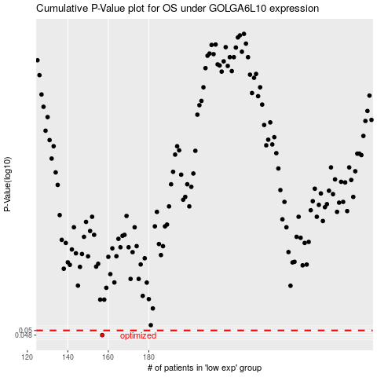

 |  |  |  |  |  | cases_OS | p_OS | rank | exp
 |  |  |  |  |  | 157 | 0.048 | 32 | -0.59508412042
 |  |  |  |  |  |  | cases_RFS | p_RFS | rank | exp
 |  |  |  |  |  |  | 156 | 0.048 | 191 | -0.59516881384

