GOLGA6L9 _multivariate
Reported by Tex Li-Hsing Chi. tex@gate.sinica.edu.tw 2019-08-19

Table 2. The clinicopathological features of HNSCC cohort and GOLGA6L9 expression. (Chi square test)
Cutoff at -0.189 (59.7%)
 |  | GOLGA6L9 expression |  | GOLGA6L9 expression |  | (Optimised)
 | Features | Low | (%) | High | (%) | Case no | P-value | Remark | Matthews
Gender | Female | 178 | 42.9 | 128 | 30.8 | 415 | 0.41 | 0 | 0
2 | Male | 69 | 16.6 | 40 | 9.6
Age at diagnosis | <=65y | 157 | 37.8 | 117 | 28.2 | 415 | 0.2388 | 0 | 0
4 | >65y | 90 | 21.7 | 51 | 12.3
Clinical T Status | T1+T2 | 92 | 22.2 | 57 | 13.7 | 415 | 0.5569 | 0 | 0
6 | T3+T4 | 155 | 37.3 | 111 | 26.7
Clinical N Status | N0 | 122 | 29.4 | 94 | 22.7 | 415 | 0.2252 | 0 | 0
8 | N1-3 | 125 | 30.1 | 74 | 17.8
Clinical M Status | M0 | 246 | 59.3 | 166 | 40 | 415 | 0.5684 | 0 | 0
10 | M1 | 1 | 0.2 | 2 | 0.5
Clinical Stage | Stage I+II | 66 | 15.9 | 36 | 8.7 | 415 | 0.2657 | 0 | 0
12 | Stage III+IV | 181 | 43.6 | 132 | 31.8
Surgical Margin status | Negative | 196 | 47.2 | 122 | 29.4 | 415 | 0.1249 | 0 | 0
14 | Positive | 51 | 12.3 | 46 | 11.1
Tobacco Exposure | Low | 97 | 23.4 | 64 | 15.4 | 415 | 0.8378 | 0 | 0
16 | High | 150 | 36.1 | 104 | 25.1

Table 3. Univariate/Multivariate Cox's proportional hazards regression analyses on OS time of GOLGA6L9 gene expression in HNSCC

 |  | Univariate |  |  |  | Multivariate
 | Features | HR | CI95%(L) | CI95%(H) | P-value | HR | CI95%(L) | CI95%(H) | P-value
1 | Female | 1 |  |  |  | 1
Gender | Male | 1.157 | 0.843 | 1.587 | 0.367 | 1.219 | 0.873 | 1.701 | 0.245
11 | <=65y | 1 |  |  |  | 1
Age at diagnosis | >65y | 1.329 | 0.99 | 1.784 | 0.058 | 1.35 | 0.992 | 1.837 | 0.056
12 | T1+T2 | 1 |  |  |  | 1
Clinical T Status | T3+T4 | 1.409 | 1.028 | 1.931 | 0.033 | 2.14 | 1.133 | 4.042 | 0.019
13 | N0 | 1 |  |  |  | 1
Clinical N Status | N1-3 | 1.185 | 0.89 | 1.577 | 0.246 | 1.161 | 0.812 | 1.659 | 0.412
14 | M0 | 1 |  |  |  | 1
Clinical M Status | M1 | 4.097 | 1.009 | 16.644 | 0.049 | 10.333 | 2.248 | 47.492 | 0.003
15 | Stage I+II | 1 |  |  |  | 1
Clinical Stage | Stage III+IV | 1.245 | 0.882 | 1.759 | 0.213 | 0.552 | 0.257 | 1.187 | 0.128
16 | Negative | 1 |  |  |  | 1
Surgical Margin status | Positive | 1.591 | 1.155 | 2.191 | 0.004 | 1.757 | 1.27 | 2.432 | 0.001
17 | Low | 1 |  |  |  | 1
Tobacco Exposure | High | 1.364 | 1.008 | 1.844 | 0.044 | 1.555 | 1.123 | 2.153 | 0.008
18 | Low | 1 |  |  |  | 1
RNAseq(z-score) | High | 0.65 | 0.476 | 0.887 | 0.007 | 0.614 | 0.446 | 0.844 | 0.003

Table 4. Univariate/Multivariate Cox's proportional hazards regression analyses on RFS time of GOLGA6L9 gene expression in HNSCC

 |  | Univariate |  |  |  | Multivariate
 | Features | HR | CI95%(L) | CI95%(H) | P-value | HR | CI95%(L) | CI95%(H) | P-value
1 | Female | 1 |  |  |  | 1
Gender | Male | 1.157 | 0.843 | 1.587 | 0.367 | 1.219 | 0.873 | 1.701 | 0.245
11 | <=65y | 1 |  |  |  | 1
Age at diagnosis | >65y | 1.329 | 0.99 | 1.784 | 0.058 | 1.35 | 0.992 | 1.837 | 0.056
12 | T1+T2 | 1 |  |  |  | 1
Clinical T Status | T3+T4 | 1.409 | 1.028 | 1.931 | 0.033 | 2.14 | 1.133 | 4.042 | 0.019
13 | N0 | 1 |  |  |  | 1
Clinical N Status | N1-3 | 1.185 | 0.89 | 1.577 | 0.246 | 1.161 | 0.812 | 1.659 | 0.412
14 | M0 | 1 |  |  |  | 1
Clinical M Status | M1 | 4.097 | 1.009 | 16.644 | 0.049 | 10.333 | 2.248 | 47.492 | 0.003
15 | Stage I+II | 1 |  |  |  | 1
Clinical Stage | Stage III+IV | 1.245 | 0.882 | 1.759 | 0.213 | 0.552 | 0.257 | 1.187 | 0.128
16 | Negative | 1 |  |  |  | 1
Surgical Margin status | Positive | 1.591 | 1.155 | 2.191 | 0.004 | 1.757 | 1.27 | 2.432 | 0.001
17 | Low | 1 |  |  |  | 1
Tobacco Exposure | High | 1.364 | 1.008 | 1.844 | 0.044 | 1.555 | 1.123 | 2.153 | 0.008
18 | Low | 1 |  |  |  | 1
RNAseq(z-score) | High | 0.65 | 0.476 | 0.887 | 0.007 | 0.614 | 0.446 | 0.844 | 0.003

Kaplan-Meier survival estimate: Cutoff at -0.189 (59.7%)

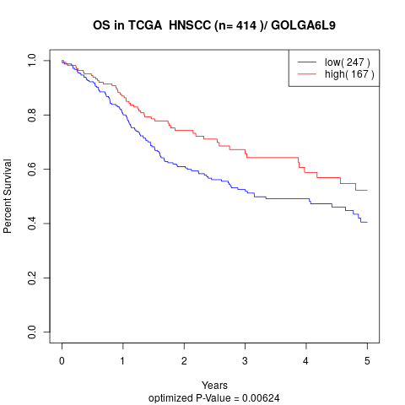

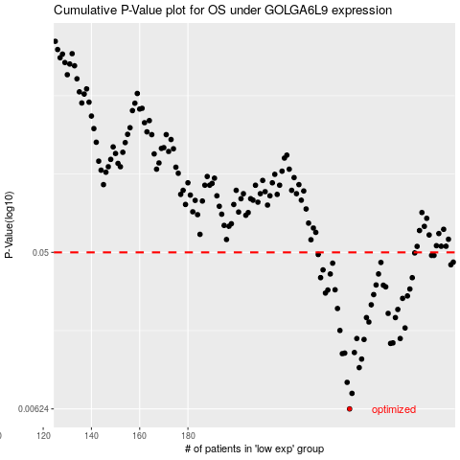

 |  |  |  |  |  | cases_OS | p_OS | rank | exp
 |  |  |  |  |  | 247 | 0.00624 | 134 | -0.18923280794
 |  |  |  |  |  | 248 | 0.00767 | 182 | -0.17099522597
 |  |  |  |  |  | 246 | 0.00888 | 387 | -0.1953192477
 |  |  |  |  |  | 251 | 0.0108 | 147 | -0.16385332028
 |  |  |  |  |  | 252 | 0.0121 | 400 | -0.15134150015
 |  |  |  |  |  | 244 | 0.013 | 342 | -0.20187344162
 |  |  |  |  |  | 245 | 0.0131 | 283 | -0.20101924683
 |  |  |  |  |  | 249 | 0.0132 | 15 | -0.16805103151
 |  |  |  |  |  | 264 | 0.0149 | 358 | -0.097361381246
 |  |  |  |  |  | 265 | 0.015 | 120 | -0.097216466013
 |  |  |  |  |  | 253 | 0.0157 | 51 | -0.14552395866
 |  |  |  |  |  | 268 | 0.0159 | 175 | -0.070743673431
 |  |  |  |  |  | 250 | 0.0159 | 276 | -0.16391209146
 |  |  |  |  |  | 243 | 0.0177 | 125 | -0.20307221262
 |  |  |  |  |  | 270 | 0.0183 | 232 | -0.064571894709
 |  |  |  |  |  | 255 | 0.0198 | 152 | -0.1347833247
 |  |  |  |  |  | 254 | 0.021 | 280 | -0.13893273085
 |  |  |  |  |  | 266 | 0.021 | 359 | -0.094057313952
 |  |  |  |  |  | 263 | 0.0222 | 398 | -0.099778245285
 |  |  |  |  |  | 267 | 0.0234 | 21 | -0.07955129921
 |  |  |  |  |  | 242 | 0.0237 | 385 | -0.20452136494
 |  |  |  |  |  | 256 | 0.0249 | 351 | -0.13242845218
 |  |  |  |  |  | 269 | 0.0271 | 99 | -0.068644012734
 |  |  |  |  |  | 271 | 0.028 | 393 | -0.062175157786
 |  |  |  |  |  | 257 | 0.0285 | 367 | -0.11777108153
 |  |  |  |  |  | 237 | 0.0291 | 145 | -0.22729398859
 |  |  |  |  |  | 238 | 0.0303 | 84 | -0.22128242171
 |  |  |  |  |  | 241 | 0.0304 | 369 | -0.20767246616
 |  |  |  |  |  | 272 | 0.0307 | 295 | -0.054824735175
 |  |  |  |  |  | 262 | 0.0316 | 213 | -0.10820989654
 |  |  |  |  |  | 261 | 0.0323 | 179 | -0.10948676076
 |  |  |  |  |  | 258 | 0.0324 | 96 | -0.1158565903
 |  |  |  |  |  | 273 | 0.0357 | 272 | -0.037889780125
 |  |  |  |  |  | 235 | 0.0357 | 346 | -0.23560407208
 |  |  |  |  |  | 259 | 0.0375 | 311 | -0.11279646364
 |  |  |  |  |  | 239 | 0.0375 | 341 | -0.21613068521
 |  |  |  |  |  | 236 | 0.0396 | 308 | -0.23545915684
 |  |  |  |  |  | 289 | 0.0424 | 197 | 0.079787024005
 |  |  |  |  |  | 240 | 0.0433 | 413 | -0.2157700073
 |  |  |  |  |  | 260 | 0.0437 | 207 | -0.11160976891
 |  |  |  |  |  | 290 | 0.0439 | 309 | 0.082518676131
 |  |  |  |  |  | 282 | 0.048 | 101 | 0.039829869067
 |  |  |  |  |  | 281 | 0.048 | 333 | 0.026322159258
 |  |  |  |  |  | 234 | 0.0486 | 196 | -0.24097157126
 |  |  |  |  |  | 274 | 0.0496 | 348 | -0.029343001764
 |  |  |  |  |  |  | cases_RFS | p_RFS | rank | exp
 |  |  |  |  |  |  | 246 | 0.00624 | 387 | -0.1953192477
 |  |  |  |  |  |  | 247 | 0.00767 | 134 | -0.18923280794
 |  |  |  |  |  |  | 245 | 0.00888 | 283 | -0.20101924683
 |  |  |  |  |  |  | 250 | 0.0108 | 276 | -0.16391209146
 |  |  |  |  |  |  | 251 | 0.0121 | 147 | -0.16385332028
 |  |  |  |  |  |  | 243 | 0.013 | 125 | -0.20307221262
 |  |  |  |  |  |  | 244 | 0.0131 | 342 | -0.20187344162
 |  |  |  |  |  |  | 248 | 0.0132 | 182 | -0.17099522597
 |  |  |  |  |  |  | 263 | 0.0149 | 398 | -0.099778245285
 |  |  |  |  |  |  | 264 | 0.015 | 358 | -0.097361381246
 |  |  |  |  |  |  | 252 | 0.0157 | 400 | -0.15134150015
 |  |  |  |  |  |  | 249 | 0.0159 | 15 | -0.16805103151
 |  |  |  |  |  |  | 267 | 0.0159 | 21 | -0.07955129921
 |  |  |  |  |  |  | 242 | 0.0177 | 385 | -0.20452136494
 |  |  |  |  |  |  | 269 | 0.0183 | 99 | -0.068644012734
 |  |  |  |  |  |  | 254 | 0.0198 | 280 | -0.13893273085
 |  |  |  |  |  |  | 253 | 0.021 | 51 | -0.14552395866
 |  |  |  |  |  |  | 265 | 0.021 | 120 | -0.097216466013
 |  |  |  |  |  |  | 262 | 0.0222 | 213 | -0.10820989654
 |  |  |  |  |  |  | 266 | 0.0234 | 359 | -0.094057313952
 |  |  |  |  |  |  | 241 | 0.0237 | 369 | -0.20767246616
 |  |  |  |  |  |  | 255 | 0.0249 | 152 | -0.1347833247
 |  |  |  |  |  |  | 268 | 0.0271 | 175 | -0.070743673431
 |  |  |  |  |  |  | 270 | 0.028 | 232 | -0.064571894709
 |  |  |  |  |  |  | 256 | 0.0285 | 351 | -0.13242845218
 |  |  |  |  |  |  | 236 | 0.0291 | 308 | -0.23545915684
 |  |  |  |  |  |  | 237 | 0.0303 | 145 | -0.22729398859
 |  |  |  |  |  |  | 240 | 0.0304 | 413 | -0.2157700073
 |  |  |  |  |  |  | 271 | 0.0307 | 393 | -0.062175157786
 |  |  |  |  |  |  | 261 | 0.0316 | 179 | -0.10948676076
 |  |  |  |  |  |  | 260 | 0.0323 | 207 | -0.11160976891
 |  |  |  |  |  |  | 257 | 0.0324 | 367 | -0.11777108153
 |  |  |  |  |  |  | 234 | 0.0357 | 196 | -0.24097157126
 |  |  |  |  |  |  | 272 | 0.0357 | 295 | -0.054824735175
 |  |  |  |  |  |  | 238 | 0.0375 | 84 | -0.22128242171
 |  |  |  |  |  |  | 258 | 0.0375 | 96 | -0.1158565903
 |  |  |  |  |  |  | 235 | 0.0396 | 346 | -0.23560407208
 |  |  |  |  |  |  | 288 | 0.0424 | 222 | 0.076567490596
 |  |  |  |  |  |  | 239 | 0.0433 | 341 | -0.21613068521
 |  |  |  |  |  |  | 259 | 0.0437 | 311 | -0.11279646364
 |  |  |  |  |  |  | 289 | 0.0439 | 197 | 0.079787024005
 |  |  |  |  |  |  | 280 | 0.048 | 253 | 0.025220803493
 |  |  |  |  |  |  | 281 | 0.048 | 333 | 0.026322159258
 |  |  |  |  |  |  | 233 | 0.0486 | 379 | -0.24464758765
 |  |  |  |  |  |  | 273 | 0.0496 | 272 | -0.037889780125

