GOLGB1 _multivariate
Reported by Tex Li-Hsing Chi. tex@gate.sinica.edu.tw 2019-08-19

Table 2. The clinicopathological features of HNSCC cohort and GOLGB1 expression. (Chi square test)
Cutoff at -0.173 (49.8%)
 |  | GOLGB1 expression |  | GOLGB1 expression |  | (Optimised)
 | Features | Low | (%) | High | (%) | Case no | P-value | Remark | Matthews
Gender | Female | 144 | 34.7 | 162 | 39 | 415 | 0.0697 | 0 | 0
2 | Male | 63 | 15.2 | 46 | 11.1
Age at diagnosis | <=65y | 136 | 32.8 | 138 | 33.3 | 415 | 0.9719 | 0 | 0
4 | >65y | 71 | 17.1 | 70 | 16.9
Clinical T Status | T1+T2 | 75 | 18.1 | 74 | 17.8 | 415 | 0.9707 | 0 | 0
6 | T3+T4 | 132 | 31.8 | 134 | 32.3
Clinical N Status | N0 | 111 | 26.7 | 105 | 25.3 | 415 | 0.5875 | 0 | 0
8 | N1-3 | 96 | 23.1 | 103 | 24.8
Clinical M Status | M0 | 205 | 49.4 | 207 | 49.9 | 415 | 0.6232 | 0 | 0
10 | M1 | 2 | 0.5 | 1 | 0.2
Clinical Stage | Stage I+II | 55 | 13.3 | 47 | 11.3 | 415 | 0.4087 | 0 | 0
12 | Stage III+IV | 152 | 36.6 | 161 | 38.8
Surgical Margin status | Negative | 157 | 37.8 | 161 | 38.8 | 415 | 0.729 | 0 | 0
14 | Positive | 50 | 12 | 47 | 11.3
Tobacco Exposure | Low | 90 | 21.7 | 71 | 17.1 | 415 | 0.0559 | 0 | 0
16 | High | 117 | 28.2 | 137 | 33

Table 3. Univariate/Multivariate Cox's proportional hazards regression analyses on OS time of GOLGB1 gene expression in HNSCC

 |  | Univariate |  |  |  | Multivariate
 | Features | HR | CI95%(L) | CI95%(H) | P-value | HR | CI95%(L) | CI95%(H) | P-value
1 | Female | 1 |  |  |  | 1
Gender | Male | 1.157 | 0.843 | 1.587 | 0.367 | 1.181 | 0.843 | 1.655 | 0.333
11 | <=65y | 1 |  |  |  | 1
Age at diagnosis | >65y | 1.329 | 0.99 | 1.784 | 0.058 | 1.407 | 1.034 | 1.916 | 0.03
12 | T1+T2 | 1 |  |  |  | 1
Clinical T Status | T3+T4 | 1.409 | 1.028 | 1.931 | 0.033 | 2.174 | 1.149 | 4.112 | 0.017
13 | N0 | 1 |  |  |  | 1
Clinical N Status | N1-3 | 1.185 | 0.89 | 1.577 | 0.246 | 1.248 | 0.874 | 1.781 | 0.223
14 | M0 | 1 |  |  |  | 1
Clinical M Status | M1 | 4.097 | 1.009 | 16.644 | 0.049 | 8.893 | 1.929 | 40.989 | 0.005
15 | Stage I+II | 1 |  |  |  | 1
Clinical Stage | Stage III+IV | 1.245 | 0.882 | 1.759 | 0.213 | 0.514 | 0.239 | 1.105 | 0.088
16 | Negative | 1 |  |  |  | 1
Surgical Margin status | Positive | 1.591 | 1.155 | 2.191 | 0.004 | 1.662 | 1.203 | 2.297 | 0.002
17 | Low | 1 |  |  |  | 1
Tobacco Exposure | High | 1.364 | 1.008 | 1.844 | 0.044 | 1.475 | 1.068 | 2.037 | 0.018
18 | Low | 1 |  |  |  | 1
RNAseq(z-score) | High | 0.88 | 0.661 | 1.173 | 0.384 | 0.881 | 0.656 | 1.183 | 0.4

Table 4. Univariate/Multivariate Cox's proportional hazards regression analyses on RFS time of GOLGB1 gene expression in HNSCC

 |  | Univariate |  |  |  | Multivariate
 | Features | HR | CI95%(L) | CI95%(H) | P-value | HR | CI95%(L) | CI95%(H) | P-value
1 | Female | 1 |  |  |  | 1
Gender | Male | 1.157 | 0.843 | 1.587 | 0.367 | 1.181 | 0.843 | 1.655 | 0.333
11 | <=65y | 1 |  |  |  | 1
Age at diagnosis | >65y | 1.329 | 0.99 | 1.784 | 0.058 | 1.407 | 1.034 | 1.916 | 0.03
12 | T1+T2 | 1 |  |  |  | 1
Clinical T Status | T3+T4 | 1.409 | 1.028 | 1.931 | 0.033 | 2.174 | 1.149 | 4.112 | 0.017
13 | N0 | 1 |  |  |  | 1
Clinical N Status | N1-3 | 1.185 | 0.89 | 1.577 | 0.246 | 1.248 | 0.874 | 1.781 | 0.223
14 | M0 | 1 |  |  |  | 1
Clinical M Status | M1 | 4.097 | 1.009 | 16.644 | 0.049 | 8.893 | 1.929 | 40.989 | 0.005
15 | Stage I+II | 1 |  |  |  | 1
Clinical Stage | Stage III+IV | 1.245 | 0.882 | 1.759 | 0.213 | 0.514 | 0.239 | 1.105 | 0.088
16 | Negative | 1 |  |  |  | 1
Surgical Margin status | Positive | 1.591 | 1.155 | 2.191 | 0.004 | 1.662 | 1.203 | 2.297 | 0.002
17 | Low | 1 |  |  |  | 1
Tobacco Exposure | High | 1.364 | 1.008 | 1.844 | 0.044 | 1.475 | 1.068 | 2.037 | 0.018
18 | Low | 1 |  |  |  | 1
RNAseq(z-score) | High | 0.88 | 0.661 | 1.173 | 0.384 | 0.881 | 0.656 | 1.183 | 0.4

Kaplan-Meier survival estimate: Cutoff at -0.173 (49.8%)



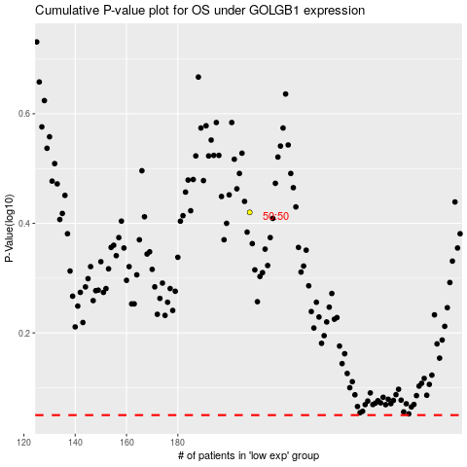

 |  |  |  |  |  | cases_OS | p_OS | rank | exp
 |  |  |  |  |  |  | cases_RFS | p_RFS | rank | exp

