GOLT1B _multivariate
Reported by Tex Li-Hsing Chi. tex@gate.sinica.edu.tw 2019-08-19

Table 2. The clinicopathological features of HNSCC cohort and GOLT1B expression. (Chi square test)
Cutoff at -0.258 (35.0%)
 |  | GOLT1B expression |  | GOLT1B expression |  | (Optimised)
 | Features | Low | (%) | High | (%) | Case no | P-value | Remark | Matthews
Gender | Female | 101 | 24.3 | 205 | 49.4 | 415 | 0.2051 | 0 | 0
2 | Male | 44 | 10.6 | 65 | 15.7
Age at diagnosis | <=65y | 97 | 23.4 | 177 | 42.7 | 415 | 0.8679 | 0 | 0
4 | >65y | 48 | 11.6 | 93 | 22.4
Clinical T Status | T1+T2 | 53 | 12.8 | 96 | 23.1 | 415 | 0.9248 | 0 | 0
6 | T3+T4 | 92 | 22.2 | 174 | 41.9
Clinical N Status | N0 | 80 | 19.3 | 136 | 32.8 | 415 | 0.4062 | 0 | 0
8 | N1-3 | 65 | 15.7 | 134 | 32.3
Clinical M Status | M0 | 144 | 34.7 | 268 | 64.6 | 415 | 1 | 0 | 0
10 | M1 | 1 | 0.2 | 2 | 0.5
Clinical Stage | Stage I+II | 30 | 7.2 | 72 | 17.3 | 415 | 0.2192 | 0 | 0
12 | Stage III+IV | 115 | 27.7 | 198 | 47.7
Surgical Margin status | Negative | 114 | 27.5 | 204 | 49.2 | 415 | 0.5435 | 0 | 0
14 | Positive | 31 | 7.5 | 66 | 15.9
Tobacco Exposure | Low | 61 | 14.7 | 100 | 24.1 | 415 | 0.3423 | 0 | 0
16 | High | 84 | 20.2 | 170 | 41

Table 3. Univariate/Multivariate Cox's proportional hazards regression analyses on OS time of GOLT1B gene expression in HNSCC

 |  | Univariate |  |  |  | Multivariate
 | Features | HR | CI95%(L) | CI95%(H) | P-value | HR | CI95%(L) | CI95%(H) | P-value
1 | Female | 1 |  |  |  | 1
Gender | Male | 1.157 | 0.843 | 1.587 | 0.367 | 1.24 | 0.886 | 1.736 | 0.21
11 | <=65y | 1 |  |  |  | 1
Age at diagnosis | >65y | 1.329 | 0.99 | 1.784 | 0.058 | 1.395 | 1.027 | 1.895 | 0.033
12 | T1+T2 | 1 |  |  |  | 1
Clinical T Status | T3+T4 | 1.409 | 1.028 | 1.931 | 0.033 | 2.101 | 1.11 | 3.975 | 0.023
13 | N0 | 1 |  |  |  | 1
Clinical N Status | N1-3 | 1.185 | 0.89 | 1.577 | 0.246 | 1.201 | 0.84 | 1.716 | 0.315
14 | M0 | 1 |  |  |  | 1
Clinical M Status | M1 | 4.097 | 1.009 | 16.644 | 0.049 | 9.147 | 1.996 | 41.922 | 0.004
15 | Stage I+II | 1 |  |  |  | 1
Clinical Stage | Stage III+IV | 1.245 | 0.882 | 1.759 | 0.213 | 0.566 | 0.262 | 1.225 | 0.149
16 | Negative | 1 |  |  |  | 1
Surgical Margin status | Positive | 1.591 | 1.155 | 2.191 | 0.004 | 1.653 | 1.197 | 2.283 | 0.002
17 | Low | 1 |  |  |  | 1
Tobacco Exposure | High | 1.364 | 1.008 | 1.844 | 0.044 | 1.413 | 1.025 | 1.947 | 0.035
18 | Low | 1 |  |  |  | 1
RNAseq(z-score) | High | 1.46 | 1.067 | 1.998 | 0.018 | 1.423 | 1.034 | 1.958 | 0.03

Table 4. Univariate/Multivariate Cox's proportional hazards regression analyses on RFS time of GOLT1B gene expression in HNSCC

 |  | Univariate |  |  |  | Multivariate
 | Features | HR | CI95%(L) | CI95%(H) | P-value | HR | CI95%(L) | CI95%(H) | P-value
1 | Female | 1 |  |  |  | 1
Gender | Male | 1.157 | 0.843 | 1.587 | 0.367 | 1.24 | 0.886 | 1.736 | 0.21
11 | <=65y | 1 |  |  |  | 1
Age at diagnosis | >65y | 1.329 | 0.99 | 1.784 | 0.058 | 1.395 | 1.027 | 1.895 | 0.033
12 | T1+T2 | 1 |  |  |  | 1
Clinical T Status | T3+T4 | 1.409 | 1.028 | 1.931 | 0.033 | 2.101 | 1.11 | 3.975 | 0.023
13 | N0 | 1 |  |  |  | 1
Clinical N Status | N1-3 | 1.185 | 0.89 | 1.577 | 0.246 | 1.201 | 0.84 | 1.716 | 0.315
14 | M0 | 1 |  |  |  | 1
Clinical M Status | M1 | 4.097 | 1.009 | 16.644 | 0.049 | 9.147 | 1.996 | 41.922 | 0.004
15 | Stage I+II | 1 |  |  |  | 1
Clinical Stage | Stage III+IV | 1.245 | 0.882 | 1.759 | 0.213 | 0.566 | 0.262 | 1.225 | 0.149
16 | Negative | 1 |  |  |  | 1
Surgical Margin status | Positive | 1.591 | 1.155 | 2.191 | 0.004 | 1.653 | 1.197 | 2.283 | 0.002
17 | Low | 1 |  |  |  | 1
Tobacco Exposure | High | 1.364 | 1.008 | 1.844 | 0.044 | 1.413 | 1.025 | 1.947 | 0.035
18 | Low | 1 |  |  |  | 1
RNAseq(z-score) | High | 1.46 | 1.067 | 1.998 | 0.018 | 1.423 | 1.034 | 1.958 | 0.03

Kaplan-Meier survival estimate: Cutoff at -0.258 (35.0%)

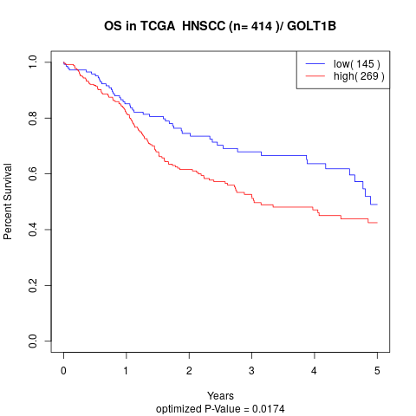

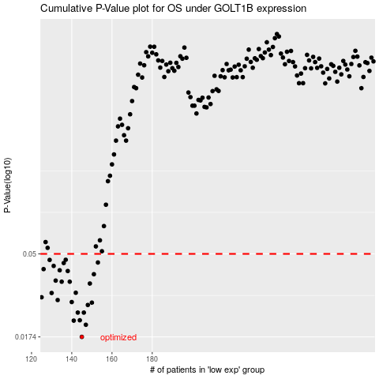

 |  |  |  |  |  | cases_OS | p_OS | rank | exp
 |  |  |  |  |  | 145 | 0.0174 | 23 | -0.25751238222
 |  |  |  |  |  | 147 | 0.0203 | 260 | -0.25418433182
 |  |  |  |  |  | 141 | 0.0214 | 261 | -0.26423344646
 |  |  |  |  |  | 144 | 0.0215 | 286 | -0.25758673663
 |  |  |  |  |  | 146 | 0.0237 | 5 | -0.25676784377
 |  |  |  |  |  | 143 | 0.0237 | 332 | -0.26239314717
 |  |  |  |  |  | 148 | 0.0261 | 373 | -0.25271801422
 |  |  |  |  |  | 150 | 0.0269 | 99 | -0.24647986696
 |  |  |  |  |  | 140 | 0.0271 | 121 | -0.26905234147
 |  |  |  |  |  | 133 | 0.0278 | 349 | -0.28368601872
 |  |  |  |  |  | 125 | 0.0288 | 285 | -0.29599857886
 |  |  |  |  |  | 130 | 0.0304 | 389 | -0.28694258725
 |  |  |  |  |  | 142 | 0.0305 | 71 | -0.26244529469
 |  |  |  |  |  | 149 | 0.0343 | 166 | -0.24681319127
 |  |  |  |  |  | 139 | 0.0351 | 109 | -0.27156591829
 |  |  |  |  |  | 135 | 0.0351 | 161 | -0.27805331303
 |  |  |  |  |  | 132 | 0.0356 | 141 | -0.28429146029
 |  |  |  |  |  | 151 | 0.0386 | 297 | -0.24615814327
 |  |  |  |  |  | 138 | 0.0402 | 103 | -0.27198155172
 |  |  |  |  |  | 134 | 0.0406 | 295 | -0.28018583731
 |  |  |  |  |  | 126 | 0.0412 | 344 | -0.29481332757
 |  |  |  |  |  | 131 | 0.0429 | 329 | -0.28477371438
 |  |  |  |  |  | 136 | 0.0445 | 10 | -0.27731827603
 |  |  |  |  |  | 153 | 0.0448 | 62 | -0.24439131454
 |  |  |  |  |  | 129 | 0.0463 | 183 | -0.28740407072
 |  |  |  |  |  | 137 | 0.0464 | 96 | -0.27357845908
 |  |  |  |  |  |  | cases_RFS | p_RFS | rank | exp
 |  |  |  |  |  |  | 144 | 0.0174 | 286 | -0.25758673663
 |  |  |  |  |  |  | 146 | 0.0203 | 5 | -0.25676784377
 |  |  |  |  |  |  | 140 | 0.0214 | 121 | -0.26905234147
 |  |  |  |  |  |  | 143 | 0.0215 | 332 | -0.26239314717
 |  |  |  |  |  |  | 145 | 0.0237 | 23 | -0.25751238222
 |  |  |  |  |  |  | 142 | 0.0237 | 71 | -0.26244529469
 |  |  |  |  |  |  | 147 | 0.0261 | 260 | -0.25418433182
 |  |  |  |  |  |  | 149 | 0.0269 | 166 | -0.24681319127
 |  |  |  |  |  |  | 139 | 0.0271 | 109 | -0.27156591829
 |  |  |  |  |  |  | 132 | 0.0278 | 141 | -0.28429146029
 |  |  |  |  |  |  |  | 0.0288 | 365 | -0.30022098135
 |  |  |  |  |  |  | 129 | 0.0304 | 183 | -0.28740407072
 |  |  |  |  |  |  | 141 | 0.0305 | 261 | -0.26423344646
 |  |  |  |  |  |  | 148 | 0.0343 | 373 | -0.25271801422
 |  |  |  |  |  |  | 138 | 0.0351 | 103 | -0.27198155172
 |  |  |  |  |  |  | 134 | 0.0351 | 295 | -0.28018583731
 |  |  |  |  |  |  | 131 | 0.0356 | 329 | -0.28477371438
 |  |  |  |  |  |  | 150 | 0.0386 | 99 | -0.24647986696
 |  |  |  |  |  |  | 137 | 0.0402 | 96 | -0.27357845908
 |  |  |  |  |  |  | 133 | 0.0406 | 349 | -0.28368601872
 |  |  |  |  |  |  | 125 | 0.0412 | 285 | -0.29599857886
 |  |  |  |  |  |  | 130 | 0.0429 | 389 | -0.28694258725
 |  |  |  |  |  |  | 135 | 0.0445 | 161 | -0.27805331303
 |  |  |  |  |  |  | 152 | 0.0448 | 130 | -0.24603871219
 |  |  |  |  |  |  | 128 | 0.0463 | 39 | -0.2891367605
 |  |  |  |  |  |  | 136 | 0.0464 | 10 | -0.27731827603

