GOSR2 _multivariate
Reported by Tex Li-Hsing Chi. tex@gate.sinica.edu.tw 2019-08-19

Table 2. The clinicopathological features of HNSCC cohort and GOSR2 expression. (Chi square test)
Cutoff at -0.103 (50.0%)
 |  | GOSR2 expression |  | GOSR2 expression |  | (Optimised)
 | Features | Low | (%) | High | (%) | Case no | P-value | Remark | Matthews
Gender | Female | 155 | 37.3 | 151 | 36.4 | 415 | 0.6768 | 0 | 0
2 | Male | 52 | 12.5 | 57 | 13.7
Age at diagnosis | <=65y | 137 | 33 | 137 | 33 | 415 | 1 | 0 | 0
4 | >65y | 70 | 16.9 | 71 | 17.1
Clinical T Status | T1+T2 | 71 | 17.1 | 78 | 18.8 | 415 | 0.5638 | 0 | 0
6 | T3+T4 | 136 | 32.8 | 130 | 31.3
Clinical N Status | N0 | 112 | 27 | 104 | 25.1 | 415 | 0.4599 | 0 | 0
8 | N1-3 | 95 | 22.9 | 104 | 25.1
Clinical M Status | M0 | 207 | 49.9 | 205 | 49.4 | 415 | 0.2482 | 0 | 0
10 | M1 | 0 | 0 | 3 | 0.7
Clinical Stage | Stage I+II | 48 | 11.6 | 54 | 13 | 415 | 0.5878 | 0 | 0
12 | Stage III+IV | 159 | 38.3 | 154 | 37.1
Surgical Margin status | Negative | 160 | 38.6 | 158 | 38.1 | 415 | 0.8167 | 0 | 0
14 | Positive | 47 | 11.3 | 50 | 12
Tobacco Exposure | Low | 86 | 20.7 | 75 | 18.1 | 415 | 0.2687 | 0 | 0
16 | High | 121 | 29.2 | 133 | 32

Table 3. Univariate/Multivariate Cox's proportional hazards regression analyses on OS time of GOSR2 gene expression in HNSCC

 |  | Univariate |  |  |  | Multivariate
 | Features | HR | CI95%(L) | CI95%(H) | P-value | HR | CI95%(L) | CI95%(H) | P-value
1 | Female | 1 |  |  |  | 1
Gender | Male | 1.157 | 0.843 | 1.587 | 0.367 | 1.198 | 0.857 | 1.673 | 0.291
11 | <=65y | 1 |  |  |  | 1
Age at diagnosis | >65y | 1.329 | 0.99 | 1.784 | 0.058 | 1.381 | 1.015 | 1.879 | 0.04
12 | T1+T2 | 1 |  |  |  | 1
Clinical T Status | T3+T4 | 1.409 | 1.028 | 1.931 | 0.033 | 2.203 | 1.166 | 4.165 | 0.015
13 | N0 | 1 |  |  |  | 1
Clinical N Status | N1-3 | 1.185 | 0.89 | 1.577 | 0.246 | 1.241 | 0.87 | 1.77 | 0.234
14 | M0 | 1 |  |  |  | 1
Clinical M Status | M1 | 4.097 | 1.009 | 16.644 | 0.049 | 8.896 | 1.925 | 41.097 | 0.005
15 | Stage I+II | 1 |  |  |  | 1
Clinical Stage | Stage III+IV | 1.245 | 0.882 | 1.759 | 0.213 | 0.512 | 0.238 | 1.099 | 0.086
16 | Negative | 1 |  |  |  | 1
Surgical Margin status | Positive | 1.591 | 1.155 | 2.191 | 0.004 | 1.674 | 1.211 | 2.312 | 0.002
17 | Low | 1 |  |  |  | 1
Tobacco Exposure | High | 1.364 | 1.008 | 1.844 | 0.044 | 1.448 | 1.051 | 1.996 | 0.024
18 | Low | 1 |  |  |  | 1
RNAseq(z-score) | High | 1.127 | 0.844 | 1.505 | 0.416 | 1.109 | 0.826 | 1.488 | 0.491

Table 4. Univariate/Multivariate Cox's proportional hazards regression analyses on RFS time of GOSR2 gene expression in HNSCC

 |  | Univariate |  |  |  | Multivariate
 | Features | HR | CI95%(L) | CI95%(H) | P-value | HR | CI95%(L) | CI95%(H) | P-value
1 | Female | 1 |  |  |  | 1
Gender | Male | 1.157 | 0.843 | 1.587 | 0.367 | 1.198 | 0.857 | 1.673 | 0.291
11 | <=65y | 1 |  |  |  | 1
Age at diagnosis | >65y | 1.329 | 0.99 | 1.784 | 0.058 | 1.381 | 1.015 | 1.879 | 0.04
12 | T1+T2 | 1 |  |  |  | 1
Clinical T Status | T3+T4 | 1.409 | 1.028 | 1.931 | 0.033 | 2.203 | 1.166 | 4.165 | 0.015
13 | N0 | 1 |  |  |  | 1
Clinical N Status | N1-3 | 1.185 | 0.89 | 1.577 | 0.246 | 1.241 | 0.87 | 1.77 | 0.234
14 | M0 | 1 |  |  |  | 1
Clinical M Status | M1 | 4.097 | 1.009 | 16.644 | 0.049 | 8.896 | 1.925 | 41.097 | 0.005
15 | Stage I+II | 1 |  |  |  | 1
Clinical Stage | Stage III+IV | 1.245 | 0.882 | 1.759 | 0.213 | 0.512 | 0.238 | 1.099 | 0.086
16 | Negative | 1 |  |  |  | 1
Surgical Margin status | Positive | 1.591 | 1.155 | 2.191 | 0.004 | 1.674 | 1.211 | 2.312 | 0.002
17 | Low | 1 |  |  |  | 1
Tobacco Exposure | High | 1.364 | 1.008 | 1.844 | 0.044 | 1.448 | 1.051 | 1.996 | 0.024
18 | Low | 1 |  |  |  | 1
RNAseq(z-score) | High | 1.127 | 0.844 | 1.505 | 0.416 | 1.109 | 0.826 | 1.488 | 0.491

Kaplan-Meier survival estimate: Cutoff at -0.103 (50.0%)



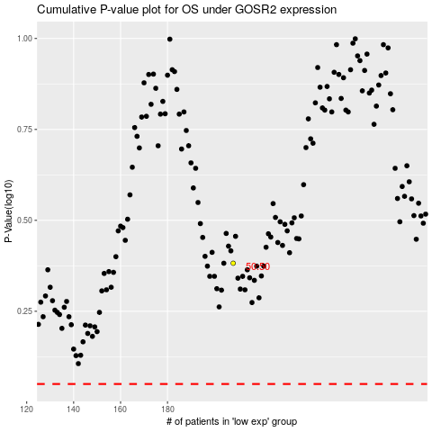

 |  |  |  |  |  | cases_OS | p_OS | rank | exp
 |  |  |  |  |  |  | cases_RFS | p_RFS | rank | exp

