GOT1 _multivariate
Reported by Tex Li-Hsing Chi. tex@gate.sinica.edu.tw 2019-08-19

Table 2. The clinicopathological features of HNSCC cohort and GOT1 expression. (Chi square test)
Cutoff at -0.088 (67.9%)
 |  | GOT1 expression |  | GOT1 expression |  | (Optimised)
 | Features | Low | (%) | High | (%) | Case no | P-value | Remark | Matthews
Gender | Female | 201 | 48.4 | 105 | 25.3 | 415 | 0.1242 | 0 | 0
2 | Male | 81 | 19.5 | 28 | 6.7
Age at diagnosis | <=65y | 183 | 44.1 | 91 | 21.9 | 415 | 0.5505 | 0 | 0
4 | >65y | 99 | 23.9 | 42 | 10.1
Clinical T Status | T1+T2 | 101 | 24.3 | 48 | 11.6 | 415 | 1 | 0 | 0
6 | T3+T4 | 181 | 43.6 | 85 | 20.5
Clinical N Status | N0 | 153 | 36.9 | 63 | 15.2 | 415 | 0.2281 | 0 | 0
8 | N1-3 | 129 | 31.1 | 70 | 16.9
Clinical M Status | M0 | 281 | 67.7 | 131 | 31.6 | 415 | 0.2417 | 0 | 0
10 | M1 | 1 | 0.2 | 2 | 0.5
Clinical Stage | Stage I+II | 75 | 18.1 | 27 | 6.5 | 415 | 0.2049 | 0 | 0
12 | Stage III+IV | 207 | 49.9 | 106 | 25.5
Surgical Margin status | Negative | 223 | 53.7 | 95 | 22.9 | 415 | 0.1058 | 0 | 0
14 | Positive | 59 | 14.2 | 38 | 9.2
Tobacco Exposure | Low | 118 | 28.4 | 43 | 10.4 | 415 | 0.0673 | 0 | 0
16 | High | 164 | 39.5 | 90 | 21.7

Table 3. Univariate/Multivariate Cox's proportional hazards regression analyses on OS time of GOT1 gene expression in HNSCC

 |  | Univariate |  |  |  | Multivariate
 | Features | HR | CI95%(L) | CI95%(H) | P-value | HR | CI95%(L) | CI95%(H) | P-value
1 | Female | 1 |  |  |  | 1
Gender | Male | 1.157 | 0.843 | 1.587 | 0.367 | 1.237 | 0.884 | 1.731 | 0.215
11 | <=65y | 1 |  |  |  | 1
Age at diagnosis | >65y | 1.329 | 0.99 | 1.784 | 0.058 | 1.391 | 1.023 | 1.891 | 0.035
12 | T1+T2 | 1 |  |  |  | 1
Clinical T Status | T3+T4 | 1.409 | 1.028 | 1.931 | 0.033 | 2.284 | 1.206 | 4.327 | 0.011
13 | N0 | 1 |  |  |  | 1
Clinical N Status | N1-3 | 1.185 | 0.89 | 1.577 | 0.246 | 1.217 | 0.853 | 1.738 | 0.279
14 | M0 | 1 |  |  |  | 1
Clinical M Status | M1 | 4.097 | 1.009 | 16.644 | 0.049 | 8.629 | 1.875 | 39.706 | 0.006
15 | Stage I+II | 1 |  |  |  | 1
Clinical Stage | Stage III+IV | 1.245 | 0.882 | 1.759 | 0.213 | 0.487 | 0.227 | 1.046 | 0.065
16 | Negative | 1 |  |  |  | 1
Surgical Margin status | Positive | 1.591 | 1.155 | 2.191 | 0.004 | 1.64 | 1.185 | 2.269 | 0.003
17 | Low | 1 |  |  |  | 1
Tobacco Exposure | High | 1.364 | 1.008 | 1.844 | 0.044 | 1.409 | 1.02 | 1.946 | 0.038
18 | Low | 1 |  |  |  | 1
RNAseq(z-score) | High | 1.381 | 1.019 | 1.872 | 0.038 | 1.327 | 0.968 | 1.817 | 0.078

Table 4. Univariate/Multivariate Cox's proportional hazards regression analyses on RFS time of GOT1 gene expression in HNSCC

 |  | Univariate |  |  |  | Multivariate
 | Features | HR | CI95%(L) | CI95%(H) | P-value | HR | CI95%(L) | CI95%(H) | P-value
1 | Female | 1 |  |  |  | 1
Gender | Male | 1.157 | 0.843 | 1.587 | 0.367 | 1.237 | 0.884 | 1.731 | 0.215
11 | <=65y | 1 |  |  |  | 1
Age at diagnosis | >65y | 1.329 | 0.99 | 1.784 | 0.058 | 1.391 | 1.023 | 1.891 | 0.035
12 | T1+T2 | 1 |  |  |  | 1
Clinical T Status | T3+T4 | 1.409 | 1.028 | 1.931 | 0.033 | 2.284 | 1.206 | 4.327 | 0.011
13 | N0 | 1 |  |  |  | 1
Clinical N Status | N1-3 | 1.185 | 0.89 | 1.577 | 0.246 | 1.217 | 0.853 | 1.738 | 0.279
14 | M0 | 1 |  |  |  | 1
Clinical M Status | M1 | 4.097 | 1.009 | 16.644 | 0.049 | 8.629 | 1.875 | 39.706 | 0.006
15 | Stage I+II | 1 |  |  |  | 1
Clinical Stage | Stage III+IV | 1.245 | 0.882 | 1.759 | 0.213 | 0.487 | 0.227 | 1.046 | 0.065
16 | Negative | 1 |  |  |  | 1
Surgical Margin status | Positive | 1.591 | 1.155 | 2.191 | 0.004 | 1.64 | 1.185 | 2.269 | 0.003
17 | Low | 1 |  |  |  | 1
Tobacco Exposure | High | 1.364 | 1.008 | 1.844 | 0.044 | 1.409 | 1.02 | 1.946 | 0.038
18 | Low | 1 |  |  |  | 1
RNAseq(z-score) | High | 1.381 | 1.019 | 1.872 | 0.038 | 1.327 | 0.968 | 1.817 | 0.078

Kaplan-Meier survival estimate: Cutoff at -0.088 (67.9%)



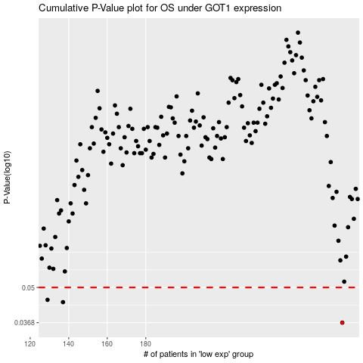

 |  |  |  |  |  | cases_OS | p_OS | rank | exp
 |  |  |  |  |  | 282 | 0.0368 | 287 | -0.087604278377
 |  |  |  |  |  | 137 | 0.044 | 208 | -0.39284095587
 |  |  |  |  |  | 129 | 0.0449 | 23 | -0.40695023455
 |  |  |  |  |  |  | cases_RFS | p_RFS | rank | exp
 |  |  |  |  |  |  | 281 | 0.0368 | 182 | -0.094641531844
 |  |  |  |  |  |  | 136 | 0.044 | 271 | -0.39445195844
 |  |  |  |  |  |  | 128 | 0.0449 | 205 | -0.40867431166

