GP6 _multivariate
Reported by Tex Li-Hsing Chi. tex@gate.sinica.edu.tw 2019-08-19

Table 2. The clinicopathological features of HNSCC cohort and GP6 expression. (Chi square test)
Cutoff at -0.155 (50.0%)
 |  | GP6 expression |  | GP6 expression |  | (Optimised)
 | Features | Low | (%) | High | (%) | Case no | P-value | Remark | Matthews
Gender | Female | 149 | 35.9 | 157 | 37.8 | 415 | 0.4848 | 0 | 0
2 | Male | 58 | 14 | 51 | 12.3
Age at diagnosis | <=65y | 138 | 33.3 | 136 | 32.8 | 415 | 0.8634 | 0 | 0
4 | >65y | 69 | 16.6 | 72 | 17.3
Clinical T Status | T1+T2 | 81 | 19.5 | 68 | 16.4 | 415 | 0.206 | 0 | 0
6 | T3+T4 | 126 | 30.4 | 140 | 33.7
Clinical N Status | N0 | 92 | 22.2 | 124 | 29.9 | 415 | 0.0027 | 1 | 0
8 | N1-3 | 115 | 27.7 | 84 | 20.2
Clinical M Status | M0 | 206 | 49.6 | 206 | 49.6 | 415 | 1 | 0 | 0
10 | M1 | 1 | 0.2 | 2 | 0.5
Clinical Stage | Stage I+II | 48 | 11.6 | 54 | 13 | 415 | 0.5878 | 0 | 0
12 | Stage III+IV | 159 | 38.3 | 154 | 37.1
Surgical Margin status | Negative | 156 | 37.6 | 162 | 39 | 415 | 0.5636 | 0 | 0
14 | Positive | 51 | 12.3 | 46 | 11.1
Tobacco Exposure | Low | 79 | 19 | 82 | 19.8 | 415 | 0.8405 | 0 | 0
16 | High | 128 | 30.8 | 126 | 30.4

Table 3. Univariate/Multivariate Cox's proportional hazards regression analyses on OS time of GP6 gene expression in HNSCC

 |  | Univariate |  |  |  | Multivariate
 | Features | HR | CI95%(L) | CI95%(H) | P-value | HR | CI95%(L) | CI95%(H) | P-value
1 | Female | 1 |  |  |  | 1
Gender | Male | 1.157 | 0.843 | 1.587 | 0.367 | 1.183 | 0.847 | 1.653 | 0.323
11 | <=65y | 1 |  |  |  | 1
Age at diagnosis | >65y | 1.329 | 0.99 | 1.784 | 0.058 | 1.386 | 1.02 | 1.884 | 0.037
12 | T1+T2 | 1 |  |  |  | 1
Clinical T Status | T3+T4 | 1.409 | 1.028 | 1.931 | 0.033 | 2.294 | 1.209 | 4.353 | 0.011
13 | N0 | 1 |  |  |  | 1
Clinical N Status | N1-3 | 1.185 | 0.89 | 1.577 | 0.246 | 1.203 | 0.84 | 1.722 | 0.313
14 | M0 | 1 |  |  |  | 1
Clinical M Status | M1 | 4.097 | 1.009 | 16.644 | 0.049 | 10.074 | 2.188 | 46.383 | 0.003
15 | Stage I+II | 1 |  |  |  | 1
Clinical Stage | Stage III+IV | 1.245 | 0.882 | 1.759 | 0.213 | 0.488 | 0.227 | 1.048 | 0.066
16 | Negative | 1 |  |  |  | 1
Surgical Margin status | Positive | 1.591 | 1.155 | 2.191 | 0.004 | 1.686 | 1.219 | 2.332 | 0.002
17 | Low | 1 |  |  |  | 1
Tobacco Exposure | High | 1.364 | 1.008 | 1.844 | 0.044 | 1.453 | 1.055 | 2.001 | 0.022
18 | Low | 1 |  |  |  | 1
RNAseq(z-score) | High | 0.856 | 0.643 | 1.14 | 0.289 | 0.835 | 0.622 | 1.12 | 0.228

Table 4. Univariate/Multivariate Cox's proportional hazards regression analyses on RFS time of GP6 gene expression in HNSCC

 |  | Univariate |  |  |  | Multivariate
 | Features | HR | CI95%(L) | CI95%(H) | P-value | HR | CI95%(L) | CI95%(H) | P-value
1 | Female | 1 |  |  |  | 1
Gender | Male | 1.157 | 0.843 | 1.587 | 0.367 | 1.183 | 0.847 | 1.653 | 0.323
11 | <=65y | 1 |  |  |  | 1
Age at diagnosis | >65y | 1.329 | 0.99 | 1.784 | 0.058 | 1.386 | 1.02 | 1.884 | 0.037
12 | T1+T2 | 1 |  |  |  | 1
Clinical T Status | T3+T4 | 1.409 | 1.028 | 1.931 | 0.033 | 2.294 | 1.209 | 4.353 | 0.011
13 | N0 | 1 |  |  |  | 1
Clinical N Status | N1-3 | 1.185 | 0.89 | 1.577 | 0.246 | 1.203 | 0.84 | 1.722 | 0.313
14 | M0 | 1 |  |  |  | 1
Clinical M Status | M1 | 4.097 | 1.009 | 16.644 | 0.049 | 10.074 | 2.188 | 46.383 | 0.003
15 | Stage I+II | 1 |  |  |  | 1
Clinical Stage | Stage III+IV | 1.245 | 0.882 | 1.759 | 0.213 | 0.488 | 0.227 | 1.048 | 0.066
16 | Negative | 1 |  |  |  | 1
Surgical Margin status | Positive | 1.591 | 1.155 | 2.191 | 0.004 | 1.686 | 1.219 | 2.332 | 0.002
17 | Low | 1 |  |  |  | 1
Tobacco Exposure | High | 1.364 | 1.008 | 1.844 | 0.044 | 1.453 | 1.055 | 2.001 | 0.022
18 | Low | 1 |  |  |  | 1
RNAseq(z-score) | High | 0.856 | 0.643 | 1.14 | 0.289 | 0.835 | 0.622 | 1.12 | 0.228

Kaplan-Meier survival estimate: Cutoff at -0.155 (50.0%)



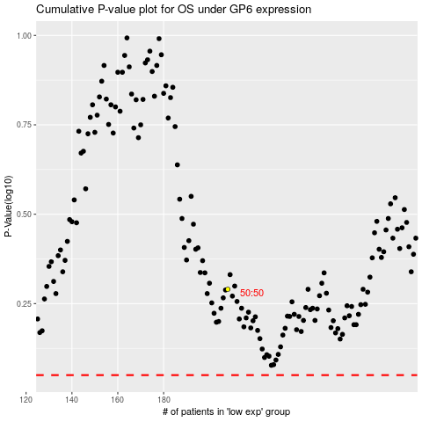

 |  |  |  |  |  | cases_OS | p_OS | rank | exp
 |  |  |  |  |  |  | cases_RFS | p_RFS | rank | exp

