GPAA1 _multivariate
Reported by Tex Li-Hsing Chi. tex@gate.sinica.edu.tw 2019-08-19

Table 2. The clinicopathological features of HNSCC cohort and GPAA1 expression. (Chi square test)
Cutoff at -0.211 (49.8%)
 |  | GPAA1 expression |  | GPAA1 expression |  | (Optimised)
 | Features | Low | (%) | High | (%) | Case no | P-value | Remark | Matthews
Gender | Female | 155 | 37.3 | 151 | 36.4 | 415 | 0.6768 | 0 | 0
2 | Male | 52 | 12.5 | 57 | 13.7
Age at diagnosis | <=65y | 139 | 33.5 | 135 | 32.5 | 415 | 0.7044 | 0 | 0
4 | >65y | 68 | 16.4 | 73 | 17.6
Clinical T Status | T1+T2 | 73 | 17.6 | 76 | 18.3 | 415 | 0.8666 | 0 | 0
6 | T3+T4 | 134 | 32.3 | 132 | 31.8
Clinical N Status | N0 | 106 | 25.5 | 110 | 26.5 | 415 | 0.8075 | 0 | 0
8 | N1-3 | 101 | 24.3 | 98 | 23.6
Clinical M Status | M0 | 206 | 49.6 | 206 | 49.6 | 415 | 1 | 0 | 0
10 | M1 | 1 | 0.2 | 2 | 0.5
Clinical Stage | Stage I+II | 51 | 12.3 | 51 | 12.3 | 415 | 1 | 0 | 0
12 | Stage III+IV | 156 | 37.6 | 157 | 37.8
Surgical Margin status | Negative | 153 | 36.9 | 165 | 39.8 | 415 | 0.2036 | 0 | 0
14 | Positive | 54 | 13 | 43 | 10.4
Tobacco Exposure | Low | 76 | 18.3 | 85 | 20.5 | 415 | 0.4207 | 0 | 0
16 | High | 131 | 31.6 | 123 | 29.6

Table 3. Univariate/Multivariate Cox's proportional hazards regression analyses on OS time of GPAA1 gene expression in HNSCC

 |  | Univariate |  |  |  | Multivariate
 | Features | HR | CI95%(L) | CI95%(H) | P-value | HR | CI95%(L) | CI95%(H) | P-value
1 | Female | 1 |  |  |  | 1
Gender | Male | 1.157 | 0.843 | 1.587 | 0.367 | 1.209 | 0.865 | 1.691 | 0.266
11 | <=65y | 1 |  |  |  | 1
Age at diagnosis | >65y | 1.329 | 0.99 | 1.784 | 0.058 | 1.395 | 1.026 | 1.897 | 0.034
12 | T1+T2 | 1 |  |  |  | 1
Clinical T Status | T3+T4 | 1.409 | 1.028 | 1.931 | 0.033 | 2.205 | 1.166 | 4.169 | 0.015
13 | N0 | 1 |  |  |  | 1
Clinical N Status | N1-3 | 1.185 | 0.89 | 1.577 | 0.246 | 1.242 | 0.871 | 1.772 | 0.232
14 | M0 | 1 |  |  |  | 1
Clinical M Status | M1 | 4.097 | 1.009 | 16.644 | 0.049 | 9.506 | 2.072 | 43.606 | 0.004
15 | Stage I+II | 1 |  |  |  | 1
Clinical Stage | Stage III+IV | 1.245 | 0.882 | 1.759 | 0.213 | 0.503 | 0.235 | 1.081 | 0.078
16 | Negative | 1 |  |  |  | 1
Surgical Margin status | Positive | 1.591 | 1.155 | 2.191 | 0.004 | 1.668 | 1.207 | 2.305 | 0.002
17 | Low | 1 |  |  |  | 1
Tobacco Exposure | High | 1.364 | 1.008 | 1.844 | 0.044 | 1.455 | 1.056 | 2.005 | 0.022
18 | Low | 1 |  |  |  | 1
RNAseq(z-score) | High | 0.953 | 0.716 | 1.269 | 0.742 | 0.937 | 0.702 | 1.25 | 0.658

Table 4. Univariate/Multivariate Cox's proportional hazards regression analyses on RFS time of GPAA1 gene expression in HNSCC

 |  | Univariate |  |  |  | Multivariate
 | Features | HR | CI95%(L) | CI95%(H) | P-value | HR | CI95%(L) | CI95%(H) | P-value
1 | Female | 1 |  |  |  | 1
Gender | Male | 1.157 | 0.843 | 1.587 | 0.367 | 1.209 | 0.865 | 1.691 | 0.266
11 | <=65y | 1 |  |  |  | 1
Age at diagnosis | >65y | 1.329 | 0.99 | 1.784 | 0.058 | 1.395 | 1.026 | 1.897 | 0.034
12 | T1+T2 | 1 |  |  |  | 1
Clinical T Status | T3+T4 | 1.409 | 1.028 | 1.931 | 0.033 | 2.205 | 1.166 | 4.169 | 0.015
13 | N0 | 1 |  |  |  | 1
Clinical N Status | N1-3 | 1.185 | 0.89 | 1.577 | 0.246 | 1.242 | 0.871 | 1.772 | 0.232
14 | M0 | 1 |  |  |  | 1
Clinical M Status | M1 | 4.097 | 1.009 | 16.644 | 0.049 | 9.506 | 2.072 | 43.606 | 0.004
15 | Stage I+II | 1 |  |  |  | 1
Clinical Stage | Stage III+IV | 1.245 | 0.882 | 1.759 | 0.213 | 0.503 | 0.235 | 1.081 | 0.078
16 | Negative | 1 |  |  |  | 1
Surgical Margin status | Positive | 1.591 | 1.155 | 2.191 | 0.004 | 1.668 | 1.207 | 2.305 | 0.002
17 | Low | 1 |  |  |  | 1
Tobacco Exposure | High | 1.364 | 1.008 | 1.844 | 0.044 | 1.455 | 1.056 | 2.005 | 0.022
18 | Low | 1 |  |  |  | 1
RNAseq(z-score) | High | 0.953 | 0.716 | 1.269 | 0.742 | 0.937 | 0.702 | 1.25 | 0.658

Kaplan-Meier survival estimate: Cutoff at -0.211 (49.8%)



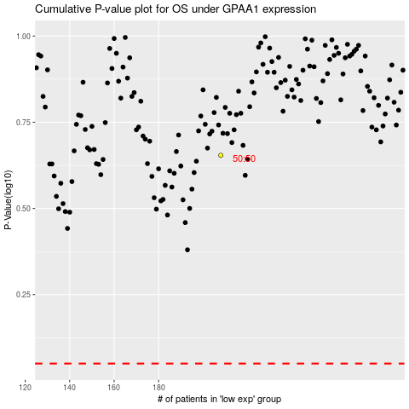

 |  |  |  |  |  | cases_OS | p_OS | rank | exp
 |  |  |  |  |  |  | cases_RFS | p_RFS | rank | exp

