GPAT2 _multivariate
Reported by Tex Li-Hsing Chi. tex@gate.sinica.edu.tw 2019-08-19

Table 2. The clinicopathological features of HNSCC cohort and GPAT2 expression. (Chi square test)
Cutoff at -0.29 (38.6%)
 |  | GPAT2 expression |  | GPAT2 expression |  | (Optimised)
 | Features | Low | (%) | High | (%) | Case no | P-value | Remark | Matthews
Gender | Female | 113 | 27.2 | 193 | 46.5 | 415 | 0.305 | 0 | 0
2 | Male | 47 | 11.3 | 62 | 14.9
Age at diagnosis | <=65y | 109 | 26.3 | 165 | 39.8 | 415 | 0.5423 | 0 | 0
4 | >65y | 51 | 12.3 | 90 | 21.7
Clinical T Status | T1+T2 | 59 | 14.2 | 90 | 21.7 | 415 | 0.8246 | 0 | 0
6 | T3+T4 | 101 | 24.3 | 165 | 39.8
Clinical N Status | N0 | 89 | 21.4 | 127 | 30.6 | 415 | 0.2917 | 0 | 0
8 | N1-3 | 71 | 17.1 | 128 | 30.8
Clinical M Status | M0 | 158 | 38.1 | 254 | 61.2 | 415 | 0.5619 | 0 | 0
10 | M1 | 2 | 0.5 | 1 | 0.2
Clinical Stage | Stage I+II | 43 | 10.4 | 59 | 14.2 | 415 | 0.4571 | 0 | 0
12 | Stage III+IV | 117 | 28.2 | 196 | 47.2
Surgical Margin status | Negative | 115 | 27.7 | 203 | 48.9 | 415 | 0.0748 | 0 | 0
14 | Positive | 45 | 10.8 | 52 | 12.5
Tobacco Exposure | Low | 61 | 14.7 | 100 | 24.1 | 415 | 0.8368 | 0 | 0
16 | High | 99 | 23.9 | 155 | 37.3

Table 3. Univariate/Multivariate Cox's proportional hazards regression analyses on OS time of GPAT2 gene expression in HNSCC

 |  | Univariate |  |  |  | Multivariate
 | Features | HR | CI95%(L) | CI95%(H) | P-value | HR | CI95%(L) | CI95%(H) | P-value
1 | Female | 1 |  |  |  | 1
Gender | Male | 1.157 | 0.843 | 1.587 | 0.367 | 1.164 | 0.831 | 1.629 | 0.378
11 | <=65y | 1 |  |  |  | 1
Age at diagnosis | >65y | 1.329 | 0.99 | 1.784 | 0.058 | 1.408 | 1.035 | 1.915 | 0.029
12 | T1+T2 | 1 |  |  |  | 1
Clinical T Status | T3+T4 | 1.409 | 1.028 | 1.931 | 0.033 | 2.192 | 1.159 | 4.146 | 0.016
13 | N0 | 1 |  |  |  | 1
Clinical N Status | N1-3 | 1.185 | 0.89 | 1.577 | 0.246 | 1.255 | 0.879 | 1.792 | 0.212
14 | M0 | 1 |  |  |  | 1
Clinical M Status | M1 | 4.097 | 1.009 | 16.644 | 0.049 | 8.727 | 1.9 | 40.081 | 0.005
15 | Stage I+II | 1 |  |  |  | 1
Clinical Stage | Stage III+IV | 1.245 | 0.882 | 1.759 | 0.213 | 0.511 | 0.238 | 1.097 | 0.085
16 | Negative | 1 |  |  |  | 1
Surgical Margin status | Positive | 1.591 | 1.155 | 2.191 | 0.004 | 1.638 | 1.184 | 2.265 | 0.003
17 | Low | 1 |  |  |  | 1
Tobacco Exposure | High | 1.364 | 1.008 | 1.844 | 0.044 | 1.459 | 1.058 | 2.012 | 0.021
18 | Low | 1 |  |  |  | 1
RNAseq(z-score) | High | 0.74 | 0.554 | 0.99 | 0.043 | 0.755 | 0.562 | 1.013 | 0.061

Table 4. Univariate/Multivariate Cox's proportional hazards regression analyses on RFS time of GPAT2 gene expression in HNSCC

 |  | Univariate |  |  |  | Multivariate
 | Features | HR | CI95%(L) | CI95%(H) | P-value | HR | CI95%(L) | CI95%(H) | P-value
1 | Female | 1 |  |  |  | 1
Gender | Male | 1.157 | 0.843 | 1.587 | 0.367 | 1.164 | 0.831 | 1.629 | 0.378
11 | <=65y | 1 |  |  |  | 1
Age at diagnosis | >65y | 1.329 | 0.99 | 1.784 | 0.058 | 1.408 | 1.035 | 1.915 | 0.029
12 | T1+T2 | 1 |  |  |  | 1
Clinical T Status | T3+T4 | 1.409 | 1.028 | 1.931 | 0.033 | 2.192 | 1.159 | 4.146 | 0.016
13 | N0 | 1 |  |  |  | 1
Clinical N Status | N1-3 | 1.185 | 0.89 | 1.577 | 0.246 | 1.255 | 0.879 | 1.792 | 0.212
14 | M0 | 1 |  |  |  | 1
Clinical M Status | M1 | 4.097 | 1.009 | 16.644 | 0.049 | 8.727 | 1.9 | 40.081 | 0.005
15 | Stage I+II | 1 |  |  |  | 1
Clinical Stage | Stage III+IV | 1.245 | 0.882 | 1.759 | 0.213 | 0.511 | 0.238 | 1.097 | 0.085
16 | Negative | 1 |  |  |  | 1
Surgical Margin status | Positive | 1.591 | 1.155 | 2.191 | 0.004 | 1.638 | 1.184 | 2.265 | 0.003
17 | Low | 1 |  |  |  | 1
Tobacco Exposure | High | 1.364 | 1.008 | 1.844 | 0.044 | 1.459 | 1.058 | 2.012 | 0.021
18 | Low | 1 |  |  |  | 1
RNAseq(z-score) | High | 0.74 | 0.554 | 0.99 | 0.043 | 0.755 | 0.562 | 1.013 | 0.061

Kaplan-Meier survival estimate: Cutoff at -0.29 (38.6%)



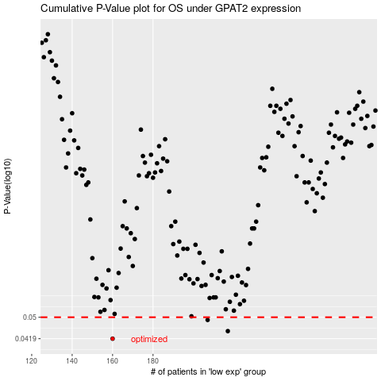

 |  |  |  |  |  | cases_OS | p_OS | rank | exp
 |  |  |  |  |  | 160 | 0.0419 | 83 | -0.28988595528
 |  |  |  |  |  | 217 | 0.0446 | 109 | -0.26950739148
 |  |  |  |  |  | 207 | 0.0489 | 168 | -0.27411245732
 |  |  |  |  |  |  | cases_RFS | p_RFS | rank | exp
 |  |  |  |  |  |  | 159 | 0.0419 | 64 | -0.29016408729
 |  |  |  |  |  |  | 216 | 0.0446 | 371 | -0.27043005225
 |  |  |  |  |  |  | 206 | 0.0489 | 379 | -0.27419562232

