GPATCH1 _multivariate
Reported by Tex Li-Hsing Chi. tex@gate.sinica.edu.tw 2019-08-19

Table 2. The clinicopathological features of HNSCC cohort and GPATCH1 expression. (Chi square test)
Cutoff at -0.224 (49.8%)
 |  | GPATCH1 expression |  | GPATCH1 expression |  | (Optimised)
 | Features | Low | (%) | High | (%) | Case no | P-value | Remark | Matthews
Gender | Female | 147 | 35.4 | 159 | 38.3 | 415 | 0.2523 | 0 | 0
2 | Male | 60 | 14.5 | 49 | 11.8
Age at diagnosis | <=65y | 133 | 32 | 141 | 34 | 415 | 0.5111 | 0 | 0
4 | >65y | 74 | 17.8 | 67 | 16.1
Clinical T Status | T1+T2 | 68 | 16.4 | 81 | 19.5 | 415 | 0.2336 | 0 | 0
6 | T3+T4 | 139 | 33.5 | 127 | 30.6
Clinical N Status | N0 | 110 | 26.5 | 106 | 25.5 | 415 | 0.7294 | 0 | 0
8 | N1-3 | 97 | 23.4 | 102 | 24.6
Clinical M Status | M0 | 206 | 49.6 | 206 | 49.6 | 415 | 1 | 0 | 0
10 | M1 | 1 | 0.2 | 2 | 0.5
Clinical Stage | Stage I+II | 49 | 11.8 | 53 | 12.8 | 415 | 0.7535 | 0 | 0
12 | Stage III+IV | 158 | 38.1 | 155 | 37.3
Surgical Margin status | Negative | 159 | 38.3 | 159 | 38.3 | 415 | 1 | 0 | 0
14 | Positive | 48 | 11.6 | 49 | 11.8
Tobacco Exposure | Low | 80 | 19.3 | 81 | 19.5 | 415 | 1 | 0 | 0
16 | High | 127 | 30.6 | 127 | 30.6

Table 3. Univariate/Multivariate Cox's proportional hazards regression analyses on OS time of GPATCH1 gene expression in HNSCC

 |  | Univariate |  |  |  | Multivariate
 | Features | HR | CI95%(L) | CI95%(H) | P-value | HR | CI95%(L) | CI95%(H) | P-value
1 | Female | 1 |  |  |  | 1
Gender | Male | 1.157 | 0.843 | 1.587 | 0.367 | 1.214 | 0.868 | 1.697 | 0.256
11 | <=65y | 1 |  |  |  | 1
Age at diagnosis | >65y | 1.329 | 0.99 | 1.784 | 0.058 | 1.399 | 1.028 | 1.902 | 0.033
12 | T1+T2 | 1 |  |  |  | 1
Clinical T Status | T3+T4 | 1.409 | 1.028 | 1.931 | 0.033 | 2.223 | 1.175 | 4.204 | 0.014
13 | N0 | 1 |  |  |  | 1
Clinical N Status | N1-3 | 1.185 | 0.89 | 1.577 | 0.246 | 1.237 | 0.867 | 1.765 | 0.241
14 | M0 | 1 |  |  |  | 1
Clinical M Status | M1 | 4.097 | 1.009 | 16.644 | 0.049 | 9.032 | 1.968 | 41.464 | 0.005
15 | Stage I+II | 1 |  |  |  | 1
Clinical Stage | Stage III+IV | 1.245 | 0.882 | 1.759 | 0.213 | 0.501 | 0.233 | 1.077 | 0.077
16 | Negative | 1 |  |  |  | 1
Surgical Margin status | Positive | 1.591 | 1.155 | 2.191 | 0.004 | 1.664 | 1.204 | 2.298 | 0.002
17 | Low | 1 |  |  |  | 1
Tobacco Exposure | High | 1.364 | 1.008 | 1.844 | 0.044 | 1.448 | 1.051 | 1.993 | 0.023
18 | Low | 1 |  |  |  | 1
RNAseq(z-score) | High | 1.203 | 0.902 | 1.605 | 0.209 | 1.196 | 0.896 | 1.597 | 0.225

Table 4. Univariate/Multivariate Cox's proportional hazards regression analyses on RFS time of GPATCH1 gene expression in HNSCC

 |  | Univariate |  |  |  | Multivariate
 | Features | HR | CI95%(L) | CI95%(H) | P-value | HR | CI95%(L) | CI95%(H) | P-value
1 | Female | 1 |  |  |  | 1
Gender | Male | 1.157 | 0.843 | 1.587 | 0.367 | 1.214 | 0.868 | 1.697 | 0.256
11 | <=65y | 1 |  |  |  | 1
Age at diagnosis | >65y | 1.329 | 0.99 | 1.784 | 0.058 | 1.399 | 1.028 | 1.902 | 0.033
12 | T1+T2 | 1 |  |  |  | 1
Clinical T Status | T3+T4 | 1.409 | 1.028 | 1.931 | 0.033 | 2.223 | 1.175 | 4.204 | 0.014
13 | N0 | 1 |  |  |  | 1
Clinical N Status | N1-3 | 1.185 | 0.89 | 1.577 | 0.246 | 1.237 | 0.867 | 1.765 | 0.241
14 | M0 | 1 |  |  |  | 1
Clinical M Status | M1 | 4.097 | 1.009 | 16.644 | 0.049 | 9.032 | 1.968 | 41.464 | 0.005
15 | Stage I+II | 1 |  |  |  | 1
Clinical Stage | Stage III+IV | 1.245 | 0.882 | 1.759 | 0.213 | 0.501 | 0.233 | 1.077 | 0.077
16 | Negative | 1 |  |  |  | 1
Surgical Margin status | Positive | 1.591 | 1.155 | 2.191 | 0.004 | 1.664 | 1.204 | 2.298 | 0.002
17 | Low | 1 |  |  |  | 1
Tobacco Exposure | High | 1.364 | 1.008 | 1.844 | 0.044 | 1.448 | 1.051 | 1.993 | 0.023
18 | Low | 1 |  |  |  | 1
RNAseq(z-score) | High | 1.203 | 0.902 | 1.605 | 0.209 | 1.196 | 0.896 | 1.597 | 0.225

Kaplan-Meier survival estimate: Cutoff at -0.224 (49.8%)



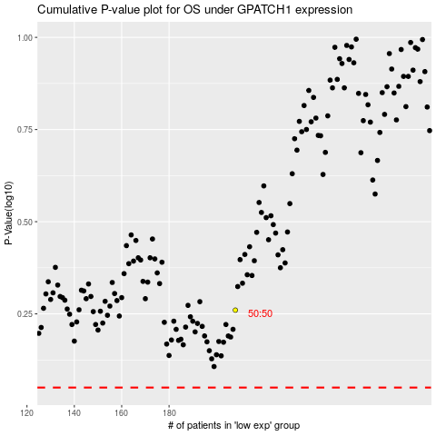

 |  |  |  |  |  | cases_OS | p_OS | rank | exp
 |  |  |  |  |  |  | cases_RFS | p_RFS | rank | exp

