GPATCH2 _multivariate
Reported by Tex Li-Hsing Chi. tex@gate.sinica.edu.tw 2019-08-19

Table 2. The clinicopathological features of HNSCC cohort and GPATCH2 expression. (Chi square test)
Cutoff at -0.133 (50.0%)
 |  | GPATCH2 expression |  | GPATCH2 expression |  | (Optimised)
 | Features | Low | (%) | High | (%) | Case no | P-value | Remark | Matthews
Gender | Female | 141 | 34 | 165 | 39.8 | 415 | 0.013 | 1 | 0
2 | Male | 66 | 15.9 | 43 | 10.4
Age at diagnosis | <=65y | 132 | 31.8 | 142 | 34.2 | 415 | 0.3874 | 0 | 0
4 | >65y | 75 | 18.1 | 66 | 15.9
Clinical T Status | T1+T2 | 91 | 21.9 | 58 | 14 | 415 | 9e-04 | 1 | 0
6 | T3+T4 | 116 | 28 | 150 | 36.1
Clinical N Status | N0 | 115 | 27.7 | 101 | 24.3 | 415 | 0.184 | 1 | 0
8 | N1-3 | 92 | 22.2 | 107 | 25.8
Clinical M Status | M0 | 204 | 49.2 | 208 | 50.1 | 415 | 0.1232 | 0 | 0
10 | M1 | 3 | 0.7 | 0 | 0
Clinical Stage | Stage I+II | 66 | 15.9 | 36 | 8.7 | 415 | 9e-04 | 1 | 0
12 | Stage III+IV | 141 | 34 | 172 | 41.4
Surgical Margin status | Negative | 153 | 36.9 | 165 | 39.8 | 415 | 0.2036 | 0 | 0
14 | Positive | 54 | 13 | 43 | 10.4
Tobacco Exposure | Low | 98 | 23.6 | 63 | 15.2 | 415 | 4e-04 | 1 | 0
16 | High | 109 | 26.3 | 145 | 34.9

Table 3. Univariate/Multivariate Cox's proportional hazards regression analyses on OS time of GPATCH2 gene expression in HNSCC

 |  | Univariate |  |  |  | Multivariate
 | Features | HR | CI95%(L) | CI95%(H) | P-value | HR | CI95%(L) | CI95%(H) | P-value
1 | Female | 1 |  |  |  | 1
Gender | Male | 1.157 | 0.843 | 1.587 | 0.367 | 1.171 | 0.836 | 1.641 | 0.359
11 | <=65y | 1 |  |  |  | 1
Age at diagnosis | >65y | 1.329 | 0.99 | 1.784 | 0.058 | 1.393 | 1.024 | 1.895 | 0.035
12 | T1+T2 | 1 |  |  |  | 1
Clinical T Status | T3+T4 | 1.409 | 1.028 | 1.931 | 0.033 | 2.185 | 1.156 | 4.132 | 0.016
13 | N0 | 1 |  |  |  | 1
Clinical N Status | N1-3 | 1.185 | 0.89 | 1.577 | 0.246 | 1.245 | 0.873 | 1.776 | 0.226
14 | M0 | 1 |  |  |  | 1
Clinical M Status | M1 | 4.097 | 1.009 | 16.644 | 0.049 | 8.358 | 1.803 | 38.746 | 0.007
15 | Stage I+II | 1 |  |  |  | 1
Clinical Stage | Stage III+IV | 1.245 | 0.882 | 1.759 | 0.213 | 0.528 | 0.245 | 1.139 | 0.103
16 | Negative | 1 |  |  |  | 1
Surgical Margin status | Positive | 1.591 | 1.155 | 2.191 | 0.004 | 1.618 | 1.166 | 2.245 | 0.004
17 | Low | 1 |  |  |  | 1
Tobacco Exposure | High | 1.364 | 1.008 | 1.844 | 0.044 | 1.503 | 1.084 | 2.083 | 0.014
18 | Low | 1 |  |  |  | 1
RNAseq(z-score) | High | 0.843 | 0.633 | 1.123 | 0.243 | 0.83 | 0.609 | 1.13 | 0.236

Table 4. Univariate/Multivariate Cox's proportional hazards regression analyses on RFS time of GPATCH2 gene expression in HNSCC

 |  | Univariate |  |  |  | Multivariate
 | Features | HR | CI95%(L) | CI95%(H) | P-value | HR | CI95%(L) | CI95%(H) | P-value
1 | Female | 1 |  |  |  | 1
Gender | Male | 1.157 | 0.843 | 1.587 | 0.367 | 1.171 | 0.836 | 1.641 | 0.359
11 | <=65y | 1 |  |  |  | 1
Age at diagnosis | >65y | 1.329 | 0.99 | 1.784 | 0.058 | 1.393 | 1.024 | 1.895 | 0.035
12 | T1+T2 | 1 |  |  |  | 1
Clinical T Status | T3+T4 | 1.409 | 1.028 | 1.931 | 0.033 | 2.185 | 1.156 | 4.132 | 0.016
13 | N0 | 1 |  |  |  | 1
Clinical N Status | N1-3 | 1.185 | 0.89 | 1.577 | 0.246 | 1.245 | 0.873 | 1.776 | 0.226
14 | M0 | 1 |  |  |  | 1
Clinical M Status | M1 | 4.097 | 1.009 | 16.644 | 0.049 | 8.358 | 1.803 | 38.746 | 0.007
15 | Stage I+II | 1 |  |  |  | 1
Clinical Stage | Stage III+IV | 1.245 | 0.882 | 1.759 | 0.213 | 0.528 | 0.245 | 1.139 | 0.103
16 | Negative | 1 |  |  |  | 1
Surgical Margin status | Positive | 1.591 | 1.155 | 2.191 | 0.004 | 1.618 | 1.166 | 2.245 | 0.004
17 | Low | 1 |  |  |  | 1
Tobacco Exposure | High | 1.364 | 1.008 | 1.844 | 0.044 | 1.503 | 1.084 | 2.083 | 0.014
18 | Low | 1 |  |  |  | 1
RNAseq(z-score) | High | 0.843 | 0.633 | 1.123 | 0.243 | 0.83 | 0.609 | 1.13 | 0.236

Kaplan-Meier survival estimate: Cutoff at -0.133 (50.0%)



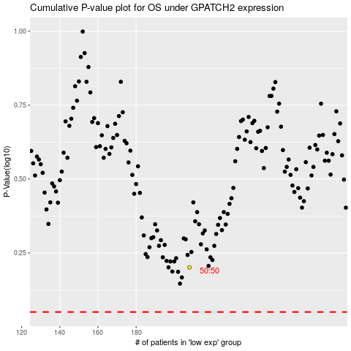

 |  |  |  |  |  | cases_OS | p_OS | rank | exp
 |  |  |  |  |  |  | cases_RFS | p_RFS | rank | exp

