GPATCH4 _multivariate
Reported by Tex Li-Hsing Chi. tex@gate.sinica.edu.tw 2019-08-19

Table 2. The clinicopathological features of HNSCC cohort and GPATCH4 expression. (Chi square test)
Cutoff at -0.091 (50.0%)
 |  | GPATCH4 expression |  | GPATCH4 expression |  | (Optimised)
 | Features | Low | (%) | High | (%) | Case no | P-value | Remark | Matthews
Gender | Female | 153 | 36.9 | 153 | 36.9 | 415 | 1 | 0 | 0
2 | Male | 54 | 13 | 55 | 13.3
Age at diagnosis | <=65y | 135 | 32.5 | 139 | 33.5 | 415 | 0.8084 | 0 | 0
4 | >65y | 72 | 17.3 | 69 | 16.6
Clinical T Status | T1+T2 | 84 | 20.2 | 65 | 15.7 | 415 | 0.0603 | 0 | 0
6 | T3+T4 | 123 | 29.6 | 143 | 34.5
Clinical N Status | N0 | 110 | 26.5 | 106 | 25.5 | 415 | 0.7294 | 0 | 0
8 | N1-3 | 97 | 23.4 | 102 | 24.6
Clinical M Status | M0 | 207 | 49.9 | 205 | 49.4 | 415 | 0.2482 | 0 | 0
10 | M1 | 0 | 0 | 3 | 0.7
Clinical Stage | Stage I+II | 59 | 14.2 | 43 | 10.4 | 415 | 0.0822 | 0 | 0
12 | Stage III+IV | 148 | 35.7 | 165 | 39.8
Surgical Margin status | Negative | 161 | 38.8 | 157 | 37.8 | 415 | 0.6429 | 0 | 0
14 | Positive | 46 | 11.1 | 51 | 12.3
Tobacco Exposure | Low | 82 | 19.8 | 79 | 19 | 415 | 0.763 | 0 | 0
16 | High | 125 | 30.1 | 129 | 31.1

Table 3. Univariate/Multivariate Cox's proportional hazards regression analyses on OS time of GPATCH4 gene expression in HNSCC

 |  | Univariate |  |  |  | Multivariate
 | Features | HR | CI95%(L) | CI95%(H) | P-value | HR | CI95%(L) | CI95%(H) | P-value
1 | Female | 1 |  |  |  | 1
Gender | Male | 1.157 | 0.843 | 1.587 | 0.367 | 1.205 | 0.863 | 1.682 | 0.275
11 | <=65y | 1 |  |  |  | 1
Age at diagnosis | >65y | 1.329 | 0.99 | 1.784 | 0.058 | 1.399 | 1.028 | 1.903 | 0.032
12 | T1+T2 | 1 |  |  |  | 1
Clinical T Status | T3+T4 | 1.409 | 1.028 | 1.931 | 0.033 | 2.251 | 1.185 | 4.274 | 0.013
13 | N0 | 1 |  |  |  | 1
Clinical N Status | N1-3 | 1.185 | 0.89 | 1.577 | 0.246 | 1.239 | 0.869 | 1.768 | 0.237
14 | M0 | 1 |  |  |  | 1
Clinical M Status | M1 | 4.097 | 1.009 | 16.644 | 0.049 | 10.055 | 2.157 | 46.879 | 0.003
15 | Stage I+II | 1 |  |  |  | 1
Clinical Stage | Stage III+IV | 1.245 | 0.882 | 1.759 | 0.213 | 0.498 | 0.232 | 1.071 | 0.074
16 | Negative | 1 |  |  |  | 1
Surgical Margin status | Positive | 1.591 | 1.155 | 2.191 | 0.004 | 1.695 | 1.222 | 2.351 | 0.002
17 | Low | 1 |  |  |  | 1
Tobacco Exposure | High | 1.364 | 1.008 | 1.844 | 0.044 | 1.455 | 1.056 | 2.005 | 0.022
18 | Low | 1 |  |  |  | 1
RNAseq(z-score) | High | 1.043 | 0.783 | 1.39 | 0.774 | 0.915 | 0.682 | 1.228 | 0.556

Table 4. Univariate/Multivariate Cox's proportional hazards regression analyses on RFS time of GPATCH4 gene expression in HNSCC

 |  | Univariate |  |  |  | Multivariate
 | Features | HR | CI95%(L) | CI95%(H) | P-value | HR | CI95%(L) | CI95%(H) | P-value
1 | Female | 1 |  |  |  | 1
Gender | Male | 1.157 | 0.843 | 1.587 | 0.367 | 1.205 | 0.863 | 1.682 | 0.275
11 | <=65y | 1 |  |  |  | 1
Age at diagnosis | >65y | 1.329 | 0.99 | 1.784 | 0.058 | 1.399 | 1.028 | 1.903 | 0.032
12 | T1+T2 | 1 |  |  |  | 1
Clinical T Status | T3+T4 | 1.409 | 1.028 | 1.931 | 0.033 | 2.251 | 1.185 | 4.274 | 0.013
13 | N0 | 1 |  |  |  | 1
Clinical N Status | N1-3 | 1.185 | 0.89 | 1.577 | 0.246 | 1.239 | 0.869 | 1.768 | 0.237
14 | M0 | 1 |  |  |  | 1
Clinical M Status | M1 | 4.097 | 1.009 | 16.644 | 0.049 | 10.055 | 2.157 | 46.879 | 0.003
15 | Stage I+II | 1 |  |  |  | 1
Clinical Stage | Stage III+IV | 1.245 | 0.882 | 1.759 | 0.213 | 0.498 | 0.232 | 1.071 | 0.074
16 | Negative | 1 |  |  |  | 1
Surgical Margin status | Positive | 1.591 | 1.155 | 2.191 | 0.004 | 1.695 | 1.222 | 2.351 | 0.002
17 | Low | 1 |  |  |  | 1
Tobacco Exposure | High | 1.364 | 1.008 | 1.844 | 0.044 | 1.455 | 1.056 | 2.005 | 0.022
18 | Low | 1 |  |  |  | 1
RNAseq(z-score) | High | 1.043 | 0.783 | 1.39 | 0.774 | 0.915 | 0.682 | 1.228 | 0.556

Kaplan-Meier survival estimate: Cutoff at -0.091 (50.0%)



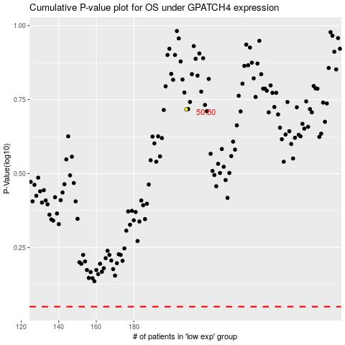

 |  |  |  |  |  | cases_OS | p_OS | rank | exp
 |  |  |  |  |  |  | cases_RFS | p_RFS | rank | exp

