GPATCH8 _multivariate
Reported by Tex Li-Hsing Chi. tex@gate.sinica.edu.tw 2019-08-19

Table 2. The clinicopathological features of HNSCC cohort and GPATCH8 expression. (Chi square test)
Cutoff at 0.001 (49.8%)
 |  | GPATCH8 expression |  | GPATCH8 expression |  | (Optimised)
 | Features | Low | (%) | High | (%) | Case no | P-value | Remark | Matthews
Gender | Female | 148 | 35.7 | 158 | 38.1 | 415 | 0.3567 | 0 | 0
2 | Male | 59 | 14.2 | 50 | 12
Age at diagnosis | <=65y | 134 | 32.3 | 140 | 33.7 | 415 | 0.6529 | 0 | 0
4 | >65y | 73 | 17.6 | 68 | 16.4
Clinical T Status | T1+T2 | 80 | 19.3 | 69 | 16.6 | 415 | 0.2891 | 0 | 0
6 | T3+T4 | 127 | 30.6 | 139 | 33.5
Clinical N Status | N0 | 119 | 28.7 | 97 | 23.4 | 415 | 0.0345 | 1 | 0
8 | N1-3 | 88 | 21.2 | 111 | 26.7
Clinical M Status | M0 | 204 | 49.2 | 208 | 50.1 | 415 | 0.1232 | 0 | 0
10 | M1 | 3 | 0.7 | 0 | 0
Clinical Stage | Stage I+II | 61 | 14.7 | 41 | 9.9 | 415 | 0.0282 | 1 | 0
12 | Stage III+IV | 146 | 35.2 | 167 | 40.2
Surgical Margin status | Negative | 159 | 38.3 | 159 | 38.3 | 415 | 1 | 0 | 0
14 | Positive | 48 | 11.6 | 49 | 11.8
Tobacco Exposure | Low | 82 | 19.8 | 79 | 19 | 415 | 0.763 | 0 | 0
16 | High | 125 | 30.1 | 129 | 31.1

Table 3. Univariate/Multivariate Cox's proportional hazards regression analyses on OS time of GPATCH8 gene expression in HNSCC

 |  | Univariate |  |  |  | Multivariate
 | Features | HR | CI95%(L) | CI95%(H) | P-value | HR | CI95%(L) | CI95%(H) | P-value
1 | Female | 1 |  |  |  | 1
Gender | Male | 1.157 | 0.843 | 1.587 | 0.367 | 1.176 | 0.84 | 1.647 | 0.344
11 | <=65y | 1 |  |  |  | 1
Age at diagnosis | >65y | 1.329 | 0.99 | 1.784 | 0.058 | 1.388 | 1.021 | 1.885 | 0.036
12 | T1+T2 | 1 |  |  |  | 1
Clinical T Status | T3+T4 | 1.409 | 1.028 | 1.931 | 0.033 | 2.19 | 1.158 | 4.141 | 0.016
13 | N0 | 1 |  |  |  | 1
Clinical N Status | N1-3 | 1.185 | 0.89 | 1.577 | 0.246 | 1.249 | 0.876 | 1.782 | 0.22
14 | M0 | 1 |  |  |  | 1
Clinical M Status | M1 | 4.097 | 1.009 | 16.644 | 0.049 | 8.49 | 1.832 | 39.345 | 0.006
15 | Stage I+II | 1 |  |  |  | 1
Clinical Stage | Stage III+IV | 1.245 | 0.882 | 1.759 | 0.213 | 0.521 | 0.242 | 1.121 | 0.095
16 | Negative | 1 |  |  |  | 1
Surgical Margin status | Positive | 1.591 | 1.155 | 2.191 | 0.004 | 1.661 | 1.202 | 2.296 | 0.002
17 | Low | 1 |  |  |  | 1
Tobacco Exposure | High | 1.364 | 1.008 | 1.844 | 0.044 | 1.426 | 1.033 | 1.967 | 0.031
18 | Low | 1 |  |  |  | 1
RNAseq(z-score) | High | 0.807 | 0.606 | 1.076 | 0.143 | 0.85 | 0.632 | 1.144 | 0.284

Table 4. Univariate/Multivariate Cox's proportional hazards regression analyses on RFS time of GPATCH8 gene expression in HNSCC

 |  | Univariate |  |  |  | Multivariate
 | Features | HR | CI95%(L) | CI95%(H) | P-value | HR | CI95%(L) | CI95%(H) | P-value
1 | Female | 1 |  |  |  | 1
Gender | Male | 1.157 | 0.843 | 1.587 | 0.367 | 1.176 | 0.84 | 1.647 | 0.344
11 | <=65y | 1 |  |  |  | 1
Age at diagnosis | >65y | 1.329 | 0.99 | 1.784 | 0.058 | 1.388 | 1.021 | 1.885 | 0.036
12 | T1+T2 | 1 |  |  |  | 1
Clinical T Status | T3+T4 | 1.409 | 1.028 | 1.931 | 0.033 | 2.19 | 1.158 | 4.141 | 0.016
13 | N0 | 1 |  |  |  | 1
Clinical N Status | N1-3 | 1.185 | 0.89 | 1.577 | 0.246 | 1.249 | 0.876 | 1.782 | 0.22
14 | M0 | 1 |  |  |  | 1
Clinical M Status | M1 | 4.097 | 1.009 | 16.644 | 0.049 | 8.49 | 1.832 | 39.345 | 0.006
15 | Stage I+II | 1 |  |  |  | 1
Clinical Stage | Stage III+IV | 1.245 | 0.882 | 1.759 | 0.213 | 0.521 | 0.242 | 1.121 | 0.095
16 | Negative | 1 |  |  |  | 1
Surgical Margin status | Positive | 1.591 | 1.155 | 2.191 | 0.004 | 1.661 | 1.202 | 2.296 | 0.002
17 | Low | 1 |  |  |  | 1
Tobacco Exposure | High | 1.364 | 1.008 | 1.844 | 0.044 | 1.426 | 1.033 | 1.967 | 0.031
18 | Low | 1 |  |  |  | 1
RNAseq(z-score) | High | 0.807 | 0.606 | 1.076 | 0.143 | 0.85 | 0.632 | 1.144 | 0.284

Kaplan-Meier survival estimate: Cutoff at 0.001 (49.8%)



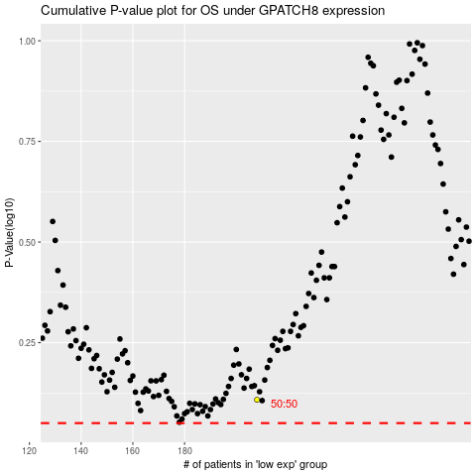

 |  |  |  |  |  | cases_OS | p_OS | rank | exp
 |  |  |  |  |  |  | cases_RFS | p_RFS | rank | exp

