GPBAR1 _multivariate
Reported by Tex Li-Hsing Chi. tex@gate.sinica.edu.tw 2019-08-19

Table 2. The clinicopathological features of HNSCC cohort and GPBAR1 expression. (Chi square test)
Cutoff at -0.277 (50.0%)
 |  | GPBAR1 expression |  | GPBAR1 expression |  | (Optimised)
 | Features | Low | (%) | High | (%) | Case no | P-value | Remark | Matthews
Gender | Female | 163 | 39.3 | 143 | 34.5 | 415 | 0.0277 | 1 | 0
2 | Male | 44 | 10.6 | 65 | 15.7
Age at diagnosis | <=65y | 143 | 34.5 | 131 | 31.6 | 415 | 0.2269 | 0 | 0
4 | >65y | 64 | 15.4 | 77 | 18.6
Clinical T Status | T1+T2 | 68 | 16.4 | 81 | 19.5 | 415 | 0.2336 | 0 | 0
6 | T3+T4 | 139 | 33.5 | 127 | 30.6
Clinical N Status | N0 | 109 | 26.3 | 107 | 25.8 | 415 | 0.8812 | 0 | 0
8 | N1-3 | 98 | 23.6 | 101 | 24.3
Clinical M Status | M0 | 206 | 49.6 | 206 | 49.6 | 415 | 1 | 0 | 0
10 | M1 | 1 | 0.2 | 2 | 0.5
Clinical Stage | Stage I+II | 45 | 10.8 | 57 | 13.7 | 415 | 0.2202 | 0 | 0
12 | Stage III+IV | 162 | 39 | 151 | 36.4
Surgical Margin status | Negative | 156 | 37.6 | 162 | 39 | 415 | 0.5636 | 0 | 0
14 | Positive | 51 | 12.3 | 46 | 11.1
Tobacco Exposure | Low | 67 | 16.1 | 94 | 22.7 | 415 | 0.0088 | 1 | 0
16 | High | 140 | 33.7 | 114 | 27.5

Table 3. Univariate/Multivariate Cox's proportional hazards regression analyses on OS time of GPBAR1 gene expression in HNSCC

 |  | Univariate |  |  |  | Multivariate
 | Features | HR | CI95%(L) | CI95%(H) | P-value | HR | CI95%(L) | CI95%(H) | P-value
1 | Female | 1 |  |  |  | 1
Gender | Male | 1.157 | 0.843 | 1.587 | 0.367 | 1.208 | 0.864 | 1.689 | 0.269
11 | <=65y | 1 |  |  |  | 1
Age at diagnosis | >65y | 1.329 | 0.99 | 1.784 | 0.058 | 1.394 | 1.025 | 1.894 | 0.034
12 | T1+T2 | 1 |  |  |  | 1
Clinical T Status | T3+T4 | 1.409 | 1.028 | 1.931 | 0.033 | 2.214 | 1.17 | 4.189 | 0.015
13 | N0 | 1 |  |  |  | 1
Clinical N Status | N1-3 | 1.185 | 0.89 | 1.577 | 0.246 | 1.248 | 0.874 | 1.784 | 0.223
14 | M0 | 1 |  |  |  | 1
Clinical M Status | M1 | 4.097 | 1.009 | 16.644 | 0.049 | 9.621 | 2.09 | 44.285 | 0.004
15 | Stage I+II | 1 |  |  |  | 1
Clinical Stage | Stage III+IV | 1.245 | 0.882 | 1.759 | 0.213 | 0.5 | 0.233 | 1.074 | 0.076
16 | Negative | 1 |  |  |  | 1
Surgical Margin status | Positive | 1.591 | 1.155 | 2.191 | 0.004 | 1.674 | 1.211 | 2.313 | 0.002
17 | Low | 1 |  |  |  | 1
Tobacco Exposure | High | 1.364 | 1.008 | 1.844 | 0.044 | 1.436 | 1.036 | 1.989 | 0.03
18 | Low | 1 |  |  |  | 1
RNAseq(z-score) | High | 0.962 | 0.72 | 1.285 | 0.793 | 0.941 | 0.697 | 1.271 | 0.693

Table 4. Univariate/Multivariate Cox's proportional hazards regression analyses on RFS time of GPBAR1 gene expression in HNSCC

 |  | Univariate |  |  |  | Multivariate
 | Features | HR | CI95%(L) | CI95%(H) | P-value | HR | CI95%(L) | CI95%(H) | P-value
1 | Female | 1 |  |  |  | 1
Gender | Male | 1.157 | 0.843 | 1.587 | 0.367 | 1.208 | 0.864 | 1.689 | 0.269
11 | <=65y | 1 |  |  |  | 1
Age at diagnosis | >65y | 1.329 | 0.99 | 1.784 | 0.058 | 1.394 | 1.025 | 1.894 | 0.034
12 | T1+T2 | 1 |  |  |  | 1
Clinical T Status | T3+T4 | 1.409 | 1.028 | 1.931 | 0.033 | 2.214 | 1.17 | 4.189 | 0.015
13 | N0 | 1 |  |  |  | 1
Clinical N Status | N1-3 | 1.185 | 0.89 | 1.577 | 0.246 | 1.248 | 0.874 | 1.784 | 0.223
14 | M0 | 1 |  |  |  | 1
Clinical M Status | M1 | 4.097 | 1.009 | 16.644 | 0.049 | 9.621 | 2.09 | 44.285 | 0.004
15 | Stage I+II | 1 |  |  |  | 1
Clinical Stage | Stage III+IV | 1.245 | 0.882 | 1.759 | 0.213 | 0.5 | 0.233 | 1.074 | 0.076
16 | Negative | 1 |  |  |  | 1
Surgical Margin status | Positive | 1.591 | 1.155 | 2.191 | 0.004 | 1.674 | 1.211 | 2.313 | 0.002
17 | Low | 1 |  |  |  | 1
Tobacco Exposure | High | 1.364 | 1.008 | 1.844 | 0.044 | 1.436 | 1.036 | 1.989 | 0.03
18 | Low | 1 |  |  |  | 1
RNAseq(z-score) | High | 0.962 | 0.72 | 1.285 | 0.793 | 0.941 | 0.697 | 1.271 | 0.693

Kaplan-Meier survival estimate: Cutoff at -0.277 (50.0%)



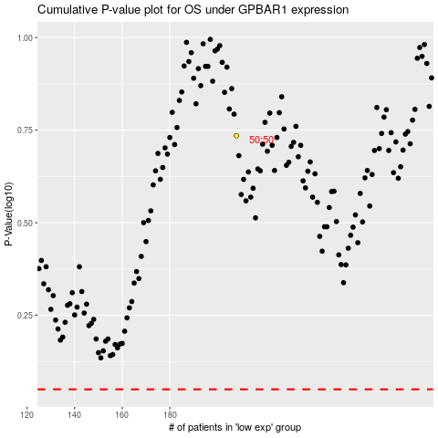

 |  |  |  |  |  | cases_OS | p_OS | rank | exp
 |  |  |  |  |  |  | cases_RFS | p_RFS | rank | exp

