GPBP1 _multivariate
Reported by Tex Li-Hsing Chi. tex@gate.sinica.edu.tw 2019-08-19

Table 2. The clinicopathological features of HNSCC cohort and GPBP1 expression. (Chi square test)
Cutoff at -0.22 (50.0%)
 |  | GPBP1 expression |  | GPBP1 expression |  | (Optimised)
 | Features | Low | (%) | High | (%) | Case no | P-value | Remark | Matthews
Gender | Female | 155 | 37.3 | 151 | 36.4 | 415 | 0.6768 | 0 | 0
2 | Male | 52 | 12.5 | 57 | 13.7
Age at diagnosis | <=65y | 136 | 32.8 | 138 | 33.3 | 415 | 0.9719 | 0 | 0
4 | >65y | 71 | 17.1 | 70 | 16.9
Clinical T Status | T1+T2 | 68 | 16.4 | 81 | 19.5 | 415 | 0.2336 | 0 | 0
6 | T3+T4 | 139 | 33.5 | 127 | 30.6
Clinical N Status | N0 | 110 | 26.5 | 106 | 25.5 | 415 | 0.7294 | 0 | 0
8 | N1-3 | 97 | 23.4 | 102 | 24.6
Clinical M Status | M0 | 206 | 49.6 | 206 | 49.6 | 415 | 1 | 0 | 0
10 | M1 | 1 | 0.2 | 2 | 0.5
Clinical Stage | Stage I+II | 51 | 12.3 | 51 | 12.3 | 415 | 1 | 0 | 0
12 | Stage III+IV | 156 | 37.6 | 157 | 37.8
Surgical Margin status | Negative | 165 | 39.8 | 153 | 36.9 | 415 | 0.1639 | 0 | 0
14 | Positive | 42 | 10.1 | 55 | 13.3
Tobacco Exposure | Low | 83 | 20 | 78 | 18.8 | 415 | 0.6152 | 0 | 0
16 | High | 124 | 29.9 | 130 | 31.3

Table 3. Univariate/Multivariate Cox's proportional hazards regression analyses on OS time of GPBP1 gene expression in HNSCC

 |  | Univariate |  |  |  | Multivariate
 | Features | HR | CI95%(L) | CI95%(H) | P-value | HR | CI95%(L) | CI95%(H) | P-value
1 | Female | 1 |  |  |  | 1
Gender | Male | 1.157 | 0.843 | 1.587 | 0.367 | 1.203 | 0.861 | 1.679 | 0.279
11 | <=65y | 1 |  |  |  | 1
Age at diagnosis | >65y | 1.329 | 0.99 | 1.784 | 0.058 | 1.389 | 1.022 | 1.889 | 0.036
12 | T1+T2 | 1 |  |  |  | 1
Clinical T Status | T3+T4 | 1.409 | 1.028 | 1.931 | 0.033 | 2.289 | 1.205 | 4.346 | 0.011
13 | N0 | 1 |  |  |  | 1
Clinical N Status | N1-3 | 1.185 | 0.89 | 1.577 | 0.246 | 1.241 | 0.87 | 1.77 | 0.233
14 | M0 | 1 |  |  |  | 1
Clinical M Status | M1 | 4.097 | 1.009 | 16.644 | 0.049 | 9.573 | 2.087 | 43.907 | 0.004
15 | Stage I+II | 1 |  |  |  | 1
Clinical Stage | Stage III+IV | 1.245 | 0.882 | 1.759 | 0.213 | 0.491 | 0.228 | 1.057 | 0.069
16 | Negative | 1 |  |  |  | 1
Surgical Margin status | Positive | 1.591 | 1.155 | 2.191 | 0.004 | 1.64 | 1.184 | 2.271 | 0.003
17 | Low | 1 |  |  |  | 1
Tobacco Exposure | High | 1.364 | 1.008 | 1.844 | 0.044 | 1.443 | 1.047 | 1.988 | 0.025
18 | Low | 1 |  |  |  | 1
RNAseq(z-score) | High | 1.156 | 0.867 | 1.54 | 0.323 | 1.157 | 0.863 | 1.55 | 0.329

Table 4. Univariate/Multivariate Cox's proportional hazards regression analyses on RFS time of GPBP1 gene expression in HNSCC

 |  | Univariate |  |  |  | Multivariate
 | Features | HR | CI95%(L) | CI95%(H) | P-value | HR | CI95%(L) | CI95%(H) | P-value
1 | Female | 1 |  |  |  | 1
Gender | Male | 1.157 | 0.843 | 1.587 | 0.367 | 1.203 | 0.861 | 1.679 | 0.279
11 | <=65y | 1 |  |  |  | 1
Age at diagnosis | >65y | 1.329 | 0.99 | 1.784 | 0.058 | 1.389 | 1.022 | 1.889 | 0.036
12 | T1+T2 | 1 |  |  |  | 1
Clinical T Status | T3+T4 | 1.409 | 1.028 | 1.931 | 0.033 | 2.289 | 1.205 | 4.346 | 0.011
13 | N0 | 1 |  |  |  | 1
Clinical N Status | N1-3 | 1.185 | 0.89 | 1.577 | 0.246 | 1.241 | 0.87 | 1.77 | 0.233
14 | M0 | 1 |  |  |  | 1
Clinical M Status | M1 | 4.097 | 1.009 | 16.644 | 0.049 | 9.573 | 2.087 | 43.907 | 0.004
15 | Stage I+II | 1 |  |  |  | 1
Clinical Stage | Stage III+IV | 1.245 | 0.882 | 1.759 | 0.213 | 0.491 | 0.228 | 1.057 | 0.069
16 | Negative | 1 |  |  |  | 1
Surgical Margin status | Positive | 1.591 | 1.155 | 2.191 | 0.004 | 1.64 | 1.184 | 2.271 | 0.003
17 | Low | 1 |  |  |  | 1
Tobacco Exposure | High | 1.364 | 1.008 | 1.844 | 0.044 | 1.443 | 1.047 | 1.988 | 0.025
18 | Low | 1 |  |  |  | 1
RNAseq(z-score) | High | 1.156 | 0.867 | 1.54 | 0.323 | 1.157 | 0.863 | 1.55 | 0.329

Kaplan-Meier survival estimate: Cutoff at -0.22 (50.0%)



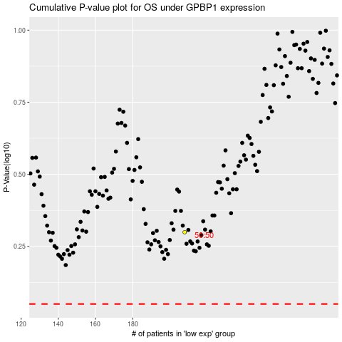

 |  |  |  |  |  | cases_OS | p_OS | rank | exp
 |  |  |  |  |  |  | cases_RFS | p_RFS | rank | exp

