GPC3 _multivariate
Reported by Tex Li-Hsing Chi. tex@gate.sinica.edu.tw 2019-08-19

Table 2. The clinicopathological features of HNSCC cohort and GPC3 expression. (Chi square test)
Cutoff at -0.296 (49.8%)
 |  | GPC3 expression |  | GPC3 expression |  | (Optimised)
 | Features | Low | (%) | High | (%) | Case no | P-value | Remark | Matthews
Gender | Female | 152 | 36.6 | 154 | 37.1 | 415 | 0.9766 | 0 | 0
2 | Male | 55 | 13.3 | 54 | 13
Age at diagnosis | <=65y | 135 | 32.5 | 139 | 33.5 | 415 | 0.8084 | 0 | 0
4 | >65y | 72 | 17.3 | 69 | 16.6
Clinical T Status | T1+T2 | 66 | 15.9 | 83 | 20 | 415 | 0.1095 | 0 | 0
6 | T3+T4 | 141 | 34 | 125 | 30.1
Clinical N Status | N0 | 99 | 23.9 | 117 | 28.2 | 415 | 0.1054 | 0 | 0
8 | N1-3 | 108 | 26 | 91 | 21.9
Clinical M Status | M0 | 204 | 49.2 | 208 | 50.1 | 415 | 0.1232 | 0 | 0
10 | M1 | 3 | 0.7 | 0 | 0
Clinical Stage | Stage I+II | 46 | 11.1 | 56 | 13.5 | 415 | 0.3182 | 0 | 0
12 | Stage III+IV | 161 | 38.8 | 152 | 36.6
Surgical Margin status | Negative | 158 | 38.1 | 160 | 38.6 | 415 | 0.9081 | 0 | 0
14 | Positive | 49 | 11.8 | 48 | 11.6
Tobacco Exposure | Low | 92 | 22.2 | 69 | 16.6 | 415 | 0.0206 | 1 | 0
16 | High | 115 | 27.7 | 139 | 33.5

Table 3. Univariate/Multivariate Cox's proportional hazards regression analyses on OS time of GPC3 gene expression in HNSCC

 |  | Univariate |  |  |  | Multivariate
 | Features | HR | CI95%(L) | CI95%(H) | P-value | HR | CI95%(L) | CI95%(H) | P-value
1 | Female | 1 |  |  |  | 1
Gender | Male | 1.157 | 0.843 | 1.587 | 0.367 | 1.208 | 0.864 | 1.689 | 0.268
11 | <=65y | 1 |  |  |  | 1
Age at diagnosis | >65y | 1.329 | 0.99 | 1.784 | 0.058 | 1.391 | 1.023 | 1.891 | 0.035
12 | T1+T2 | 1 |  |  |  | 1
Clinical T Status | T3+T4 | 1.409 | 1.028 | 1.931 | 0.033 | 2.158 | 1.138 | 4.095 | 0.019
13 | N0 | 1 |  |  |  | 1
Clinical N Status | N1-3 | 1.185 | 0.89 | 1.577 | 0.246 | 1.215 | 0.846 | 1.744 | 0.291
14 | M0 | 1 |  |  |  | 1
Clinical M Status | M1 | 4.097 | 1.009 | 16.644 | 0.049 | 8.93 | 1.932 | 41.28 | 0.005
15 | Stage I+II | 1 |  |  |  | 1
Clinical Stage | Stage III+IV | 1.245 | 0.882 | 1.759 | 0.213 | 0.518 | 0.24 | 1.116 | 0.093
16 | Negative | 1 |  |  |  | 1
Surgical Margin status | Positive | 1.591 | 1.155 | 2.191 | 0.004 | 1.673 | 1.21 | 2.312 | 0.002
17 | Low | 1 |  |  |  | 1
Tobacco Exposure | High | 1.364 | 1.008 | 1.844 | 0.044 | 1.481 | 1.068 | 2.053 | 0.018
18 | Low | 1 |  |  |  | 1
RNAseq(z-score) | High | 0.9 | 0.675 | 1.2 | 0.472 | 0.909 | 0.674 | 1.226 | 0.531

Table 4. Univariate/Multivariate Cox's proportional hazards regression analyses on RFS time of GPC3 gene expression in HNSCC

 |  | Univariate |  |  |  | Multivariate
 | Features | HR | CI95%(L) | CI95%(H) | P-value | HR | CI95%(L) | CI95%(H) | P-value
1 | Female | 1 |  |  |  | 1
Gender | Male | 1.157 | 0.843 | 1.587 | 0.367 | 1.208 | 0.864 | 1.689 | 0.268
11 | <=65y | 1 |  |  |  | 1
Age at diagnosis | >65y | 1.329 | 0.99 | 1.784 | 0.058 | 1.391 | 1.023 | 1.891 | 0.035
12 | T1+T2 | 1 |  |  |  | 1
Clinical T Status | T3+T4 | 1.409 | 1.028 | 1.931 | 0.033 | 2.158 | 1.138 | 4.095 | 0.019
13 | N0 | 1 |  |  |  | 1
Clinical N Status | N1-3 | 1.185 | 0.89 | 1.577 | 0.246 | 1.215 | 0.846 | 1.744 | 0.291
14 | M0 | 1 |  |  |  | 1
Clinical M Status | M1 | 4.097 | 1.009 | 16.644 | 0.049 | 8.93 | 1.932 | 41.28 | 0.005
15 | Stage I+II | 1 |  |  |  | 1
Clinical Stage | Stage III+IV | 1.245 | 0.882 | 1.759 | 0.213 | 0.518 | 0.24 | 1.116 | 0.093
16 | Negative | 1 |  |  |  | 1
Surgical Margin status | Positive | 1.591 | 1.155 | 2.191 | 0.004 | 1.673 | 1.21 | 2.312 | 0.002
17 | Low | 1 |  |  |  | 1
Tobacco Exposure | High | 1.364 | 1.008 | 1.844 | 0.044 | 1.481 | 1.068 | 2.053 | 0.018
18 | Low | 1 |  |  |  | 1
RNAseq(z-score) | High | 0.9 | 0.675 | 1.2 | 0.472 | 0.909 | 0.674 | 1.226 | 0.531

Kaplan-Meier survival estimate: Cutoff at -0.296 (49.8%)



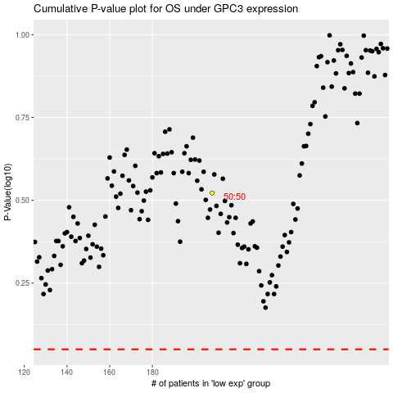

 |  |  |  |  |  | cases_OS | p_OS | rank | exp
 |  |  |  |  |  |  | cases_RFS | p_RFS | rank | exp

