GPC4 _multivariate
Reported by Tex Li-Hsing Chi. tex@gate.sinica.edu.tw 2019-08-19

Table 2. The clinicopathological features of HNSCC cohort and GPC4 expression. (Chi square test)
Cutoff at -0.342 (50.0%)
 |  | GPC4 expression |  | GPC4 expression |  | (Optimised)
 | Features | Low | (%) | High | (%) | Case no | P-value | Remark | Matthews
Gender | Female | 154 | 37.1 | 152 | 36.6 | 415 | 0.8463 | 0 | 0
2 | Male | 53 | 12.8 | 56 | 13.5
Age at diagnosis | <=65y | 133 | 32 | 141 | 34 | 415 | 0.5111 | 0 | 0
4 | >65y | 74 | 17.8 | 67 | 16.1
Clinical T Status | T1+T2 | 68 | 16.4 | 81 | 19.5 | 415 | 0.2336 | 0 | 0
6 | T3+T4 | 139 | 33.5 | 127 | 30.6
Clinical N Status | N0 | 99 | 23.9 | 117 | 28.2 | 415 | 0.1054 | 0 | 0
8 | N1-3 | 108 | 26 | 91 | 21.9
Clinical M Status | M0 | 204 | 49.2 | 208 | 50.1 | 415 | 0.1232 | 0 | 0
10 | M1 | 3 | 0.7 | 0 | 0
Clinical Stage | Stage I+II | 43 | 10.4 | 59 | 14.2 | 415 | 0.0925 | 0 | 0
12 | Stage III+IV | 164 | 39.5 | 149 | 35.9
Surgical Margin status | Negative | 158 | 38.1 | 160 | 38.6 | 415 | 0.9081 | 0 | 0
14 | Positive | 49 | 11.8 | 48 | 11.6
Tobacco Exposure | Low | 84 | 20.2 | 77 | 18.6 | 415 | 0.4816 | 0 | 0
16 | High | 123 | 29.6 | 131 | 31.6

Table 3. Univariate/Multivariate Cox's proportional hazards regression analyses on OS time of GPC4 gene expression in HNSCC

 |  | Univariate |  |  |  | Multivariate
 | Features | HR | CI95%(L) | CI95%(H) | P-value | HR | CI95%(L) | CI95%(H) | P-value
1 | Female | 1 |  |  |  | 1
Gender | Male | 1.157 | 0.843 | 1.587 | 0.367 | 1.203 | 0.861 | 1.68 | 0.279
11 | <=65y | 1 |  |  |  | 1
Age at diagnosis | >65y | 1.329 | 0.99 | 1.784 | 0.058 | 1.399 | 1.029 | 1.904 | 0.032
12 | T1+T2 | 1 |  |  |  | 1
Clinical T Status | T3+T4 | 1.409 | 1.028 | 1.931 | 0.033 | 2.222 | 1.174 | 4.204 | 0.014
13 | N0 | 1 |  |  |  | 1
Clinical N Status | N1-3 | 1.185 | 0.89 | 1.577 | 0.246 | 1.254 | 0.878 | 1.793 | 0.214
14 | M0 | 1 |  |  |  | 1
Clinical M Status | M1 | 4.097 | 1.009 | 16.644 | 0.049 | 9.893 | 2.14 | 45.735 | 0.003
15 | Stage I+II | 1 |  |  |  | 1
Clinical Stage | Stage III+IV | 1.245 | 0.882 | 1.759 | 0.213 | 0.5 | 0.233 | 1.074 | 0.076
16 | Negative | 1 |  |  |  | 1
Surgical Margin status | Positive | 1.591 | 1.155 | 2.191 | 0.004 | 1.679 | 1.215 | 2.321 | 0.002
17 | Low | 1 |  |  |  | 1
Tobacco Exposure | High | 1.364 | 1.008 | 1.844 | 0.044 | 1.434 | 1.039 | 1.98 | 0.028
18 | Low | 1 |  |  |  | 1
RNAseq(z-score) | High | 1.047 | 0.786 | 1.394 | 0.754 | 1.098 | 0.819 | 1.472 | 0.533

Table 4. Univariate/Multivariate Cox's proportional hazards regression analyses on RFS time of GPC4 gene expression in HNSCC

 |  | Univariate |  |  |  | Multivariate
 | Features | HR | CI95%(L) | CI95%(H) | P-value | HR | CI95%(L) | CI95%(H) | P-value
1 | Female | 1 |  |  |  | 1
Gender | Male | 1.157 | 0.843 | 1.587 | 0.367 | 1.203 | 0.861 | 1.68 | 0.279
11 | <=65y | 1 |  |  |  | 1
Age at diagnosis | >65y | 1.329 | 0.99 | 1.784 | 0.058 | 1.399 | 1.029 | 1.904 | 0.032
12 | T1+T2 | 1 |  |  |  | 1
Clinical T Status | T3+T4 | 1.409 | 1.028 | 1.931 | 0.033 | 2.222 | 1.174 | 4.204 | 0.014
13 | N0 | 1 |  |  |  | 1
Clinical N Status | N1-3 | 1.185 | 0.89 | 1.577 | 0.246 | 1.254 | 0.878 | 1.793 | 0.214
14 | M0 | 1 |  |  |  | 1
Clinical M Status | M1 | 4.097 | 1.009 | 16.644 | 0.049 | 9.893 | 2.14 | 45.735 | 0.003
15 | Stage I+II | 1 |  |  |  | 1
Clinical Stage | Stage III+IV | 1.245 | 0.882 | 1.759 | 0.213 | 0.5 | 0.233 | 1.074 | 0.076
16 | Negative | 1 |  |  |  | 1
Surgical Margin status | Positive | 1.591 | 1.155 | 2.191 | 0.004 | 1.679 | 1.215 | 2.321 | 0.002
17 | Low | 1 |  |  |  | 1
Tobacco Exposure | High | 1.364 | 1.008 | 1.844 | 0.044 | 1.434 | 1.039 | 1.98 | 0.028
18 | Low | 1 |  |  |  | 1
RNAseq(z-score) | High | 1.047 | 0.786 | 1.394 | 0.754 | 1.098 | 0.819 | 1.472 | 0.533

Kaplan-Meier survival estimate: Cutoff at -0.342 (50.0%)



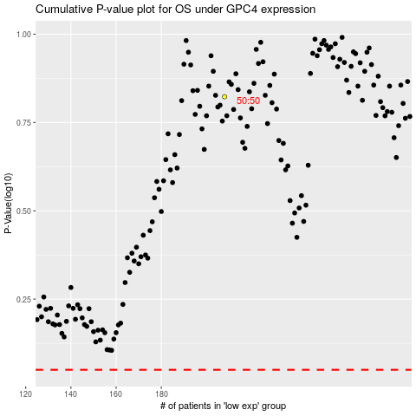

 |  |  |  |  |  | cases_OS | p_OS | rank | exp
 |  |  |  |  |  |  | cases_RFS | p_RFS | rank | exp

