GPC6 _multivariate
Reported by Tex Li-Hsing Chi. tex@gate.sinica.edu.tw 2019-08-19

Table 2. The clinicopathological features of HNSCC cohort and GPC6 expression. (Chi square test)
Cutoff at -0.28 (49.8%)
 |  | GPC6 expression |  | GPC6 expression |  | (Optimised)
 | Features | Low | (%) | High | (%) | Case no | P-value | Remark | Matthews
Gender | Female | 156 | 37.6 | 150 | 36.1 | 415 | 0.5222 | 0 | 0
2 | Male | 51 | 12.3 | 58 | 14
Age at diagnosis | <=65y | 140 | 33.7 | 134 | 32.3 | 415 | 0.5574 | 0 | 0
4 | >65y | 67 | 16.1 | 74 | 17.8
Clinical T Status | T1+T2 | 75 | 18.1 | 74 | 17.8 | 415 | 0.9707 | 0 | 0
6 | T3+T4 | 132 | 31.8 | 134 | 32.3
Clinical N Status | N0 | 107 | 25.8 | 109 | 26.3 | 415 | 0.9624 | 0 | 0
8 | N1-3 | 100 | 24.1 | 99 | 23.9
Clinical M Status | M0 | 204 | 49.2 | 208 | 50.1 | 415 | 0.1232 | 0 | 0
10 | M1 | 3 | 0.7 | 0 | 0
Clinical Stage | Stage I+II | 46 | 11.1 | 56 | 13.5 | 415 | 0.3182 | 0 | 0
12 | Stage III+IV | 161 | 38.8 | 152 | 36.6
Surgical Margin status | Negative | 155 | 37.3 | 163 | 39.3 | 415 | 0.4187 | 0 | 0
14 | Positive | 52 | 12.5 | 45 | 10.8
Tobacco Exposure | Low | 83 | 20 | 78 | 18.8 | 415 | 0.6152 | 0 | 0
16 | High | 124 | 29.9 | 130 | 31.3

Table 3. Univariate/Multivariate Cox's proportional hazards regression analyses on OS time of GPC6 gene expression in HNSCC

 |  | Univariate |  |  |  | Multivariate
 | Features | HR | CI95%(L) | CI95%(H) | P-value | HR | CI95%(L) | CI95%(H) | P-value
1 | Female | 1 |  |  |  | 1
Gender | Male | 1.157 | 0.843 | 1.587 | 0.367 | 1.201 | 0.86 | 1.678 | 0.282
11 | <=65y | 1 |  |  |  | 1
Age at diagnosis | >65y | 1.329 | 0.99 | 1.784 | 0.058 | 1.391 | 1.023 | 1.891 | 0.035
12 | T1+T2 | 1 |  |  |  | 1
Clinical T Status | T3+T4 | 1.409 | 1.028 | 1.931 | 0.033 | 2.18 | 1.151 | 4.129 | 0.017
13 | N0 | 1 |  |  |  | 1
Clinical N Status | N1-3 | 1.185 | 0.89 | 1.577 | 0.246 | 1.236 | 0.866 | 1.765 | 0.243
14 | M0 | 1 |  |  |  | 1
Clinical M Status | M1 | 4.097 | 1.009 | 16.644 | 0.049 | 9.637 | 2.094 | 44.359 | 0.004
15 | Stage I+II | 1 |  |  |  | 1
Clinical Stage | Stage III+IV | 1.245 | 0.882 | 1.759 | 0.213 | 0.514 | 0.238 | 1.108 | 0.089
16 | Negative | 1 |  |  |  | 1
Surgical Margin status | Positive | 1.591 | 1.155 | 2.191 | 0.004 | 1.678 | 1.214 | 2.32 | 0.002
17 | Low | 1 |  |  |  | 1
Tobacco Exposure | High | 1.364 | 1.008 | 1.844 | 0.044 | 1.454 | 1.055 | 2.003 | 0.022
18 | Low | 1 |  |  |  | 1
RNAseq(z-score) | High | 1.029 | 0.773 | 1.371 | 0.844 | 1.065 | 0.796 | 1.426 | 0.67

Table 4. Univariate/Multivariate Cox's proportional hazards regression analyses on RFS time of GPC6 gene expression in HNSCC

 |  | Univariate |  |  |  | Multivariate
 | Features | HR | CI95%(L) | CI95%(H) | P-value | HR | CI95%(L) | CI95%(H) | P-value
1 | Female | 1 |  |  |  | 1
Gender | Male | 1.157 | 0.843 | 1.587 | 0.367 | 1.201 | 0.86 | 1.678 | 0.282
11 | <=65y | 1 |  |  |  | 1
Age at diagnosis | >65y | 1.329 | 0.99 | 1.784 | 0.058 | 1.391 | 1.023 | 1.891 | 0.035
12 | T1+T2 | 1 |  |  |  | 1
Clinical T Status | T3+T4 | 1.409 | 1.028 | 1.931 | 0.033 | 2.18 | 1.151 | 4.129 | 0.017
13 | N0 | 1 |  |  |  | 1
Clinical N Status | N1-3 | 1.185 | 0.89 | 1.577 | 0.246 | 1.236 | 0.866 | 1.765 | 0.243
14 | M0 | 1 |  |  |  | 1
Clinical M Status | M1 | 4.097 | 1.009 | 16.644 | 0.049 | 9.637 | 2.094 | 44.359 | 0.004
15 | Stage I+II | 1 |  |  |  | 1
Clinical Stage | Stage III+IV | 1.245 | 0.882 | 1.759 | 0.213 | 0.514 | 0.238 | 1.108 | 0.089
16 | Negative | 1 |  |  |  | 1
Surgical Margin status | Positive | 1.591 | 1.155 | 2.191 | 0.004 | 1.678 | 1.214 | 2.32 | 0.002
17 | Low | 1 |  |  |  | 1
Tobacco Exposure | High | 1.364 | 1.008 | 1.844 | 0.044 | 1.454 | 1.055 | 2.003 | 0.022
18 | Low | 1 |  |  |  | 1
RNAseq(z-score) | High | 1.029 | 0.773 | 1.371 | 0.844 | 1.065 | 0.796 | 1.426 | 0.67

Kaplan-Meier survival estimate: Cutoff at -0.28 (49.8%)

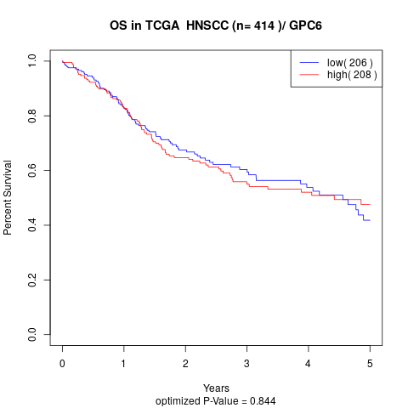

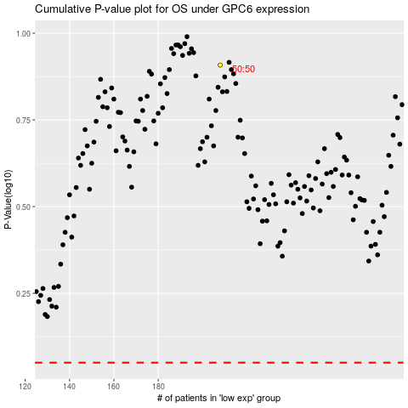

 |  |  |  |  |  | cases_OS | p_OS | rank | exp
 |  |  |  |  |  |  | cases_RFS | p_RFS | rank | exp

