GPD1L _multivariate
Reported by Tex Li-Hsing Chi. tex@gate.sinica.edu.tw 2019-08-19

Table 2. The clinicopathological features of HNSCC cohort and GPD1L expression. (Chi square test)
Cutoff at -0.295 (50.0%)
 |  | GPD1L expression |  | GPD1L expression |  | (Optimised)
 | Features | Low | (%) | High | (%) | Case no | P-value | Remark | Matthews
Gender | Female | 156 | 37.6 | 150 | 36.1 | 415 | 0.5222 | 0 | 0
2 | Male | 51 | 12.3 | 58 | 14
Age at diagnosis | <=65y | 138 | 33.3 | 136 | 32.8 | 415 | 0.8634 | 0 | 0
4 | >65y | 69 | 16.6 | 72 | 17.3
Clinical T Status | T1+T2 | 59 | 14.2 | 90 | 21.7 | 415 | 0.0024 | 1 | 0
6 | T3+T4 | 148 | 35.7 | 118 | 28.4
Clinical N Status | N0 | 109 | 26.3 | 107 | 25.8 | 415 | 0.8812 | 0 | 0
8 | N1-3 | 98 | 23.6 | 101 | 24.3
Clinical M Status | M0 | 205 | 49.4 | 207 | 49.9 | 415 | 0.6232 | 0 | 0
10 | M1 | 2 | 0.5 | 1 | 0.2
Clinical Stage | Stage I+II | 44 | 10.6 | 58 | 14 | 415 | 0.1459 | 0 | 0
12 | Stage III+IV | 163 | 39.3 | 150 | 36.1
Surgical Margin status | Negative | 156 | 37.6 | 162 | 39 | 415 | 0.5636 | 0 | 0
14 | Positive | 51 | 12.3 | 46 | 11.1
Tobacco Exposure | Low | 79 | 19 | 82 | 19.8 | 415 | 0.8405 | 0 | 0
16 | High | 128 | 30.8 | 126 | 30.4

Table 3. Univariate/Multivariate Cox's proportional hazards regression analyses on OS time of GPD1L gene expression in HNSCC

 |  | Univariate |  |  |  | Multivariate
 | Features | HR | CI95%(L) | CI95%(H) | P-value | HR | CI95%(L) | CI95%(H) | P-value
1 | Female | 1 |  |  |  | 1
Gender | Male | 1.157 | 0.843 | 1.587 | 0.367 | 1.205 | 0.862 | 1.683 | 0.275
11 | <=65y | 1 |  |  |  | 1
Age at diagnosis | >65y | 1.329 | 0.99 | 1.784 | 0.058 | 1.391 | 1.023 | 1.891 | 0.035
12 | T1+T2 | 1 |  |  |  | 1
Clinical T Status | T3+T4 | 1.409 | 1.028 | 1.931 | 0.033 | 2.217 | 1.17 | 4.2 | 0.015
13 | N0 | 1 |  |  |  | 1
Clinical N Status | N1-3 | 1.185 | 0.89 | 1.577 | 0.246 | 1.235 | 0.864 | 1.765 | 0.247
14 | M0 | 1 |  |  |  | 1
Clinical M Status | M1 | 4.097 | 1.009 | 16.644 | 0.049 | 9.591 | 2.079 | 44.25 | 0.004
15 | Stage I+II | 1 |  |  |  | 1
Clinical Stage | Stage III+IV | 1.245 | 0.882 | 1.759 | 0.213 | 0.504 | 0.235 | 1.081 | 0.079
16 | Negative | 1 |  |  |  | 1
Surgical Margin status | Positive | 1.591 | 1.155 | 2.191 | 0.004 | 1.678 | 1.213 | 2.321 | 0.002
17 | Low | 1 |  |  |  | 1
Tobacco Exposure | High | 1.364 | 1.008 | 1.844 | 0.044 | 1.451 | 1.053 | 1.999 | 0.023
18 | Low | 1 |  |  |  | 1
RNAseq(z-score) | High | 0.966 | 0.725 | 1.286 | 0.811 | 1.041 | 0.778 | 1.393 | 0.787

Table 4. Univariate/Multivariate Cox's proportional hazards regression analyses on RFS time of GPD1L gene expression in HNSCC

 |  | Univariate |  |  |  | Multivariate
 | Features | HR | CI95%(L) | CI95%(H) | P-value | HR | CI95%(L) | CI95%(H) | P-value
1 | Female | 1 |  |  |  | 1
Gender | Male | 1.157 | 0.843 | 1.587 | 0.367 | 1.205 | 0.862 | 1.683 | 0.275
11 | <=65y | 1 |  |  |  | 1
Age at diagnosis | >65y | 1.329 | 0.99 | 1.784 | 0.058 | 1.391 | 1.023 | 1.891 | 0.035
12 | T1+T2 | 1 |  |  |  | 1
Clinical T Status | T3+T4 | 1.409 | 1.028 | 1.931 | 0.033 | 2.217 | 1.17 | 4.2 | 0.015
13 | N0 | 1 |  |  |  | 1
Clinical N Status | N1-3 | 1.185 | 0.89 | 1.577 | 0.246 | 1.235 | 0.864 | 1.765 | 0.247
14 | M0 | 1 |  |  |  | 1
Clinical M Status | M1 | 4.097 | 1.009 | 16.644 | 0.049 | 9.591 | 2.079 | 44.25 | 0.004
15 | Stage I+II | 1 |  |  |  | 1
Clinical Stage | Stage III+IV | 1.245 | 0.882 | 1.759 | 0.213 | 0.504 | 0.235 | 1.081 | 0.079
16 | Negative | 1 |  |  |  | 1
Surgical Margin status | Positive | 1.591 | 1.155 | 2.191 | 0.004 | 1.678 | 1.213 | 2.321 | 0.002
17 | Low | 1 |  |  |  | 1
Tobacco Exposure | High | 1.364 | 1.008 | 1.844 | 0.044 | 1.451 | 1.053 | 1.999 | 0.023
18 | Low | 1 |  |  |  | 1
RNAseq(z-score) | High | 0.966 | 0.725 | 1.286 | 0.811 | 1.041 | 0.778 | 1.393 | 0.787

Kaplan-Meier survival estimate: Cutoff at -0.295 (50.0%)



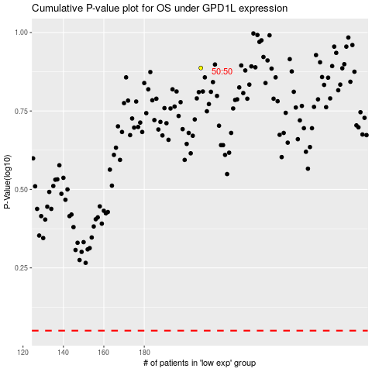

 |  |  |  |  |  | cases_OS | p_OS | rank | exp
 |  |  |  |  |  |  | cases_RFS | p_RFS | rank | exp

