GPD2 _multivariate
Reported by Tex Li-Hsing Chi. tex@gate.sinica.edu.tw 2019-08-19

Table 2. The clinicopathological features of HNSCC cohort and GPD2 expression. (Chi square test)
Cutoff at -0.511 (36.7%)
 |  | GPD2 expression |  | GPD2 expression |  | (Optimised)
 | Features | Low | (%) | High | (%) | Case no | P-value | Remark | Matthews
Gender | Female | 112 | 27 | 194 | 46.7 | 415 | 0.942 | 0 | 0
2 | Male | 41 | 9.9 | 68 | 16.4
Age at diagnosis | <=65y | 109 | 26.3 | 165 | 39.8 | 415 | 0.1079 | 0 | 0
4 | >65y | 44 | 10.6 | 97 | 23.4
Clinical T Status | T1+T2 | 54 | 13 | 95 | 22.9 | 415 | 0.9269 | 0 | 0
6 | T3+T4 | 99 | 23.9 | 167 | 40.2
Clinical N Status | N0 | 75 | 18.1 | 141 | 34 | 415 | 0.3998 | 0 | 0
8 | N1-3 | 78 | 18.8 | 121 | 29.2
Clinical M Status | M0 | 151 | 36.4 | 261 | 62.9 | 415 | 0.5577 | 0 | 0
10 | M1 | 2 | 0.5 | 1 | 0.2
Clinical Stage | Stage I+II | 35 | 8.4 | 67 | 16.1 | 415 | 0.6189 | 0 | 0
12 | Stage III+IV | 118 | 28.4 | 195 | 47
Surgical Margin status | Negative | 115 | 27.7 | 203 | 48.9 | 415 | 0.6311 | 0 | 0
14 | Positive | 38 | 9.2 | 59 | 14.2
Tobacco Exposure | Low | 64 | 15.4 | 97 | 23.4 | 415 | 0.3486 | 0 | 0
16 | High | 89 | 21.4 | 165 | 39.8

Table 3. Univariate/Multivariate Cox's proportional hazards regression analyses on OS time of GPD2 gene expression in HNSCC

 |  | Univariate |  |  |  | Multivariate
 | Features | HR | CI95%(L) | CI95%(H) | P-value | HR | CI95%(L) | CI95%(H) | P-value
1 | Female | 1 |  |  |  | 1
Gender | Male | 1.157 | 0.843 | 1.587 | 0.367 | 1.215 | 0.869 | 1.697 | 0.254
11 | <=65y | 1 |  |  |  | 1
Age at diagnosis | >65y | 1.329 | 0.99 | 1.784 | 0.058 | 1.368 | 1.006 | 1.862 | 0.046
12 | T1+T2 | 1 |  |  |  | 1
Clinical T Status | T3+T4 | 1.409 | 1.028 | 1.931 | 0.033 | 2.328 | 1.229 | 4.41 | 0.01
13 | N0 | 1 |  |  |  | 1
Clinical N Status | N1-3 | 1.185 | 0.89 | 1.577 | 0.246 | 1.276 | 0.893 | 1.824 | 0.181
14 | M0 | 1 |  |  |  | 1
Clinical M Status | M1 | 4.097 | 1.009 | 16.644 | 0.049 | 11.515 | 2.487 | 53.327 | 0.002
15 | Stage I+II | 1 |  |  |  | 1
Clinical Stage | Stage III+IV | 1.245 | 0.882 | 1.759 | 0.213 | 0.47 | 0.218 | 1.011 | 0.053
16 | Negative | 1 |  |  |  | 1
Surgical Margin status | Positive | 1.591 | 1.155 | 2.191 | 0.004 | 1.733 | 1.252 | 2.398 | 0.001
17 | Low | 1 |  |  |  | 1
Tobacco Exposure | High | 1.364 | 1.008 | 1.844 | 0.044 | 1.402 | 1.017 | 1.933 | 0.039
18 | Low | 1 |  |  |  | 1
RNAseq(z-score) | High | 1.369 | 1.004 | 1.866 | 0.047 | 1.448 | 1.055 | 1.985 | 0.022

Table 4. Univariate/Multivariate Cox's proportional hazards regression analyses on RFS time of GPD2 gene expression in HNSCC

 |  | Univariate |  |  |  | Multivariate
 | Features | HR | CI95%(L) | CI95%(H) | P-value | HR | CI95%(L) | CI95%(H) | P-value
1 | Female | 1 |  |  |  | 1
Gender | Male | 1.157 | 0.843 | 1.587 | 0.367 | 1.215 | 0.869 | 1.697 | 0.254
11 | <=65y | 1 |  |  |  | 1
Age at diagnosis | >65y | 1.329 | 0.99 | 1.784 | 0.058 | 1.368 | 1.006 | 1.862 | 0.046
12 | T1+T2 | 1 |  |  |  | 1
Clinical T Status | T3+T4 | 1.409 | 1.028 | 1.931 | 0.033 | 2.328 | 1.229 | 4.41 | 0.01
13 | N0 | 1 |  |  |  | 1
Clinical N Status | N1-3 | 1.185 | 0.89 | 1.577 | 0.246 | 1.276 | 0.893 | 1.824 | 0.181
14 | M0 | 1 |  |  |  | 1
Clinical M Status | M1 | 4.097 | 1.009 | 16.644 | 0.049 | 11.515 | 2.487 | 53.327 | 0.002
15 | Stage I+II | 1 |  |  |  | 1
Clinical Stage | Stage III+IV | 1.245 | 0.882 | 1.759 | 0.213 | 0.47 | 0.218 | 1.011 | 0.053
16 | Negative | 1 |  |  |  | 1
Surgical Margin status | Positive | 1.591 | 1.155 | 2.191 | 0.004 | 1.733 | 1.252 | 2.398 | 0.001
17 | Low | 1 |  |  |  | 1
Tobacco Exposure | High | 1.364 | 1.008 | 1.844 | 0.044 | 1.402 | 1.017 | 1.933 | 0.039
18 | Low | 1 |  |  |  | 1
RNAseq(z-score) | High | 1.369 | 1.004 | 1.866 | 0.047 | 1.448 | 1.055 | 1.985 | 0.022

Kaplan-Meier survival estimate: Cutoff at -0.511 (36.7%)



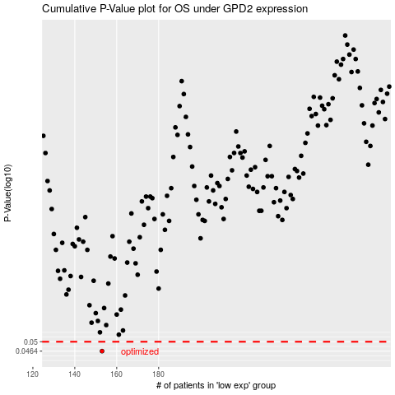

 |  |  |  |  |  | cases_OS | p_OS | rank | exp
 |  |  |  |  |  | 153 | 0.0464 | 225 | -0.51130173695
 |  |  |  |  |  |  | cases_RFS | p_RFS | rank | exp
 |  |  |  |  |  |  | 152 | 0.0464 | 235 | -0.51420843758

