GPKOW _multivariate
Reported by Tex Li-Hsing Chi. tex@gate.sinica.edu.tw 2019-08-19

Table 2. The clinicopathological features of HNSCC cohort and GPKOW expression. (Chi square test)
Cutoff at -0.19 (50.0%)
 |  | GPKOW expression |  | GPKOW expression |  | (Optimised)
 | Features | Low | (%) | High | (%) | Case no | P-value | Remark | Matthews
Gender | Female | 140 | 33.7 | 166 | 40 | 415 | 0.0068 | 1 | 0
2 | Male | 67 | 16.1 | 42 | 10.1
Age at diagnosis | <=65y | 133 | 32 | 141 | 34 | 415 | 0.5111 | 0 | 0
4 | >65y | 74 | 17.8 | 67 | 16.1
Clinical T Status | T1+T2 | 71 | 17.1 | 78 | 18.8 | 415 | 0.5638 | 0 | 0
6 | T3+T4 | 136 | 32.8 | 130 | 31.3
Clinical N Status | N0 | 110 | 26.5 | 106 | 25.5 | 415 | 0.7294 | 0 | 0
8 | N1-3 | 97 | 23.4 | 102 | 24.6
Clinical M Status | M0 | 206 | 49.6 | 206 | 49.6 | 415 | 1 | 0 | 0
10 | M1 | 1 | 0.2 | 2 | 0.5
Clinical Stage | Stage I+II | 54 | 13 | 48 | 11.6 | 415 | 0.5498 | 0 | 0
12 | Stage III+IV | 153 | 36.9 | 160 | 38.6
Surgical Margin status | Negative | 159 | 38.3 | 159 | 38.3 | 415 | 1 | 0 | 0
14 | Positive | 48 | 11.6 | 49 | 11.8
Tobacco Exposure | Low | 79 | 19 | 82 | 19.8 | 415 | 0.8405 | 0 | 0
16 | High | 128 | 30.8 | 126 | 30.4

Table 3. Univariate/Multivariate Cox's proportional hazards regression analyses on OS time of GPKOW gene expression in HNSCC

 |  | Univariate |  |  |  | Multivariate
 | Features | HR | CI95%(L) | CI95%(H) | P-value | HR | CI95%(L) | CI95%(H) | P-value
1 | Female | 1 |  |  |  | 1
Gender | Male | 1.157 | 0.843 | 1.587 | 0.367 | 1.228 | 0.876 | 1.723 | 0.234
11 | <=65y | 1 |  |  |  | 1
Age at diagnosis | >65y | 1.329 | 0.99 | 1.784 | 0.058 | 1.394 | 1.025 | 1.896 | 0.034
12 | T1+T2 | 1 |  |  |  | 1
Clinical T Status | T3+T4 | 1.409 | 1.028 | 1.931 | 0.033 | 2.206 | 1.166 | 4.174 | 0.015
13 | N0 | 1 |  |  |  | 1
Clinical N Status | N1-3 | 1.185 | 0.89 | 1.577 | 0.246 | 1.231 | 0.862 | 1.756 | 0.253
14 | M0 | 1 |  |  |  | 1
Clinical M Status | M1 | 4.097 | 1.009 | 16.644 | 0.049 | 9.141 | 1.992 | 41.954 | 0.004
15 | Stage I+II | 1 |  |  |  | 1
Clinical Stage | Stage III+IV | 1.245 | 0.882 | 1.759 | 0.213 | 0.506 | 0.235 | 1.086 | 0.08
16 | Negative | 1 |  |  |  | 1
Surgical Margin status | Positive | 1.591 | 1.155 | 2.191 | 0.004 | 1.669 | 1.208 | 2.306 | 0.002
17 | Low | 1 |  |  |  | 1
Tobacco Exposure | High | 1.364 | 1.008 | 1.844 | 0.044 | 1.463 | 1.061 | 2.017 | 0.02
18 | Low | 1 |  |  |  | 1
RNAseq(z-score) | High | 1.12 | 0.84 | 1.493 | 0.442 | 1.139 | 0.85 | 1.526 | 0.385

Table 4. Univariate/Multivariate Cox's proportional hazards regression analyses on RFS time of GPKOW gene expression in HNSCC

 |  | Univariate |  |  |  | Multivariate
 | Features | HR | CI95%(L) | CI95%(H) | P-value | HR | CI95%(L) | CI95%(H) | P-value
1 | Female | 1 |  |  |  | 1
Gender | Male | 1.157 | 0.843 | 1.587 | 0.367 | 1.228 | 0.876 | 1.723 | 0.234
11 | <=65y | 1 |  |  |  | 1
Age at diagnosis | >65y | 1.329 | 0.99 | 1.784 | 0.058 | 1.394 | 1.025 | 1.896 | 0.034
12 | T1+T2 | 1 |  |  |  | 1
Clinical T Status | T3+T4 | 1.409 | 1.028 | 1.931 | 0.033 | 2.206 | 1.166 | 4.174 | 0.015
13 | N0 | 1 |  |  |  | 1
Clinical N Status | N1-3 | 1.185 | 0.89 | 1.577 | 0.246 | 1.231 | 0.862 | 1.756 | 0.253
14 | M0 | 1 |  |  |  | 1
Clinical M Status | M1 | 4.097 | 1.009 | 16.644 | 0.049 | 9.141 | 1.992 | 41.954 | 0.004
15 | Stage I+II | 1 |  |  |  | 1
Clinical Stage | Stage III+IV | 1.245 | 0.882 | 1.759 | 0.213 | 0.506 | 0.235 | 1.086 | 0.08
16 | Negative | 1 |  |  |  | 1
Surgical Margin status | Positive | 1.591 | 1.155 | 2.191 | 0.004 | 1.669 | 1.208 | 2.306 | 0.002
17 | Low | 1 |  |  |  | 1
Tobacco Exposure | High | 1.364 | 1.008 | 1.844 | 0.044 | 1.463 | 1.061 | 2.017 | 0.02
18 | Low | 1 |  |  |  | 1
RNAseq(z-score) | High | 1.12 | 0.84 | 1.493 | 0.442 | 1.139 | 0.85 | 1.526 | 0.385

Kaplan-Meier survival estimate: Cutoff at -0.19 (50.0%)

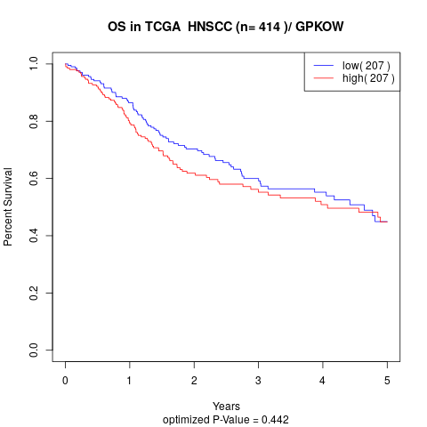

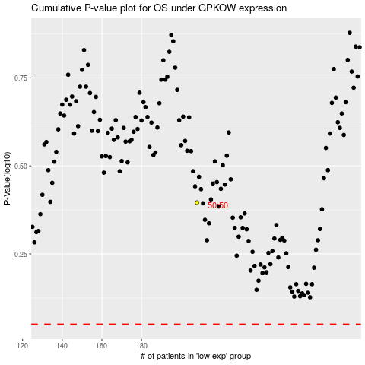

 |  |  |  |  |  | cases_OS | p_OS | rank | exp
 |  |  |  |  |  |  | cases_RFS | p_RFS | rank | exp

