GPR1 _multivariate
Reported by Tex Li-Hsing Chi. tex@gate.sinica.edu.tw 2019-08-19

Table 2. The clinicopathological features of HNSCC cohort and GPR1 expression. (Chi square test)
Cutoff at -0.282 (50.0%)
 |  | GPR1 expression |  | GPR1 expression |  | (Optimised)
 | Features | Low | (%) | High | (%) | Case no | P-value | Remark | Matthews
Gender | Female | 166 | 40 | 140 | 33.7 | 415 | 0.0041 | 1 | 0
2 | Male | 41 | 9.9 | 68 | 16.4
Age at diagnosis | <=65y | 144 | 34.7 | 130 | 31.3 | 415 | 0.1568 | 0 | 0
4 | >65y | 63 | 15.2 | 78 | 18.8
Clinical T Status | T1+T2 | 72 | 17.3 | 77 | 18.6 | 415 | 0.7095 | 0 | 0
6 | T3+T4 | 135 | 32.5 | 131 | 31.6
Clinical N Status | N0 | 103 | 24.8 | 113 | 27.2 | 415 | 0.4047 | 0 | 0
8 | N1-3 | 104 | 25.1 | 95 | 22.9
Clinical M Status | M0 | 206 | 49.6 | 206 | 49.6 | 415 | 1 | 0 | 0
10 | M1 | 1 | 0.2 | 2 | 0.5
Clinical Stage | Stage I+II | 43 | 10.4 | 59 | 14.2 | 415 | 0.0925 | 0 | 0
12 | Stage III+IV | 164 | 39.5 | 149 | 35.9
Surgical Margin status | Negative | 155 | 37.3 | 163 | 39.3 | 415 | 0.4187 | 0 | 0
14 | Positive | 52 | 12.5 | 45 | 10.8
Tobacco Exposure | Low | 64 | 15.4 | 97 | 23.4 | 415 | 0.0012 | 1 | 0
16 | High | 143 | 34.5 | 111 | 26.7

Table 3. Univariate/Multivariate Cox's proportional hazards regression analyses on OS time of GPR1 gene expression in HNSCC

 |  | Univariate |  |  |  | Multivariate
 | Features | HR | CI95%(L) | CI95%(H) | P-value | HR | CI95%(L) | CI95%(H) | P-value
1 | Female | 1 |  |  |  | 1
Gender | Male | 1.157 | 0.843 | 1.587 | 0.367 | 1.255 | 0.893 | 1.762 | 0.191
11 | <=65y | 1 |  |  |  | 1
Age at diagnosis | >65y | 1.329 | 0.99 | 1.784 | 0.058 | 1.393 | 1.025 | 1.893 | 0.034
12 | T1+T2 | 1 |  |  |  | 1
Clinical T Status | T3+T4 | 1.409 | 1.028 | 1.931 | 0.033 | 2.263 | 1.195 | 4.285 | 0.012
13 | N0 | 1 |  |  |  | 1
Clinical N Status | N1-3 | 1.185 | 0.89 | 1.577 | 0.246 | 1.248 | 0.874 | 1.78 | 0.222
14 | M0 | 1 |  |  |  | 1
Clinical M Status | M1 | 4.097 | 1.009 | 16.644 | 0.049 | 10.389 | 2.25 | 47.973 | 0.003
15 | Stage I+II | 1 |  |  |  | 1
Clinical Stage | Stage III+IV | 1.245 | 0.882 | 1.759 | 0.213 | 0.484 | 0.225 | 1.041 | 0.063
16 | Negative | 1 |  |  |  | 1
Surgical Margin status | Positive | 1.591 | 1.155 | 2.191 | 0.004 | 1.684 | 1.219 | 2.328 | 0.002
17 | Low | 1 |  |  |  | 1
Tobacco Exposure | High | 1.364 | 1.008 | 1.844 | 0.044 | 1.413 | 1.024 | 1.949 | 0.035
18 | Low | 1 |  |  |  | 1
RNAseq(z-score) | High | 0.843 | 0.631 | 1.126 | 0.248 | 0.811 | 0.599 | 1.097 | 0.174

Table 4. Univariate/Multivariate Cox's proportional hazards regression analyses on RFS time of GPR1 gene expression in HNSCC

 |  | Univariate |  |  |  | Multivariate
 | Features | HR | CI95%(L) | CI95%(H) | P-value | HR | CI95%(L) | CI95%(H) | P-value
1 | Female | 1 |  |  |  | 1
Gender | Male | 1.157 | 0.843 | 1.587 | 0.367 | 1.255 | 0.893 | 1.762 | 0.191
11 | <=65y | 1 |  |  |  | 1
Age at diagnosis | >65y | 1.329 | 0.99 | 1.784 | 0.058 | 1.393 | 1.025 | 1.893 | 0.034
12 | T1+T2 | 1 |  |  |  | 1
Clinical T Status | T3+T4 | 1.409 | 1.028 | 1.931 | 0.033 | 2.263 | 1.195 | 4.285 | 0.012
13 | N0 | 1 |  |  |  | 1
Clinical N Status | N1-3 | 1.185 | 0.89 | 1.577 | 0.246 | 1.248 | 0.874 | 1.78 | 0.222
14 | M0 | 1 |  |  |  | 1
Clinical M Status | M1 | 4.097 | 1.009 | 16.644 | 0.049 | 10.389 | 2.25 | 47.973 | 0.003
15 | Stage I+II | 1 |  |  |  | 1
Clinical Stage | Stage III+IV | 1.245 | 0.882 | 1.759 | 0.213 | 0.484 | 0.225 | 1.041 | 0.063
16 | Negative | 1 |  |  |  | 1
Surgical Margin status | Positive | 1.591 | 1.155 | 2.191 | 0.004 | 1.684 | 1.219 | 2.328 | 0.002
17 | Low | 1 |  |  |  | 1
Tobacco Exposure | High | 1.364 | 1.008 | 1.844 | 0.044 | 1.413 | 1.024 | 1.949 | 0.035
18 | Low | 1 |  |  |  | 1
RNAseq(z-score) | High | 0.843 | 0.631 | 1.126 | 0.248 | 0.811 | 0.599 | 1.097 | 0.174

Kaplan-Meier survival estimate: Cutoff at -0.282 (50.0%)



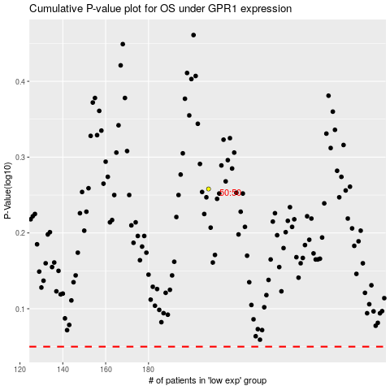

 |  |  |  |  |  | cases_OS | p_OS | rank | exp
 |  |  |  |  |  |  | cases_RFS | p_RFS | rank | exp

