GPR110 _multivariate
Reported by Tex Li-Hsing Chi. tex@gate.sinica.edu.tw 2019-08-19

Table 2. The clinicopathological features of HNSCC cohort and GPR110 expression. (Chi square test)
Cutoff at -0.413 (34.8%)
 |  | GPR110 expression |  | GPR110 expression |  | (Optimised)
 | Features | Low | (%) | High | (%) | Case no | P-value | Remark | Matthews
Gender | Female | 107 | 25.8 | 199 | 48 | 415 | 0.9399 | 0 | 0
2 | Male | 37 | 8.9 | 72 | 17.3
Age at diagnosis | <=65y | 91 | 21.9 | 183 | 44.1 | 415 | 0.4364 | 0 | 0
4 | >65y | 53 | 12.8 | 88 | 21.2
Clinical T Status | T1+T2 | 44 | 10.6 | 105 | 25.3 | 415 | 0.1216 | 0 | 0
6 | T3+T4 | 100 | 24.1 | 166 | 40
Clinical N Status | N0 | 71 | 17.1 | 145 | 34.9 | 415 | 0.4764 | 0 | 0
8 | N1-3 | 73 | 17.6 | 126 | 30.4
Clinical M Status | M0 | 143 | 34.5 | 269 | 64.8 | 415 | 1 | 0 | 0
10 | M1 | 1 | 0.2 | 2 | 0.5
Clinical Stage | Stage I+II | 33 | 8 | 69 | 16.6 | 415 | 0.6503 | 0 | 0
12 | Stage III+IV | 111 | 26.7 | 202 | 48.7
Surgical Margin status | Negative | 107 | 25.8 | 211 | 50.8 | 415 | 0.4649 | 0 | 0
14 | Positive | 37 | 8.9 | 60 | 14.5
Tobacco Exposure | Low | 49 | 11.8 | 112 | 27 | 415 | 0.169 | 0 | 0
16 | High | 95 | 22.9 | 159 | 38.3

Table 3. Univariate/Multivariate Cox's proportional hazards regression analyses on OS time of GPR110 gene expression in HNSCC

 |  | Univariate |  |  |  | Multivariate
 | Features | HR | CI95%(L) | CI95%(H) | P-value | HR | CI95%(L) | CI95%(H) | P-value
1 | Female | 1 |  |  |  | 1
Gender | Male | 1.157 | 0.843 | 1.587 | 0.367 | 1.189 | 0.849 | 1.665 | 0.315
11 | <=65y | 1 |  |  |  | 1
Age at diagnosis | >65y | 1.329 | 0.99 | 1.784 | 0.058 | 1.385 | 1.018 | 1.883 | 0.038
12 | T1+T2 | 1 |  |  |  | 1
Clinical T Status | T3+T4 | 1.409 | 1.028 | 1.931 | 0.033 | 2.088 | 1.102 | 3.959 | 0.024
13 | N0 | 1 |  |  |  | 1
Clinical N Status | N1-3 | 1.185 | 0.89 | 1.577 | 0.246 | 1.225 | 0.858 | 1.749 | 0.263
14 | M0 | 1 |  |  |  | 1
Clinical M Status | M1 | 4.097 | 1.009 | 16.644 | 0.049 | 8.899 | 1.939 | 40.834 | 0.005
15 | Stage I+II | 1 |  |  |  | 1
Clinical Stage | Stage III+IV | 1.245 | 0.882 | 1.759 | 0.213 | 0.528 | 0.245 | 1.137 | 0.103
16 | Negative | 1 |  |  |  | 1
Surgical Margin status | Positive | 1.591 | 1.155 | 2.191 | 0.004 | 1.64 | 1.187 | 2.267 | 0.003
17 | Low | 1 |  |  |  | 1
Tobacco Exposure | High | 1.364 | 1.008 | 1.844 | 0.044 | 1.437 | 1.043 | 1.981 | 0.027
18 | Low | 1 |  |  |  | 1
RNAseq(z-score) | High | 0.682 | 0.51 | 0.911 | 0.01 | 0.741 | 0.553 | 0.994 | 0.045

Table 4. Univariate/Multivariate Cox's proportional hazards regression analyses on RFS time of GPR110 gene expression in HNSCC

 |  | Univariate |  |  |  | Multivariate
 | Features | HR | CI95%(L) | CI95%(H) | P-value | HR | CI95%(L) | CI95%(H) | P-value
1 | Female | 1 |  |  |  | 1
Gender | Male | 1.157 | 0.843 | 1.587 | 0.367 | 1.189 | 0.849 | 1.665 | 0.315
11 | <=65y | 1 |  |  |  | 1
Age at diagnosis | >65y | 1.329 | 0.99 | 1.784 | 0.058 | 1.385 | 1.018 | 1.883 | 0.038
12 | T1+T2 | 1 |  |  |  | 1
Clinical T Status | T3+T4 | 1.409 | 1.028 | 1.931 | 0.033 | 2.088 | 1.102 | 3.959 | 0.024
13 | N0 | 1 |  |  |  | 1
Clinical N Status | N1-3 | 1.185 | 0.89 | 1.577 | 0.246 | 1.225 | 0.858 | 1.749 | 0.263
14 | M0 | 1 |  |  |  | 1
Clinical M Status | M1 | 4.097 | 1.009 | 16.644 | 0.049 | 8.899 | 1.939 | 40.834 | 0.005
15 | Stage I+II | 1 |  |  |  | 1
Clinical Stage | Stage III+IV | 1.245 | 0.882 | 1.759 | 0.213 | 0.528 | 0.245 | 1.137 | 0.103
16 | Negative | 1 |  |  |  | 1
Surgical Margin status | Positive | 1.591 | 1.155 | 2.191 | 0.004 | 1.64 | 1.187 | 2.267 | 0.003
17 | Low | 1 |  |  |  | 1
Tobacco Exposure | High | 1.364 | 1.008 | 1.844 | 0.044 | 1.437 | 1.043 | 1.981 | 0.027
18 | Low | 1 |  |  |  | 1
RNAseq(z-score) | High | 0.682 | 0.51 | 0.911 | 0.01 | 0.741 | 0.553 | 0.994 | 0.045

Kaplan-Meier survival estimate: Cutoff at -0.413 (34.8%)

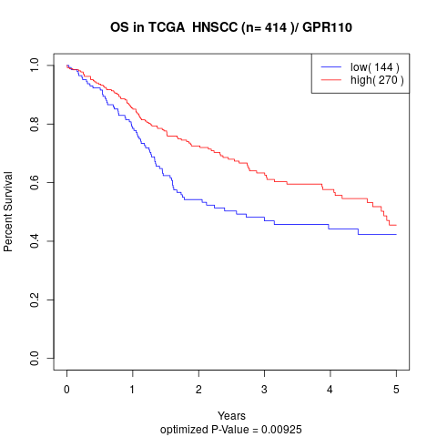

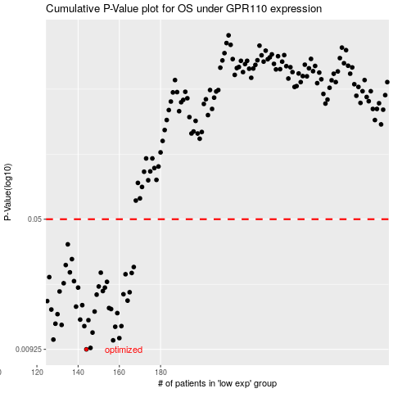

 |  |  |  |  |  | cases_OS | p_OS | rank | exp
 |  |  |  |  |  | 144 | 0.00925 | 321 | -0.4126149051
 |  |  |  |  |  | 146 | 0.00942 | 341 | -0.40900532206
 |  |  |  |  |  | 157 | 0.0104 | 36 | -0.40157238152
 |  |  |  |  |  | 128 | 0.0105 | 100 | -0.42089848484
 |  |  |  |  |  | 160 | 0.0107 | 408 | -0.39838974489
 |  |  |  |  |  | 147 | 0.0115 | 84 | -0.40894615449
 |  |  |  |  |  | 158 | 0.0124 | 330 | -0.40013536884
 |  |  |  |  |  | 143 | 0.0125 | 263 | -0.41349603186
 |  |  |  |  |  | 161 | 0.0125 | 403 | -0.39795520672
 |  |  |  |  |  | 132 | 0.0127 | 184 | -0.41864794826
 |  |  |  |  |  | 129 | 0.0129 | 415 | -0.42086655122
 |  |  |  |  |  | 145 | 0.0135 | 68 | -0.40978161016
 |  |  |  |  |  | 141 | 0.0136 | 293 | -0.41486303159
 |  |  |  |  |  | 130 | 0.0146 | 151 | -0.42028572094
 |  |  |  |  |  | 159 | 0.0148 | 58 | -0.39862701767
 |  |  |  |  |  | 148 | 0.0151 | 158 | -0.4074343087
 |  |  |  |  |  | 127 | 0.0155 | 159 | -0.42176683816
 |  |  |  |  |  | 156 | 0.0156 | 344 | -0.40209561079
 |  |  |  |  |  | 155 | 0.0158 | 10 | -0.40247989871
 |  |  |  |  |  | 139 | 0.0161 | 286 | -0.41569161853
 |  |  |  |  |  | 142 | 0.0164 | 220 | -0.41453188603
 |  |  |  |  |  | 125 | 0.0173 | 49 | -0.42333556194
 |  |  |  |  |  | 164 | 0.0174 | 22 | -0.3957439545
 |  |  |  |  |  | 149 | 0.0188 | 393 | -0.40649015824
 |  |  |  |  |  | 162 | 0.0189 | 112 | -0.39638467538
 |  |  |  |  |  | 165 | 0.0194 | 116 | -0.39563562122
 |  |  |  |  |  | 131 | 0.0196 | 297 | -0.42011412295
 |  |  |  |  |  | 152 | 0.0197 | 94 | -0.4040577808
 |  |  |  |  |  | 153 | 0.0206 | 19 | -0.40385087508
 |  |  |  |  |  | 140 | 0.0206 | 225 | -0.41509608673
 |  |  |  |  |  | 150 | 0.0209 | 311 | -0.40572555904
 |  |  |  |  |  | 133 | 0.0218 | 31 | -0.41850117413
 |  |  |  |  |  | 154 | 0.0222 | 80 | -0.40282201015
 |  |  |  |  |  | 138 | 0.0224 | 138 | -0.41597516493
 |  |  |  |  |  | 126 | 0.0236 | 370 | -0.42236393651
 |  |  |  |  |  | 163 | 0.0245 | 199 | -0.39621717453
 |  |  |  |  |  | 166 | 0.0249 | 319 | -0.39549945147
 |  |  |  |  |  | 151 | 0.025 | 414 | -0.40572338996
 |  |  |  |  |  | 136 | 0.0251 | 292 | -0.4176011282
 |  |  |  |  |  | 167 | 0.0269 | 245 | -0.39469773697
 |  |  |  |  |  | 134 | 0.0276 | 165 | -0.41790877544
 |  |  |  |  |  | 137 | 0.0298 | 117 | -0.41751472669
 |  |  |  |  |  | 135 | 0.0361 | 289 | -0.41766740552
 |  |  |  |  |  |  | cases_RFS | p_RFS | rank | exp
 |  |  |  |  |  |  | 143 | 0.00925 | 263 | -0.41349603186
 |  |  |  |  |  |  | 145 | 0.00942 | 68 | -0.40978161016
 |  |  |  |  |  |  | 156 | 0.0104 | 344 | -0.40209561079
 |  |  |  |  |  |  | 127 | 0.0105 | 159 | -0.42176683816
 |  |  |  |  |  |  | 159 | 0.0107 | 58 | -0.39862701767
 |  |  |  |  |  |  | 146 | 0.0115 | 341 | -0.40900532206
 |  |  |  |  |  |  | 157 | 0.0124 | 36 | -0.40157238152
 |  |  |  |  |  |  | 142 | 0.0125 | 220 | -0.41453188603
 |  |  |  |  |  |  | 160 | 0.0125 | 408 | -0.39838974489
 |  |  |  |  |  |  | 131 | 0.0127 | 297 | -0.42011412295
 |  |  |  |  |  |  | 128 | 0.0129 | 100 | -0.42089848484
 |  |  |  |  |  |  | 144 | 0.0135 | 321 | -0.4126149051
 |  |  |  |  |  |  | 140 | 0.0136 | 225 | -0.41509608673
 |  |  |  |  |  |  | 129 | 0.0146 | 415 | -0.42086655122
 |  |  |  |  |  |  | 158 | 0.0148 | 330 | -0.40013536884
 |  |  |  |  |  |  | 147 | 0.0151 | 84 | -0.40894615449
 |  |  |  |  |  |  | 126 | 0.0155 | 370 | -0.42236393651
 |  |  |  |  |  |  | 155 | 0.0156 | 10 | -0.40247989871
 |  |  |  |  |  |  | 154 | 0.0158 | 80 | -0.40282201015
 |  |  |  |  |  |  | 138 | 0.0161 | 138 | -0.41597516493
 |  |  |  |  |  |  | 141 | 0.0164 | 293 | -0.41486303159
 |  |  |  |  |  |  |  | 0.0173 | 177 | -0.42582240727
 |  |  |  |  |  |  | 163 | 0.0174 | 199 | -0.39621717453
 |  |  |  |  |  |  | 148 | 0.0188 | 158 | -0.4074343087
 |  |  |  |  |  |  | 161 | 0.0189 | 403 | -0.39795520672
 |  |  |  |  |  |  | 164 | 0.0194 | 22 | -0.3957439545
 |  |  |  |  |  |  | 130 | 0.0196 | 151 | -0.42028572094
 |  |  |  |  |  |  | 151 | 0.0197 | 414 | -0.40572338996
 |  |  |  |  |  |  | 152 | 0.0206 | 94 | -0.4040577808
 |  |  |  |  |  |  | 139 | 0.0206 | 286 | -0.41569161853
 |  |  |  |  |  |  | 149 | 0.0209 | 393 | -0.40649015824
 |  |  |  |  |  |  | 132 | 0.0218 | 184 | -0.41864794826
 |  |  |  |  |  |  | 153 | 0.0222 | 19 | -0.40385087508
 |  |  |  |  |  |  | 137 | 0.0224 | 117 | -0.41751472669
 |  |  |  |  |  |  | 125 | 0.0236 | 49 | -0.42333556194
 |  |  |  |  |  |  | 162 | 0.0245 | 112 | -0.39638467538
 |  |  |  |  |  |  | 165 | 0.0249 | 116 | -0.39563562122
 |  |  |  |  |  |  | 150 | 0.025 | 311 | -0.40572555904
 |  |  |  |  |  |  | 135 | 0.0251 | 289 | -0.41766740552
 |  |  |  |  |  |  | 166 | 0.0269 | 319 | -0.39549945147
 |  |  |  |  |  |  | 133 | 0.0276 | 31 | -0.41850117413
 |  |  |  |  |  |  | 136 | 0.0298 | 292 | -0.4176011282
 |  |  |  |  |  |  | 134 | 0.0361 | 165 | -0.41790877544

