GPR111 _multivariate
Reported by Tex Li-Hsing Chi. tex@gate.sinica.edu.tw 2019-08-19

Table 2. The clinicopathological features of HNSCC cohort and GPR111 expression. (Chi square test)
Cutoff at -0.31 (50.0%)
 |  | GPR111 expression |  | GPR111 expression |  | (Optimised)
 | Features | Low | (%) | High | (%) | Case no | P-value | Remark | Matthews
Gender | Female | 152 | 36.6 | 154 | 37.1 | 415 | 0.9766 | 0 | 0
2 | Male | 55 | 13.3 | 54 | 13
Age at diagnosis | <=65y | 141 | 34 | 133 | 32 | 415 | 0.4272 | 0 | 0
4 | >65y | 66 | 15.9 | 75 | 18.1
Clinical T Status | T1+T2 | 78 | 18.8 | 71 | 17.1 | 415 | 0.5152 | 0 | 0
6 | T3+T4 | 129 | 31.1 | 137 | 33
Clinical N Status | N0 | 103 | 24.8 | 113 | 27.2 | 415 | 0.4047 | 0 | 0
8 | N1-3 | 104 | 25.1 | 95 | 22.9
Clinical M Status | M0 | 206 | 49.6 | 206 | 49.6 | 415 | 1 | 0 | 0
10 | M1 | 1 | 0.2 | 2 | 0.5
Clinical Stage | Stage I+II | 53 | 12.8 | 49 | 11.8 | 415 | 0.7113 | 0 | 0
12 | Stage III+IV | 154 | 37.1 | 159 | 38.3
Surgical Margin status | Negative | 158 | 38.1 | 160 | 38.6 | 415 | 0.9081 | 0 | 0
14 | Positive | 49 | 11.8 | 48 | 11.6
Tobacco Exposure | Low | 71 | 17.1 | 90 | 21.7 | 415 | 0.0698 | 0 | 0
16 | High | 136 | 32.8 | 118 | 28.4

Table 3. Univariate/Multivariate Cox's proportional hazards regression analyses on OS time of GPR111 gene expression in HNSCC

 |  | Univariate |  |  |  | Multivariate
 | Features | HR | CI95%(L) | CI95%(H) | P-value | HR | CI95%(L) | CI95%(H) | P-value
1 | Female | 1 |  |  |  | 1
Gender | Male | 1.157 | 0.843 | 1.587 | 0.367 | 1.203 | 0.861 | 1.681 | 0.278
11 | <=65y | 1 |  |  |  | 1
Age at diagnosis | >65y | 1.329 | 0.99 | 1.784 | 0.058 | 1.39 | 1.022 | 1.891 | 0.036
12 | T1+T2 | 1 |  |  |  | 1
Clinical T Status | T3+T4 | 1.409 | 1.028 | 1.931 | 0.033 | 2.236 | 1.182 | 4.23 | 0.013
13 | N0 | 1 |  |  |  | 1
Clinical N Status | N1-3 | 1.185 | 0.89 | 1.577 | 0.246 | 1.222 | 0.855 | 1.746 | 0.271
14 | M0 | 1 |  |  |  | 1
Clinical M Status | M1 | 4.097 | 1.009 | 16.644 | 0.049 | 10.14 | 2.202 | 46.706 | 0.003
15 | Stage I+II | 1 |  |  |  | 1
Clinical Stage | Stage III+IV | 1.245 | 0.882 | 1.759 | 0.213 | 0.503 | 0.234 | 1.079 | 0.078
16 | Negative | 1 |  |  |  | 1
Surgical Margin status | Positive | 1.591 | 1.155 | 2.191 | 0.004 | 1.686 | 1.22 | 2.331 | 0.002
17 | Low | 1 |  |  |  | 1
Tobacco Exposure | High | 1.364 | 1.008 | 1.844 | 0.044 | 1.434 | 1.039 | 1.977 | 0.028
18 | Low | 1 |  |  |  | 1
RNAseq(z-score) | High | 0.851 | 0.637 | 1.136 | 0.273 | 0.832 | 0.621 | 1.114 | 0.216

Table 4. Univariate/Multivariate Cox's proportional hazards regression analyses on RFS time of GPR111 gene expression in HNSCC

 |  | Univariate |  |  |  | Multivariate
 | Features | HR | CI95%(L) | CI95%(H) | P-value | HR | CI95%(L) | CI95%(H) | P-value
1 | Female | 1 |  |  |  | 1
Gender | Male | 1.157 | 0.843 | 1.587 | 0.367 | 1.203 | 0.861 | 1.681 | 0.278
11 | <=65y | 1 |  |  |  | 1
Age at diagnosis | >65y | 1.329 | 0.99 | 1.784 | 0.058 | 1.39 | 1.022 | 1.891 | 0.036
12 | T1+T2 | 1 |  |  |  | 1
Clinical T Status | T3+T4 | 1.409 | 1.028 | 1.931 | 0.033 | 2.236 | 1.182 | 4.23 | 0.013
13 | N0 | 1 |  |  |  | 1
Clinical N Status | N1-3 | 1.185 | 0.89 | 1.577 | 0.246 | 1.222 | 0.855 | 1.746 | 0.271
14 | M0 | 1 |  |  |  | 1
Clinical M Status | M1 | 4.097 | 1.009 | 16.644 | 0.049 | 10.14 | 2.202 | 46.706 | 0.003
15 | Stage I+II | 1 |  |  |  | 1
Clinical Stage | Stage III+IV | 1.245 | 0.882 | 1.759 | 0.213 | 0.503 | 0.234 | 1.079 | 0.078
16 | Negative | 1 |  |  |  | 1
Surgical Margin status | Positive | 1.591 | 1.155 | 2.191 | 0.004 | 1.686 | 1.22 | 2.331 | 0.002
17 | Low | 1 |  |  |  | 1
Tobacco Exposure | High | 1.364 | 1.008 | 1.844 | 0.044 | 1.434 | 1.039 | 1.977 | 0.028
18 | Low | 1 |  |  |  | 1
RNAseq(z-score) | High | 0.851 | 0.637 | 1.136 | 0.273 | 0.832 | 0.621 | 1.114 | 0.216

Kaplan-Meier survival estimate: Cutoff at -0.31 (50.0%)



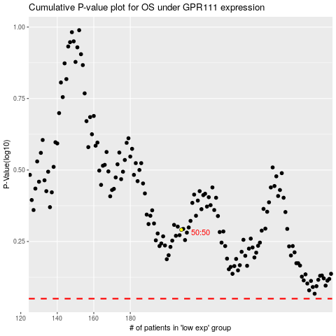

 |  |  |  |  |  | cases_OS | p_OS | rank | exp
 |  |  |  |  |  |  | cases_RFS | p_RFS | rank | exp

