GPR114 _multivariate
Reported by Tex Li-Hsing Chi. tex@gate.sinica.edu.tw 2019-08-19

Table 2. The clinicopathological features of HNSCC cohort and GPR114 expression. (Chi square test)
Cutoff at -0.321 (53.9%)
 |  | GPR114 expression |  | GPR114 expression |  | (Optimised)
 | Features | Low | (%) | High | (%) | Case no | P-value | Remark | Matthews
Gender | Female | 167 | 40.2 | 139 | 33.5 | 415 | 0.7653 | 0 | 0
2 | Male | 57 | 13.7 | 52 | 12.5
Age at diagnosis | <=65y | 149 | 35.9 | 125 | 30.1 | 415 | 0.8997 | 0 | 0
4 | >65y | 75 | 18.1 | 66 | 15.9
Clinical T Status | T1+T2 | 71 | 17.1 | 78 | 18.8 | 415 | 0.0669 | 0 | 0
6 | T3+T4 | 153 | 36.9 | 113 | 27.2
Clinical N Status | N0 | 115 | 27.7 | 101 | 24.3 | 415 | 0.8302 | 0 | 0
8 | N1-3 | 109 | 26.3 | 90 | 21.7
Clinical M Status | M0 | 221 | 53.3 | 191 | 46 | 415 | 0.2529 | 0 | 0
10 | M1 | 3 | 0.7 | 0 | 0
Clinical Stage | Stage I+II | 50 | 12 | 52 | 12.5 | 415 | 0.2974 | 0 | 0
12 | Stage III+IV | 174 | 41.9 | 139 | 33.5
Surgical Margin status | Negative | 166 | 40 | 152 | 36.6 | 415 | 0.202 | 0 | 0
14 | Positive | 58 | 14 | 39 | 9.4
Tobacco Exposure | Low | 92 | 22.2 | 69 | 16.6 | 415 | 0.3139 | 0 | 0
16 | High | 132 | 31.8 | 122 | 29.4

Table 3. Univariate/Multivariate Cox's proportional hazards regression analyses on OS time of GPR114 gene expression in HNSCC

 |  | Univariate |  |  |  | Multivariate
 | Features | HR | CI95%(L) | CI95%(H) | P-value | HR | CI95%(L) | CI95%(H) | P-value
1 | Female | 1 |  |  |  | 1
Gender | Male | 1.157 | 0.843 | 1.587 | 0.367 | 1.218 | 0.873 | 1.701 | 0.246
11 | <=65y | 1 |  |  |  | 1
Age at diagnosis | >65y | 1.329 | 0.99 | 1.784 | 0.058 | 1.407 | 1.036 | 1.911 | 0.029
12 | T1+T2 | 1 |  |  |  | 1
Clinical T Status | T3+T4 | 1.409 | 1.028 | 1.931 | 0.033 | 2.106 | 1.111 | 3.991 | 0.022
13 | N0 | 1 |  |  |  | 1
Clinical N Status | N1-3 | 1.185 | 0.89 | 1.577 | 0.246 | 1.241 | 0.87 | 1.771 | 0.233
14 | M0 | 1 |  |  |  | 1
Clinical M Status | M1 | 4.097 | 1.009 | 16.644 | 0.049 | 7.929 | 1.718 | 36.594 | 0.008
15 | Stage I+II | 1 |  |  |  | 1
Clinical Stage | Stage III+IV | 1.245 | 0.882 | 1.759 | 0.213 | 0.515 | 0.24 | 1.104 | 0.088
16 | Negative | 1 |  |  |  | 1
Surgical Margin status | Positive | 1.591 | 1.155 | 2.191 | 0.004 | 1.704 | 1.231 | 2.357 | 0.001
17 | Low | 1 |  |  |  | 1
Tobacco Exposure | High | 1.364 | 1.008 | 1.844 | 0.044 | 1.462 | 1.063 | 2.012 | 0.02
18 | Low | 1 |  |  |  | 1
RNAseq(z-score) | High | 0.713 | 0.532 | 0.954 | 0.023 | 0.716 | 0.533 | 0.962 | 0.027

Table 4. Univariate/Multivariate Cox's proportional hazards regression analyses on RFS time of GPR114 gene expression in HNSCC

 |  | Univariate |  |  |  | Multivariate
 | Features | HR | CI95%(L) | CI95%(H) | P-value | HR | CI95%(L) | CI95%(H) | P-value
1 | Female | 1 |  |  |  | 1
Gender | Male | 1.157 | 0.843 | 1.587 | 0.367 | 1.218 | 0.873 | 1.701 | 0.246
11 | <=65y | 1 |  |  |  | 1
Age at diagnosis | >65y | 1.329 | 0.99 | 1.784 | 0.058 | 1.407 | 1.036 | 1.911 | 0.029
12 | T1+T2 | 1 |  |  |  | 1
Clinical T Status | T3+T4 | 1.409 | 1.028 | 1.931 | 0.033 | 2.106 | 1.111 | 3.991 | 0.022
13 | N0 | 1 |  |  |  | 1
Clinical N Status | N1-3 | 1.185 | 0.89 | 1.577 | 0.246 | 1.241 | 0.87 | 1.771 | 0.233
14 | M0 | 1 |  |  |  | 1
Clinical M Status | M1 | 4.097 | 1.009 | 16.644 | 0.049 | 7.929 | 1.718 | 36.594 | 0.008
15 | Stage I+II | 1 |  |  |  | 1
Clinical Stage | Stage III+IV | 1.245 | 0.882 | 1.759 | 0.213 | 0.515 | 0.24 | 1.104 | 0.088
16 | Negative | 1 |  |  |  | 1
Surgical Margin status | Positive | 1.591 | 1.155 | 2.191 | 0.004 | 1.704 | 1.231 | 2.357 | 0.001
17 | Low | 1 |  |  |  | 1
Tobacco Exposure | High | 1.364 | 1.008 | 1.844 | 0.044 | 1.462 | 1.063 | 2.012 | 0.02
18 | Low | 1 |  |  |  | 1
RNAseq(z-score) | High | 0.713 | 0.532 | 0.954 | 0.023 | 0.716 | 0.533 | 0.962 | 0.027

Kaplan-Meier survival estimate: Cutoff at -0.321 (53.9%)

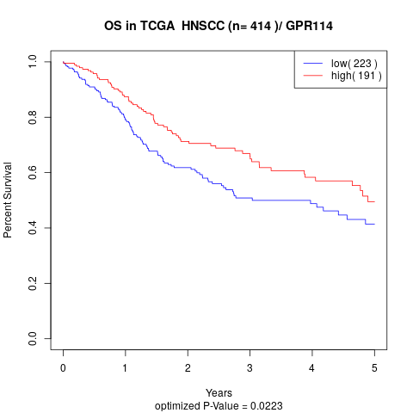

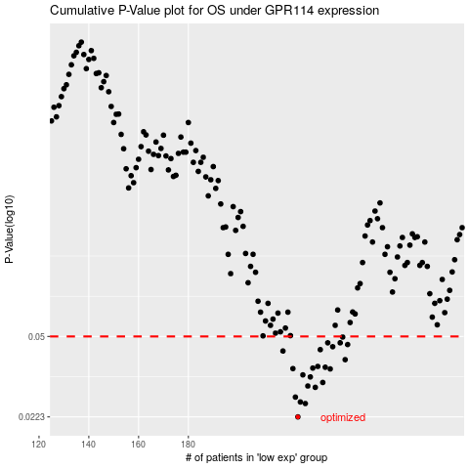

 |  |  |  |  |  | cases_OS | p_OS | rank | exp
 |  |  |  |  |  | 224 | 0.0223 | 340 | -0.32066399464
 |  |  |  |  |  | 227 | 0.0255 | 134 | -0.30525582745
 |  |  |  |  |  | 225 | 0.0259 | 45 | -0.31324051091
 |  |  |  |  |  | 223 | 0.0272 | 215 | -0.32745706903
 |  |  |  |  |  | 231 | 0.03 | 30 | -0.29516626889
 |  |  |  |  |  | 228 | 0.0304 | 415 | -0.30315546602
 |  |  |  |  |  | 234 | 0.0315 | 171 | -0.28561233259
 |  |  |  |  |  | 229 | 0.0333 | 318 | -0.30193677493
 |  |  |  |  |  | 226 | 0.034 | 227 | -0.31244460031
 |  |  |  |  |  | 237 | 0.0361 | 165 | -0.25408584736
 |  |  |  |  |  | 222 | 0.0362 | 52 | -0.34339484025
 |  |  |  |  |  | 230 | 0.0364 | 371 | -0.29976569933
 |  |  |  |  |  | 235 | 0.0367 | 109 | -0.27925257059
 |  |  |  |  |  | 232 | 0.037 | 136 | -0.29190438954
 |  |  |  |  |  | 243 | 0.0396 | 303 | -0.22747324495
 |  |  |  |  |  | 218 | 0.0432 | 363 | -0.37342429137
 |  |  |  |  |  | 233 | 0.0438 | 276 | -0.29139885842
 |  |  |  |  |  | 238 | 0.0451 | 151 | -0.2424255314
 |  |  |  |  |  | 244 | 0.0461 | 40 | -0.22656298803
 |  |  |  |  |  | 241 | 0.0469 | 19 | -0.23694743974
 |  |  |  |  |  | 236 | 0.0469 | 253 | -0.26061863341
 |  |  |  |  |  | 242 | 0.0497 | 77 | -0.22845120694
 |  |  |  |  |  |  | cases_RFS | p_RFS | rank | exp
 |  |  |  |  |  |  | 223 | 0.0223 | 215 | -0.32745706903
 |  |  |  |  |  |  | 226 | 0.0255 | 227 | -0.31244460031
 |  |  |  |  |  |  | 224 | 0.0259 | 340 | -0.32066399464
 |  |  |  |  |  |  | 222 | 0.0272 | 52 | -0.34339484025
 |  |  |  |  |  |  | 230 | 0.03 | 371 | -0.29976569933
 |  |  |  |  |  |  | 227 | 0.0304 | 134 | -0.30525582745
 |  |  |  |  |  |  | 233 | 0.0315 | 276 | -0.29139885842
 |  |  |  |  |  |  | 228 | 0.0333 | 415 | -0.30315546602
 |  |  |  |  |  |  | 225 | 0.034 | 45 | -0.31324051091
 |  |  |  |  |  |  | 236 | 0.0361 | 253 | -0.26061863341
 |  |  |  |  |  |  | 221 | 0.0362 | 115 | -0.34672292011
 |  |  |  |  |  |  | 229 | 0.0364 | 318 | -0.30193677493
 |  |  |  |  |  |  | 234 | 0.0367 | 171 | -0.28561233259
 |  |  |  |  |  |  | 231 | 0.037 | 30 | -0.29516626889
 |  |  |  |  |  |  | 242 | 0.0396 | 77 | -0.22845120694
 |  |  |  |  |  |  | 217 | 0.0432 | 249 | -0.38492813341
 |  |  |  |  |  |  | 232 | 0.0438 | 136 | -0.29190438954
 |  |  |  |  |  |  | 237 | 0.0451 | 165 | -0.25408584736
 |  |  |  |  |  |  | 243 | 0.0461 | 303 | -0.22747324495
 |  |  |  |  |  |  | 235 | 0.0469 | 109 | -0.27925257059
 |  |  |  |  |  |  | 240 | 0.0469 | 198 | -0.23758386731
 |  |  |  |  |  |  | 241 | 0.0497 | 19 | -0.23694743974

