GPR115 _multivariate
Reported by Tex Li-Hsing Chi. tex@gate.sinica.edu.tw 2019-08-19

Table 2. The clinicopathological features of HNSCC cohort and GPR115 expression. (Chi square test)
Cutoff at -0.105 (50.0%)
 |  | GPR115 expression |  | GPR115 expression |  | (Optimised)
 | Features | Low | (%) | High | (%) | Case no | P-value | Remark | Matthews
Gender | Female | 158 | 38.1 | 148 | 35.7 | 415 | 0.2774 | 0 | 0
2 | Male | 49 | 11.8 | 60 | 14.5
Age at diagnosis | <=65y | 140 | 33.7 | 134 | 32.3 | 415 | 0.5574 | 0 | 0
4 | >65y | 67 | 16.1 | 74 | 17.8
Clinical T Status | T1+T2 | 76 | 18.3 | 73 | 17.6 | 415 | 0.8092 | 0 | 0
6 | T3+T4 | 131 | 31.6 | 135 | 32.5
Clinical N Status | N0 | 98 | 23.6 | 118 | 28.4 | 415 | 0.0694 | 0 | 0
8 | N1-3 | 109 | 26.3 | 90 | 21.7
Clinical M Status | M0 | 207 | 49.9 | 205 | 49.4 | 415 | 0.2482 | 0 | 0
10 | M1 | 0 | 0 | 3 | 0.7
Clinical Stage | Stage I+II | 48 | 11.6 | 54 | 13 | 415 | 0.5878 | 0 | 0
12 | Stage III+IV | 159 | 38.3 | 154 | 37.1
Surgical Margin status | Negative | 160 | 38.6 | 158 | 38.1 | 415 | 0.8167 | 0 | 0
14 | Positive | 47 | 11.3 | 50 | 12
Tobacco Exposure | Low | 68 | 16.4 | 93 | 22.4 | 415 | 0.0156 | 1 | 0
16 | High | 139 | 33.5 | 115 | 27.7

Table 3. Univariate/Multivariate Cox's proportional hazards regression analyses on OS time of GPR115 gene expression in HNSCC

 |  | Univariate |  |  |  | Multivariate
 | Features | HR | CI95%(L) | CI95%(H) | P-value | HR | CI95%(L) | CI95%(H) | P-value
1 | Female | 1 |  |  |  | 1
Gender | Male | 1.157 | 0.843 | 1.587 | 0.367 | 1.204 | 0.862 | 1.682 | 0.277
11 | <=65y | 1 |  |  |  | 1
Age at diagnosis | >65y | 1.329 | 0.99 | 1.784 | 0.058 | 1.402 | 1.031 | 1.907 | 0.031
12 | T1+T2 | 1 |  |  |  | 1
Clinical T Status | T3+T4 | 1.409 | 1.028 | 1.931 | 0.033 | 2.196 | 1.162 | 4.151 | 0.015
13 | N0 | 1 |  |  |  | 1
Clinical N Status | N1-3 | 1.185 | 0.89 | 1.577 | 0.246 | 1.268 | 0.886 | 1.814 | 0.194
14 | M0 | 1 |  |  |  | 1
Clinical M Status | M1 | 4.097 | 1.009 | 16.644 | 0.049 | 8.704 | 1.883 | 40.244 | 0.006
15 | Stage I+II | 1 |  |  |  | 1
Clinical Stage | Stage III+IV | 1.245 | 0.882 | 1.759 | 0.213 | 0.505 | 0.235 | 1.084 | 0.079
16 | Negative | 1 |  |  |  | 1
Surgical Margin status | Positive | 1.591 | 1.155 | 2.191 | 0.004 | 1.664 | 1.204 | 2.3 | 0.002
17 | Low | 1 |  |  |  | 1
Tobacco Exposure | High | 1.364 | 1.008 | 1.844 | 0.044 | 1.49 | 1.076 | 2.064 | 0.016
18 | Low | 1 |  |  |  | 1
RNAseq(z-score) | High | 1.095 | 0.822 | 1.459 | 0.534 | 1.149 | 0.854 | 1.546 | 0.36

Table 4. Univariate/Multivariate Cox's proportional hazards regression analyses on RFS time of GPR115 gene expression in HNSCC

 |  | Univariate |  |  |  | Multivariate
 | Features | HR | CI95%(L) | CI95%(H) | P-value | HR | CI95%(L) | CI95%(H) | P-value
1 | Female | 1 |  |  |  | 1
Gender | Male | 1.157 | 0.843 | 1.587 | 0.367 | 1.204 | 0.862 | 1.682 | 0.277
11 | <=65y | 1 |  |  |  | 1
Age at diagnosis | >65y | 1.329 | 0.99 | 1.784 | 0.058 | 1.402 | 1.031 | 1.907 | 0.031
12 | T1+T2 | 1 |  |  |  | 1
Clinical T Status | T3+T4 | 1.409 | 1.028 | 1.931 | 0.033 | 2.196 | 1.162 | 4.151 | 0.015
13 | N0 | 1 |  |  |  | 1
Clinical N Status | N1-3 | 1.185 | 0.89 | 1.577 | 0.246 | 1.268 | 0.886 | 1.814 | 0.194
14 | M0 | 1 |  |  |  | 1
Clinical M Status | M1 | 4.097 | 1.009 | 16.644 | 0.049 | 8.704 | 1.883 | 40.244 | 0.006
15 | Stage I+II | 1 |  |  |  | 1
Clinical Stage | Stage III+IV | 1.245 | 0.882 | 1.759 | 0.213 | 0.505 | 0.235 | 1.084 | 0.079
16 | Negative | 1 |  |  |  | 1
Surgical Margin status | Positive | 1.591 | 1.155 | 2.191 | 0.004 | 1.664 | 1.204 | 2.3 | 0.002
17 | Low | 1 |  |  |  | 1
Tobacco Exposure | High | 1.364 | 1.008 | 1.844 | 0.044 | 1.49 | 1.076 | 2.064 | 0.016
18 | Low | 1 |  |  |  | 1
RNAseq(z-score) | High | 1.095 | 0.822 | 1.459 | 0.534 | 1.149 | 0.854 | 1.546 | 0.36

Kaplan-Meier survival estimate: Cutoff at -0.105 (50.0%)



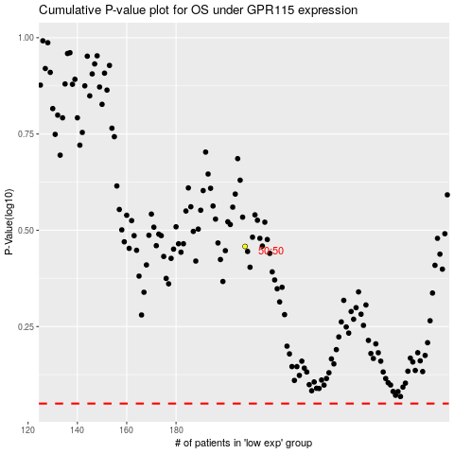

 |  |  |  |  |  | cases_OS | p_OS | rank | exp
 |  |  |  |  |  |  | cases_RFS | p_RFS | rank | exp

