GPR120 _multivariate
Reported by Tex Li-Hsing Chi. tex@gate.sinica.edu.tw 2019-08-19

Table 2. The clinicopathological features of HNSCC cohort and GPR120 expression. (Chi square test)
Cutoff at -0.317 (49.8%)
 |  | GPR120 expression |  | GPR120 expression |  | (Optimised)
 | Features | Low | (%) | High | (%) | Case no | P-value | Remark | Matthews
Gender | Female | 159 | 38.3 | 147 | 35.4 | 415 | 0.1905 | 0 | 0
2 | Male | 48 | 11.6 | 61 | 14.7
Age at diagnosis | <=65y | 141 | 34 | 133 | 32 | 415 | 0.4272 | 0 | 0
4 | >65y | 66 | 15.9 | 75 | 18.1
Clinical T Status | T1+T2 | 62 | 14.9 | 87 | 21 | 415 | 0.0156 | 1 | 0
6 | T3+T4 | 145 | 34.9 | 121 | 29.2
Clinical N Status | N0 | 105 | 25.3 | 111 | 26.7 | 415 | 0.6598 | 0 | 0
8 | N1-3 | 102 | 24.6 | 97 | 23.4
Clinical M Status | M0 | 205 | 49.4 | 207 | 49.9 | 415 | 0.6232 | 0 | 0
10 | M1 | 2 | 0.5 | 1 | 0.2
Clinical Stage | Stage I+II | 47 | 11.3 | 55 | 13.3 | 415 | 0.4413 | 0 | 0
12 | Stage III+IV | 160 | 38.6 | 153 | 36.9
Surgical Margin status | Negative | 159 | 38.3 | 159 | 38.3 | 415 | 1 | 0 | 0
14 | Positive | 48 | 11.6 | 49 | 11.8
Tobacco Exposure | Low | 74 | 17.8 | 87 | 21 | 415 | 0.227 | 0 | 0
16 | High | 133 | 32 | 121 | 29.2

Table 3. Univariate/Multivariate Cox's proportional hazards regression analyses on OS time of GPR120 gene expression in HNSCC

 |  | Univariate |  |  |  | Multivariate
 | Features | HR | CI95%(L) | CI95%(H) | P-value | HR | CI95%(L) | CI95%(H) | P-value
1 | Female | 1 |  |  |  | 1
Gender | Male | 1.157 | 0.843 | 1.587 | 0.367 | 1.208 | 0.864 | 1.687 | 0.269
11 | <=65y | 1 |  |  |  | 1
Age at diagnosis | >65y | 1.329 | 0.99 | 1.784 | 0.058 | 1.402 | 1.031 | 1.907 | 0.031
12 | T1+T2 | 1 |  |  |  | 1
Clinical T Status | T3+T4 | 1.409 | 1.028 | 1.931 | 0.033 | 2.131 | 1.122 | 4.048 | 0.021
13 | N0 | 1 |  |  |  | 1
Clinical N Status | N1-3 | 1.185 | 0.89 | 1.577 | 0.246 | 1.232 | 0.863 | 1.758 | 0.251
14 | M0 | 1 |  |  |  | 1
Clinical M Status | M1 | 4.097 | 1.009 | 16.644 | 0.049 | 9.054 | 1.97 | 41.608 | 0.005
15 | Stage I+II | 1 |  |  |  | 1
Clinical Stage | Stage III+IV | 1.245 | 0.882 | 1.759 | 0.213 | 0.517 | 0.241 | 1.112 | 0.092
16 | Negative | 1 |  |  |  | 1
Surgical Margin status | Positive | 1.591 | 1.155 | 2.191 | 0.004 | 1.688 | 1.221 | 2.335 | 0.002
17 | Low | 1 |  |  |  | 1
Tobacco Exposure | High | 1.364 | 1.008 | 1.844 | 0.044 | 1.442 | 1.046 | 1.988 | 0.025
18 | Low | 1 |  |  |  | 1
RNAseq(z-score) | High | 0.854 | 0.641 | 1.138 | 0.282 | 0.883 | 0.658 | 1.184 | 0.405

Table 4. Univariate/Multivariate Cox's proportional hazards regression analyses on RFS time of GPR120 gene expression in HNSCC

 |  | Univariate |  |  |  | Multivariate
 | Features | HR | CI95%(L) | CI95%(H) | P-value | HR | CI95%(L) | CI95%(H) | P-value
1 | Female | 1 |  |  |  | 1
Gender | Male | 1.157 | 0.843 | 1.587 | 0.367 | 1.208 | 0.864 | 1.687 | 0.269
11 | <=65y | 1 |  |  |  | 1
Age at diagnosis | >65y | 1.329 | 0.99 | 1.784 | 0.058 | 1.402 | 1.031 | 1.907 | 0.031
12 | T1+T2 | 1 |  |  |  | 1
Clinical T Status | T3+T4 | 1.409 | 1.028 | 1.931 | 0.033 | 2.131 | 1.122 | 4.048 | 0.021
13 | N0 | 1 |  |  |  | 1
Clinical N Status | N1-3 | 1.185 | 0.89 | 1.577 | 0.246 | 1.232 | 0.863 | 1.758 | 0.251
14 | M0 | 1 |  |  |  | 1
Clinical M Status | M1 | 4.097 | 1.009 | 16.644 | 0.049 | 9.054 | 1.97 | 41.608 | 0.005
15 | Stage I+II | 1 |  |  |  | 1
Clinical Stage | Stage III+IV | 1.245 | 0.882 | 1.759 | 0.213 | 0.517 | 0.241 | 1.112 | 0.092
16 | Negative | 1 |  |  |  | 1
Surgical Margin status | Positive | 1.591 | 1.155 | 2.191 | 0.004 | 1.688 | 1.221 | 2.335 | 0.002
17 | Low | 1 |  |  |  | 1
Tobacco Exposure | High | 1.364 | 1.008 | 1.844 | 0.044 | 1.442 | 1.046 | 1.988 | 0.025
18 | Low | 1 |  |  |  | 1
RNAseq(z-score) | High | 0.854 | 0.641 | 1.138 | 0.282 | 0.883 | 0.658 | 1.184 | 0.405

Kaplan-Meier survival estimate: Cutoff at -0.317 (49.8%)



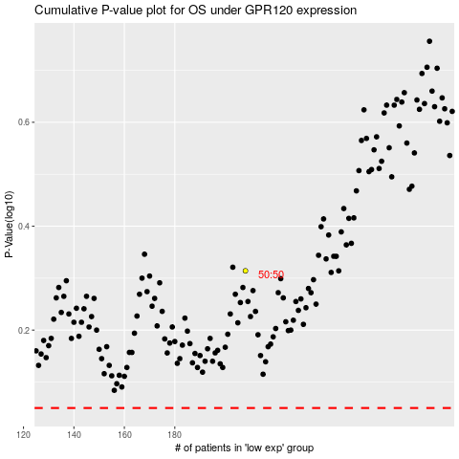

 |  |  |  |  |  | cases_OS | p_OS | rank | exp
 |  |  |  |  |  |  | cases_RFS | p_RFS | rank | exp

