GPR133 _multivariate
Reported by Tex Li-Hsing Chi. tex@gate.sinica.edu.tw 2019-08-19

Table 2. The clinicopathological features of HNSCC cohort and GPR133 expression. (Chi square test)
Cutoff at -0.22 (55.6%)
 |  | GPR133 expression |  | GPR133 expression |  | (Optimised)
 | Features | Low | (%) | High | (%) | Case no | P-value | Remark | Matthews
Gender | Female | 170 | 41 | 136 | 32.8 | 415 | 1 | 0 | 0
2 | Male | 61 | 14.7 | 48 | 11.6
Age at diagnosis | <=65y | 154 | 37.1 | 120 | 28.9 | 415 | 0.8373 | 0 | 0
4 | >65y | 77 | 18.6 | 64 | 15.4
Clinical T Status | T1+T2 | 87 | 21 | 62 | 14.9 | 415 | 0.4631 | 0 | 0
6 | T3+T4 | 144 | 34.7 | 122 | 29.4
Clinical N Status | N0 | 122 | 29.4 | 94 | 22.7 | 415 | 0.8019 | 0 | 0
8 | N1-3 | 109 | 26.3 | 90 | 21.7
Clinical M Status | M0 | 228 | 54.9 | 184 | 44.3 | 415 | 0.2578 | 0 | 0
10 | M1 | 3 | 0.7 | 0 | 0
Clinical Stage | Stage I+II | 59 | 14.2 | 43 | 10.4 | 415 | 0.6923 | 0 | 0
12 | Stage III+IV | 172 | 41.4 | 141 | 34
Surgical Margin status | Negative | 176 | 42.4 | 142 | 34.2 | 415 | 0.9071 | 0 | 0
14 | Positive | 55 | 13.3 | 42 | 10.1
Tobacco Exposure | Low | 99 | 23.9 | 62 | 14.9 | 415 | 0.0679 | 0 | 0
16 | High | 132 | 31.8 | 122 | 29.4

Table 3. Univariate/Multivariate Cox's proportional hazards regression analyses on OS time of GPR133 gene expression in HNSCC

 |  | Univariate |  |  |  | Multivariate
 | Features | HR | CI95%(L) | CI95%(H) | P-value | HR | CI95%(L) | CI95%(H) | P-value
1 | Female | 1 |  |  |  | 1
Gender | Male | 1.157 | 0.843 | 1.587 | 0.367 | 1.19 | 0.852 | 1.663 | 0.307
11 | <=65y | 1 |  |  |  | 1
Age at diagnosis | >65y | 1.329 | 0.99 | 1.784 | 0.058 | 1.389 | 1.022 | 1.89 | 0.036
12 | T1+T2 | 1 |  |  |  | 1
Clinical T Status | T3+T4 | 1.409 | 1.028 | 1.931 | 0.033 | 2.236 | 1.182 | 4.231 | 0.013
13 | N0 | 1 |  |  |  | 1
Clinical N Status | N1-3 | 1.185 | 0.89 | 1.577 | 0.246 | 1.25 | 0.876 | 1.784 | 0.218
14 | M0 | 1 |  |  |  | 1
Clinical M Status | M1 | 4.097 | 1.009 | 16.644 | 0.049 | 10.874 | 2.352 | 50.277 | 0.002
15 | Stage I+II | 1 |  |  |  | 1
Clinical Stage | Stage III+IV | 1.245 | 0.882 | 1.759 | 0.213 | 0.483 | 0.224 | 1.039 | 0.063
16 | Negative | 1 |  |  |  | 1
Surgical Margin status | Positive | 1.591 | 1.155 | 2.191 | 0.004 | 1.672 | 1.21 | 2.31 | 0.002
17 | Low | 1 |  |  |  | 1
Tobacco Exposure | High | 1.364 | 1.008 | 1.844 | 0.044 | 1.428 | 1.037 | 1.966 | 0.029
18 | Low | 1 |  |  |  | 1
RNAseq(z-score) | High | 1.344 | 1.006 | 1.795 | 0.045 | 1.324 | 0.988 | 1.773 | 0.06

Table 4. Univariate/Multivariate Cox's proportional hazards regression analyses on RFS time of GPR133 gene expression in HNSCC

 |  | Univariate |  |  |  | Multivariate
 | Features | HR | CI95%(L) | CI95%(H) | P-value | HR | CI95%(L) | CI95%(H) | P-value
1 | Female | 1 |  |  |  | 1
Gender | Male | 1.157 | 0.843 | 1.587 | 0.367 | 1.19 | 0.852 | 1.663 | 0.307
11 | <=65y | 1 |  |  |  | 1
Age at diagnosis | >65y | 1.329 | 0.99 | 1.784 | 0.058 | 1.389 | 1.022 | 1.89 | 0.036
12 | T1+T2 | 1 |  |  |  | 1
Clinical T Status | T3+T4 | 1.409 | 1.028 | 1.931 | 0.033 | 2.236 | 1.182 | 4.231 | 0.013
13 | N0 | 1 |  |  |  | 1
Clinical N Status | N1-3 | 1.185 | 0.89 | 1.577 | 0.246 | 1.25 | 0.876 | 1.784 | 0.218
14 | M0 | 1 |  |  |  | 1
Clinical M Status | M1 | 4.097 | 1.009 | 16.644 | 0.049 | 10.874 | 2.352 | 50.277 | 0.002
15 | Stage I+II | 1 |  |  |  | 1
Clinical Stage | Stage III+IV | 1.245 | 0.882 | 1.759 | 0.213 | 0.483 | 0.224 | 1.039 | 0.063
16 | Negative | 1 |  |  |  | 1
Surgical Margin status | Positive | 1.591 | 1.155 | 2.191 | 0.004 | 1.672 | 1.21 | 2.31 | 0.002
17 | Low | 1 |  |  |  | 1
Tobacco Exposure | High | 1.364 | 1.008 | 1.844 | 0.044 | 1.428 | 1.037 | 1.966 | 0.029
18 | Low | 1 |  |  |  | 1
RNAseq(z-score) | High | 1.344 | 1.006 | 1.795 | 0.045 | 1.324 | 0.988 | 1.773 | 0.06

Kaplan-Meier survival estimate: Cutoff at -0.22 (55.6%)



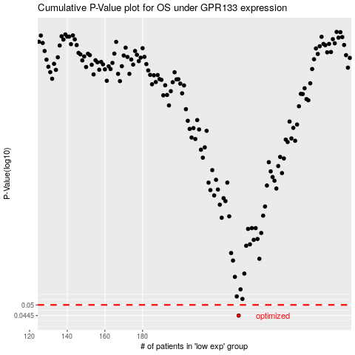

 |  |  |  |  |  | cases_OS | p_OS | rank | exp
 |  |  |  |  |  | 231 | 0.0445 | 204 | -0.2202828734
 |  |  |  |  |  |  | cases_RFS | p_RFS | rank | exp
 |  |  |  |  |  |  | 230 | 0.0445 | 139 | -0.22073741812

