GPR135 _multivariate
Reported by Tex Li-Hsing Chi. tex@gate.sinica.edu.tw 2019-08-19

Table 2. The clinicopathological features of HNSCC cohort and GPR135 expression. (Chi square test)
Cutoff at -0.142 (49.8%)
 |  | GPR135 expression |  | GPR135 expression |  | (Optimised)
 | Features | Low | (%) | High | (%) | Case no | P-value | Remark | Matthews
Gender | Female | 148 | 35.7 | 158 | 38.1 | 415 | 0.3567 | 0 | 0
2 | Male | 59 | 14.2 | 50 | 12
Age at diagnosis | <=65y | 144 | 34.7 | 130 | 31.3 | 415 | 0.1568 | 0 | 0
4 | >65y | 63 | 15.2 | 78 | 18.8
Clinical T Status | T1+T2 | 84 | 20.2 | 65 | 15.7 | 415 | 0.0603 | 0 | 0
6 | T3+T4 | 123 | 29.6 | 143 | 34.5
Clinical N Status | N0 | 108 | 26 | 108 | 26 | 415 | 1 | 0 | 0
8 | N1-3 | 99 | 23.9 | 100 | 24.1
Clinical M Status | M0 | 205 | 49.4 | 207 | 49.9 | 415 | 0.6232 | 0 | 0
10 | M1 | 2 | 0.5 | 1 | 0.2
Clinical Stage | Stage I+II | 54 | 13 | 48 | 11.6 | 415 | 0.5498 | 0 | 0
12 | Stage III+IV | 153 | 36.9 | 160 | 38.6
Surgical Margin status | Negative | 161 | 38.8 | 157 | 37.8 | 415 | 0.6429 | 0 | 0
14 | Positive | 46 | 11.1 | 51 | 12.3
Tobacco Exposure | Low | 84 | 20.2 | 77 | 18.6 | 415 | 0.4816 | 0 | 0
16 | High | 123 | 29.6 | 131 | 31.6

Table 3. Univariate/Multivariate Cox's proportional hazards regression analyses on OS time of GPR135 gene expression in HNSCC

 |  | Univariate |  |  |  | Multivariate
 | Features | HR | CI95%(L) | CI95%(H) | P-value | HR | CI95%(L) | CI95%(H) | P-value
1 | Female | 1 |  |  |  | 1
Gender | Male | 1.157 | 0.843 | 1.587 | 0.367 | 1.168 | 0.835 | 1.634 | 0.363
11 | <=65y | 1 |  |  |  | 1
Age at diagnosis | >65y | 1.329 | 0.99 | 1.784 | 0.058 | 1.438 | 1.055 | 1.96 | 0.022
12 | T1+T2 | 1 |  |  |  | 1
Clinical T Status | T3+T4 | 1.409 | 1.028 | 1.931 | 0.033 | 2.31 | 1.218 | 4.382 | 0.01
13 | N0 | 1 |  |  |  | 1
Clinical N Status | N1-3 | 1.185 | 0.89 | 1.577 | 0.246 | 1.252 | 0.878 | 1.785 | 0.215
14 | M0 | 1 |  |  |  | 1
Clinical M Status | M1 | 4.097 | 1.009 | 16.644 | 0.049 | 9.056 | 1.974 | 41.555 | 0.005
15 | Stage I+II | 1 |  |  |  | 1
Clinical Stage | Stage III+IV | 1.245 | 0.882 | 1.759 | 0.213 | 0.488 | 0.227 | 1.05 | 0.066
16 | Negative | 1 |  |  |  | 1
Surgical Margin status | Positive | 1.591 | 1.155 | 2.191 | 0.004 | 1.68 | 1.215 | 2.323 | 0.002
17 | Low | 1 |  |  |  | 1
Tobacco Exposure | High | 1.364 | 1.008 | 1.844 | 0.044 | 1.46 | 1.06 | 2.011 | 0.021
18 | Low | 1 |  |  |  | 1
RNAseq(z-score) | High | 0.849 | 0.637 | 1.132 | 0.265 | 0.787 | 0.587 | 1.056 | 0.11

Table 4. Univariate/Multivariate Cox's proportional hazards regression analyses on RFS time of GPR135 gene expression in HNSCC

 |  | Univariate |  |  |  | Multivariate
 | Features | HR | CI95%(L) | CI95%(H) | P-value | HR | CI95%(L) | CI95%(H) | P-value
1 | Female | 1 |  |  |  | 1
Gender | Male | 1.157 | 0.843 | 1.587 | 0.367 | 1.168 | 0.835 | 1.634 | 0.363
11 | <=65y | 1 |  |  |  | 1
Age at diagnosis | >65y | 1.329 | 0.99 | 1.784 | 0.058 | 1.438 | 1.055 | 1.96 | 0.022
12 | T1+T2 | 1 |  |  |  | 1
Clinical T Status | T3+T4 | 1.409 | 1.028 | 1.931 | 0.033 | 2.31 | 1.218 | 4.382 | 0.01
13 | N0 | 1 |  |  |  | 1
Clinical N Status | N1-3 | 1.185 | 0.89 | 1.577 | 0.246 | 1.252 | 0.878 | 1.785 | 0.215
14 | M0 | 1 |  |  |  | 1
Clinical M Status | M1 | 4.097 | 1.009 | 16.644 | 0.049 | 9.056 | 1.974 | 41.555 | 0.005
15 | Stage I+II | 1 |  |  |  | 1
Clinical Stage | Stage III+IV | 1.245 | 0.882 | 1.759 | 0.213 | 0.488 | 0.227 | 1.05 | 0.066
16 | Negative | 1 |  |  |  | 1
Surgical Margin status | Positive | 1.591 | 1.155 | 2.191 | 0.004 | 1.68 | 1.215 | 2.323 | 0.002
17 | Low | 1 |  |  |  | 1
Tobacco Exposure | High | 1.364 | 1.008 | 1.844 | 0.044 | 1.46 | 1.06 | 2.011 | 0.021
18 | Low | 1 |  |  |  | 1
RNAseq(z-score) | High | 0.849 | 0.637 | 1.132 | 0.265 | 0.787 | 0.587 | 1.056 | 0.11

Kaplan-Meier survival estimate: Cutoff at -0.142 (49.8%)



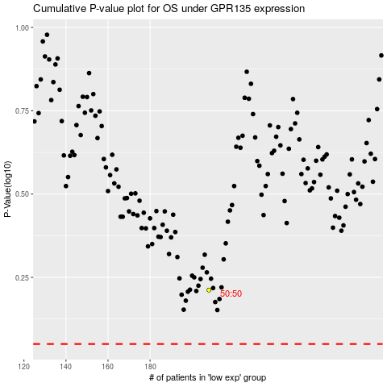

 |  |  |  |  |  | cases_OS | p_OS | rank | exp
 |  |  |  |  |  |  | cases_RFS | p_RFS | rank | exp

