GPR137C _multivariate
Reported by Tex Li-Hsing Chi. tex@gate.sinica.edu.tw 2019-08-19

Table 2. The clinicopathological features of HNSCC cohort and GPR137C expression. (Chi square test)
Cutoff at -0.314 (49.8%)
 |  | GPR137C expression |  | GPR137C expression |  | (Optimised)
 | Features | Low | (%) | High | (%) | Case no | P-value | Remark | Matthews
Gender | Female | 143 | 34.5 | 163 | 39.3 | 415 | 0.0416 | 1 | 0
2 | Male | 64 | 15.4 | 45 | 10.8
Age at diagnosis | <=65y | 135 | 32.5 | 139 | 33.5 | 415 | 0.8084 | 0 | 0
4 | >65y | 72 | 17.3 | 69 | 16.6
Clinical T Status | T1+T2 | 69 | 16.6 | 80 | 19.3 | 415 | 0.3239 | 0 | 0
6 | T3+T4 | 138 | 33.3 | 128 | 30.8
Clinical N Status | N0 | 113 | 27.2 | 103 | 24.8 | 415 | 0.3495 | 1 | 0
8 | N1-3 | 94 | 22.7 | 105 | 25.3
Clinical M Status | M0 | 204 | 49.2 | 208 | 50.1 | 415 | 0.1232 | 0 | 0
10 | M1 | 3 | 0.7 | 0 | 0
Clinical Stage | Stage I+II | 57 | 13.7 | 45 | 10.8 | 415 | 0.1998 | 0 | 0
12 | Stage III+IV | 150 | 36.1 | 163 | 39.3
Surgical Margin status | Negative | 167 | 40.2 | 151 | 36.4 | 415 | 0.0632 | 0 | 0
14 | Positive | 40 | 9.6 | 57 | 13.7
Tobacco Exposure | Low | 84 | 20.2 | 77 | 18.6 | 415 | 0.4816 | 0 | 0
16 | High | 123 | 29.6 | 131 | 31.6

Table 3. Univariate/Multivariate Cox's proportional hazards regression analyses on OS time of GPR137C gene expression in HNSCC

 |  | Univariate |  |  |  | Multivariate
 | Features | HR | CI95%(L) | CI95%(H) | P-value | HR | CI95%(L) | CI95%(H) | P-value
1 | Female | 1 |  |  |  | 1
Gender | Male | 1.157 | 0.843 | 1.587 | 0.367 | 1.196 | 0.856 | 1.672 | 0.295
11 | <=65y | 1 |  |  |  | 1
Age at diagnosis | >65y | 1.329 | 0.99 | 1.784 | 0.058 | 1.397 | 1.027 | 1.9 | 0.033
12 | T1+T2 | 1 |  |  |  | 1
Clinical T Status | T3+T4 | 1.409 | 1.028 | 1.931 | 0.033 | 2.13 | 1.116 | 4.064 | 0.022
13 | N0 | 1 |  |  |  | 1
Clinical N Status | N1-3 | 1.185 | 0.89 | 1.577 | 0.246 | 1.236 | 0.866 | 1.763 | 0.243
14 | M0 | 1 |  |  |  | 1
Clinical M Status | M1 | 4.097 | 1.009 | 16.644 | 0.049 | 8.707 | 1.863 | 40.697 | 0.006
15 | Stage I+II | 1 |  |  |  | 1
Clinical Stage | Stage III+IV | 1.245 | 0.882 | 1.759 | 0.213 | 0.529 | 0.243 | 1.152 | 0.109
16 | Negative | 1 |  |  |  | 1
Surgical Margin status | Positive | 1.591 | 1.155 | 2.191 | 0.004 | 1.679 | 1.215 | 2.32 | 0.002
17 | Low | 1 |  |  |  | 1
Tobacco Exposure | High | 1.364 | 1.008 | 1.844 | 0.044 | 1.458 | 1.058 | 2.01 | 0.021
18 | Low | 1 |  |  |  | 1
RNAseq(z-score) | High | 0.886 | 0.665 | 1.18 | 0.407 | 0.911 | 0.678 | 1.225 | 0.539

Table 4. Univariate/Multivariate Cox's proportional hazards regression analyses on RFS time of GPR137C gene expression in HNSCC

 |  | Univariate |  |  |  | Multivariate
 | Features | HR | CI95%(L) | CI95%(H) | P-value | HR | CI95%(L) | CI95%(H) | P-value
1 | Female | 1 |  |  |  | 1
Gender | Male | 1.157 | 0.843 | 1.587 | 0.367 | 1.196 | 0.856 | 1.672 | 0.295
11 | <=65y | 1 |  |  |  | 1
Age at diagnosis | >65y | 1.329 | 0.99 | 1.784 | 0.058 | 1.397 | 1.027 | 1.9 | 0.033
12 | T1+T2 | 1 |  |  |  | 1
Clinical T Status | T3+T4 | 1.409 | 1.028 | 1.931 | 0.033 | 2.13 | 1.116 | 4.064 | 0.022
13 | N0 | 1 |  |  |  | 1
Clinical N Status | N1-3 | 1.185 | 0.89 | 1.577 | 0.246 | 1.236 | 0.866 | 1.763 | 0.243
14 | M0 | 1 |  |  |  | 1
Clinical M Status | M1 | 4.097 | 1.009 | 16.644 | 0.049 | 8.707 | 1.863 | 40.697 | 0.006
15 | Stage I+II | 1 |  |  |  | 1
Clinical Stage | Stage III+IV | 1.245 | 0.882 | 1.759 | 0.213 | 0.529 | 0.243 | 1.152 | 0.109
16 | Negative | 1 |  |  |  | 1
Surgical Margin status | Positive | 1.591 | 1.155 | 2.191 | 0.004 | 1.679 | 1.215 | 2.32 | 0.002
17 | Low | 1 |  |  |  | 1
Tobacco Exposure | High | 1.364 | 1.008 | 1.844 | 0.044 | 1.458 | 1.058 | 2.01 | 0.021
18 | Low | 1 |  |  |  | 1
RNAseq(z-score) | High | 0.886 | 0.665 | 1.18 | 0.407 | 0.911 | 0.678 | 1.225 | 0.539

Kaplan-Meier survival estimate: Cutoff at -0.314 (49.8%)



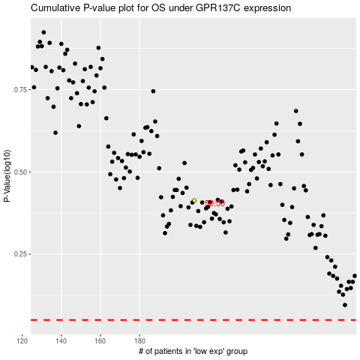

 |  |  |  |  |  | cases_OS | p_OS | rank | exp
 |  |  |  |  |  |  | cases_RFS | p_RFS | rank | exp

