GPR141 _multivariate
Reported by Tex Li-Hsing Chi. tex@gate.sinica.edu.tw 2019-08-19

Table 2. The clinicopathological features of HNSCC cohort and GPR141 expression. (Chi square test)
Cutoff at -0.352 (35.0%)
 |  | GPR141 expression |  | GPR141 expression |  | (Optimised)
 | Features | Low | (%) | High | (%) | Case no | P-value | Remark | Matthews
Gender | Female | 112 | 27 | 194 | 46.7 | 415 | 0.2835 | 0 | 0
2 | Male | 33 | 8 | 76 | 18.3
Age at diagnosis | <=65y | 99 | 23.9 | 175 | 42.2 | 415 | 0.5478 | 0 | 0
4 | >65y | 46 | 11.1 | 95 | 22.9
Clinical T Status | T1+T2 | 46 | 11.1 | 103 | 24.8 | 415 | 0.2327 | 0 | 0
6 | T3+T4 | 99 | 23.9 | 167 | 40.2
Clinical N Status | N0 | 83 | 20 | 133 | 32 | 415 | 0.1474 | 0 | 0
8 | N1-3 | 62 | 14.9 | 137 | 33
Clinical M Status | M0 | 145 | 34.9 | 267 | 64.3 | 415 | 0.5547 | 0 | 0
10 | M1 | 0 | 0 | 3 | 0.7
Clinical Stage | Stage I+II | 33 | 8 | 69 | 16.6 | 415 | 0.6091 | 0 | 0
12 | Stage III+IV | 112 | 27 | 201 | 48.4
Surgical Margin status | Negative | 106 | 25.5 | 212 | 51.1 | 415 | 0.2253 | 0 | 0
14 | Positive | 39 | 9.4 | 58 | 14
Tobacco Exposure | Low | 55 | 13.3 | 106 | 25.5 | 415 | 0.833 | 0 | 0
16 | High | 90 | 21.7 | 164 | 39.5

Table 3. Univariate/Multivariate Cox's proportional hazards regression analyses on OS time of GPR141 gene expression in HNSCC

 |  | Univariate |  |  |  | Multivariate
 | Features | HR | CI95%(L) | CI95%(H) | P-value | HR | CI95%(L) | CI95%(H) | P-value
1 | Female | 1 |  |  |  | 1
Gender | Male | 1.157 | 0.843 | 1.587 | 0.367 | 1.214 | 0.869 | 1.697 | 0.255
11 | <=65y | 1 |  |  |  | 1
Age at diagnosis | >65y | 1.329 | 0.99 | 1.784 | 0.058 | 1.385 | 1.021 | 1.88 | 0.036
12 | T1+T2 | 1 |  |  |  | 1
Clinical T Status | T3+T4 | 1.409 | 1.028 | 1.931 | 0.033 | 2.12 | 1.121 | 4.009 | 0.021
13 | N0 | 1 |  |  |  | 1
Clinical N Status | N1-3 | 1.185 | 0.89 | 1.577 | 0.246 | 1.263 | 0.885 | 1.802 | 0.199
14 | M0 | 1 |  |  |  | 1
Clinical M Status | M1 | 4.097 | 1.009 | 16.644 | 0.049 | 10.053 | 2.19 | 46.144 | 0.003
15 | Stage I+II | 1 |  |  |  | 1
Clinical Stage | Stage III+IV | 1.245 | 0.882 | 1.759 | 0.213 | 0.517 | 0.241 | 1.108 | 0.09
16 | Negative | 1 |  |  |  | 1
Surgical Margin status | Positive | 1.591 | 1.155 | 2.191 | 0.004 | 1.632 | 1.18 | 2.256 | 0.003
17 | Low | 1 |  |  |  | 1
Tobacco Exposure | High | 1.364 | 1.008 | 1.844 | 0.044 | 1.435 | 1.041 | 1.978 | 0.027
18 | Low | 1 |  |  |  | 1
RNAseq(z-score) | High | 0.734 | 0.546 | 0.986 | 0.04 | 0.752 | 0.557 | 1.015 | 0.062

Table 4. Univariate/Multivariate Cox's proportional hazards regression analyses on RFS time of GPR141 gene expression in HNSCC

 |  | Univariate |  |  |  | Multivariate
 | Features | HR | CI95%(L) | CI95%(H) | P-value | HR | CI95%(L) | CI95%(H) | P-value
1 | Female | 1 |  |  |  | 1
Gender | Male | 1.157 | 0.843 | 1.587 | 0.367 | 1.214 | 0.869 | 1.697 | 0.255
11 | <=65y | 1 |  |  |  | 1
Age at diagnosis | >65y | 1.329 | 0.99 | 1.784 | 0.058 | 1.385 | 1.021 | 1.88 | 0.036
12 | T1+T2 | 1 |  |  |  | 1
Clinical T Status | T3+T4 | 1.409 | 1.028 | 1.931 | 0.033 | 2.12 | 1.121 | 4.009 | 0.021
13 | N0 | 1 |  |  |  | 1
Clinical N Status | N1-3 | 1.185 | 0.89 | 1.577 | 0.246 | 1.263 | 0.885 | 1.802 | 0.199
14 | M0 | 1 |  |  |  | 1
Clinical M Status | M1 | 4.097 | 1.009 | 16.644 | 0.049 | 10.053 | 2.19 | 46.144 | 0.003
15 | Stage I+II | 1 |  |  |  | 1
Clinical Stage | Stage III+IV | 1.245 | 0.882 | 1.759 | 0.213 | 0.517 | 0.241 | 1.108 | 0.09
16 | Negative | 1 |  |  |  | 1
Surgical Margin status | Positive | 1.591 | 1.155 | 2.191 | 0.004 | 1.632 | 1.18 | 2.256 | 0.003
17 | Low | 1 |  |  |  | 1
Tobacco Exposure | High | 1.364 | 1.008 | 1.844 | 0.044 | 1.435 | 1.041 | 1.978 | 0.027
18 | Low | 1 |  |  |  | 1
RNAseq(z-score) | High | 0.734 | 0.546 | 0.986 | 0.04 | 0.752 | 0.557 | 1.015 | 0.062

Kaplan-Meier survival estimate: Cutoff at -0.352 (35.0%)



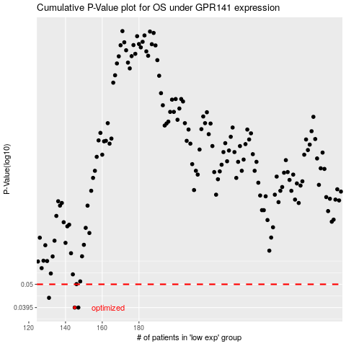

 |  |  |  |  |  | cases_OS | p_OS | rank | exp
 |  |  |  |  |  | 145 | 0.0395 | 42 | -0.35225106985
 |  |  |  |  |  | 147 | 0.0395 | 301 | -0.34702297687
 |  |  |  |  |  | 131 | 0.0436 | 192 | -0.37017937042
 |  |  |  |  |  |  | cases_RFS | p_RFS | rank | exp
 |  |  |  |  |  |  | 146 | 0.0395 | 220 | -0.34899644271
 |  |  |  |  |  |  | 144 | 0.0395 | 283 | -0.35301499211
 |  |  |  |  |  |  | 130 | 0.0436 | 274 | -0.37400693925

