GPR146 _multivariate
Reported by Tex Li-Hsing Chi. tex@gate.sinica.edu.tw 2019-08-19

Table 2. The clinicopathological features of HNSCC cohort and GPR146 expression. (Chi square test)
Cutoff at -0.256 (49.8%)
 |  | GPR146 expression |  | GPR146 expression |  | (Optimised)
 | Features | Low | (%) | High | (%) | Case no | P-value | Remark | Matthews
Gender | Female | 151 | 36.4 | 155 | 37.3 | 415 | 0.8007 | 0 | 0
2 | Male | 56 | 13.5 | 53 | 12.8
Age at diagnosis | <=65y | 125 | 30.1 | 149 | 35.9 | 415 | 0.0206 | 1 | 0
4 | >65y | 82 | 19.8 | 59 | 14.2
Clinical T Status | T1+T2 | 73 | 17.6 | 76 | 18.3 | 415 | 0.8666 | 0 | 0
6 | T3+T4 | 134 | 32.3 | 132 | 31.8
Clinical N Status | N0 | 113 | 27.2 | 103 | 24.8 | 415 | 0.3495 | 1 | 0
8 | N1-3 | 94 | 22.7 | 105 | 25.3
Clinical M Status | M0 | 207 | 49.9 | 205 | 49.4 | 415 | 0.2482 | 0 | 0
10 | M1 | 0 | 0 | 3 | 0.7
Clinical Stage | Stage I+II | 53 | 12.8 | 49 | 11.8 | 415 | 0.7113 | 0 | 0
12 | Stage III+IV | 154 | 37.1 | 159 | 38.3
Surgical Margin status | Negative | 155 | 37.3 | 163 | 39.3 | 415 | 0.4187 | 0 | 0
14 | Positive | 52 | 12.5 | 45 | 10.8
Tobacco Exposure | Low | 87 | 21 | 74 | 17.8 | 415 | 0.1911 | 0 | 0
16 | High | 120 | 28.9 | 134 | 32.3

Table 3. Univariate/Multivariate Cox's proportional hazards regression analyses on OS time of GPR146 gene expression in HNSCC

 |  | Univariate |  |  |  | Multivariate
 | Features | HR | CI95%(L) | CI95%(H) | P-value | HR | CI95%(L) | CI95%(H) | P-value
1 | Female | 1 |  |  |  | 1
Gender | Male | 1.157 | 0.843 | 1.587 | 0.367 | 1.193 | 0.854 | 1.666 | 0.3
11 | <=65y | 1 |  |  |  | 1
Age at diagnosis | >65y | 1.329 | 0.99 | 1.784 | 0.058 | 1.417 | 1.039 | 1.933 | 0.028
12 | T1+T2 | 1 |  |  |  | 1
Clinical T Status | T3+T4 | 1.409 | 1.028 | 1.931 | 0.033 | 2.21 | 1.169 | 4.178 | 0.015
13 | N0 | 1 |  |  |  | 1
Clinical N Status | N1-3 | 1.185 | 0.89 | 1.577 | 0.246 | 1.244 | 0.872 | 1.774 | 0.228
14 | M0 | 1 |  |  |  | 1
Clinical M Status | M1 | 4.097 | 1.009 | 16.644 | 0.049 | 8.922 | 1.935 | 41.14 | 0.005
15 | Stage I+II | 1 |  |  |  | 1
Clinical Stage | Stage III+IV | 1.245 | 0.882 | 1.759 | 0.213 | 0.502 | 0.234 | 1.078 | 0.077
16 | Negative | 1 |  |  |  | 1
Surgical Margin status | Positive | 1.591 | 1.155 | 2.191 | 0.004 | 1.669 | 1.208 | 2.306 | 0.002
17 | Low | 1 |  |  |  | 1
Tobacco Exposure | High | 1.364 | 1.008 | 1.844 | 0.044 | 1.448 | 1.051 | 1.993 | 0.023
18 | Low | 1 |  |  |  | 1
RNAseq(z-score) | High | 1.093 | 0.821 | 1.455 | 0.543 | 1.117 | 0.834 | 1.497 | 0.457

Table 4. Univariate/Multivariate Cox's proportional hazards regression analyses on RFS time of GPR146 gene expression in HNSCC

 |  | Univariate |  |  |  | Multivariate
 | Features | HR | CI95%(L) | CI95%(H) | P-value | HR | CI95%(L) | CI95%(H) | P-value
1 | Female | 1 |  |  |  | 1
Gender | Male | 1.157 | 0.843 | 1.587 | 0.367 | 1.193 | 0.854 | 1.666 | 0.3
11 | <=65y | 1 |  |  |  | 1
Age at diagnosis | >65y | 1.329 | 0.99 | 1.784 | 0.058 | 1.417 | 1.039 | 1.933 | 0.028
12 | T1+T2 | 1 |  |  |  | 1
Clinical T Status | T3+T4 | 1.409 | 1.028 | 1.931 | 0.033 | 2.21 | 1.169 | 4.178 | 0.015
13 | N0 | 1 |  |  |  | 1
Clinical N Status | N1-3 | 1.185 | 0.89 | 1.577 | 0.246 | 1.244 | 0.872 | 1.774 | 0.228
14 | M0 | 1 |  |  |  | 1
Clinical M Status | M1 | 4.097 | 1.009 | 16.644 | 0.049 | 8.922 | 1.935 | 41.14 | 0.005
15 | Stage I+II | 1 |  |  |  | 1
Clinical Stage | Stage III+IV | 1.245 | 0.882 | 1.759 | 0.213 | 0.502 | 0.234 | 1.078 | 0.077
16 | Negative | 1 |  |  |  | 1
Surgical Margin status | Positive | 1.591 | 1.155 | 2.191 | 0.004 | 1.669 | 1.208 | 2.306 | 0.002
17 | Low | 1 |  |  |  | 1
Tobacco Exposure | High | 1.364 | 1.008 | 1.844 | 0.044 | 1.448 | 1.051 | 1.993 | 0.023
18 | Low | 1 |  |  |  | 1
RNAseq(z-score) | High | 1.093 | 0.821 | 1.455 | 0.543 | 1.117 | 0.834 | 1.497 | 0.457

Kaplan-Meier survival estimate: Cutoff at -0.256 (49.8%)



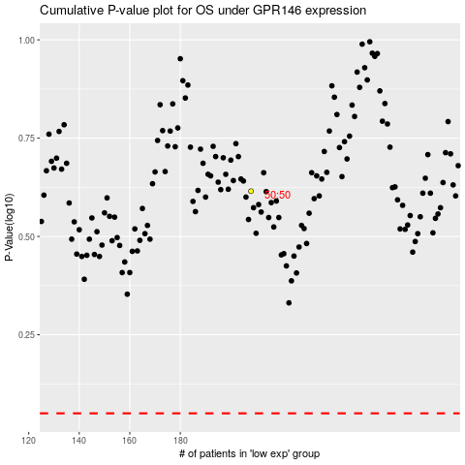

 |  |  |  |  |  | cases_OS | p_OS | rank | exp
 |  |  |  |  |  |  | cases_RFS | p_RFS | rank | exp

