GPR153 _multivariate
Reported by Tex Li-Hsing Chi. tex@gate.sinica.edu.tw 2019-08-19

Table 2. The clinicopathological features of HNSCC cohort and GPR153 expression. (Chi square test)
Cutoff at -0.079 (50.0%)
 |  | GPR153 expression |  | GPR153 expression |  | (Optimised)
 | Features | Low | (%) | High | (%) | Case no | P-value | Remark | Matthews
Gender | Female | 161 | 38.8 | 145 | 34.9 | 415 | 0.0792 | 0 | 0
2 | Male | 46 | 11.1 | 63 | 15.2
Age at diagnosis | <=65y | 134 | 32.3 | 140 | 33.7 | 415 | 0.6529 | 0 | 0
4 | >65y | 73 | 17.6 | 68 | 16.4
Clinical T Status | T1+T2 | 76 | 18.3 | 73 | 17.6 | 415 | 0.8092 | 0 | 0
6 | T3+T4 | 131 | 31.6 | 135 | 32.5
Clinical N Status | N0 | 105 | 25.3 | 111 | 26.7 | 415 | 0.6598 | 0 | 0
8 | N1-3 | 102 | 24.6 | 97 | 23.4
Clinical M Status | M0 | 207 | 49.9 | 205 | 49.4 | 415 | 0.2482 | 0 | 0
10 | M1 | 0 | 0 | 3 | 0.7
Clinical Stage | Stage I+II | 46 | 11.1 | 56 | 13.5 | 415 | 0.3182 | 0 | 0
12 | Stage III+IV | 161 | 38.8 | 152 | 36.6
Surgical Margin status | Negative | 151 | 36.4 | 167 | 40.2 | 415 | 0.0828 | 0 | 0
14 | Positive | 56 | 13.5 | 41 | 9.9
Tobacco Exposure | Low | 76 | 18.3 | 85 | 20.5 | 415 | 0.4207 | 0 | 0
16 | High | 131 | 31.6 | 123 | 29.6

Table 3. Univariate/Multivariate Cox's proportional hazards regression analyses on OS time of GPR153 gene expression in HNSCC

 |  | Univariate |  |  |  | Multivariate
 | Features | HR | CI95%(L) | CI95%(H) | P-value | HR | CI95%(L) | CI95%(H) | P-value
1 | Female | 1 |  |  |  | 1
Gender | Male | 1.157 | 0.843 | 1.587 | 0.367 | 1.211 | 0.863 | 1.698 | 0.268
11 | <=65y | 1 |  |  |  | 1
Age at diagnosis | >65y | 1.329 | 0.99 | 1.784 | 0.058 | 1.386 | 1.018 | 1.887 | 0.038
12 | T1+T2 | 1 |  |  |  | 1
Clinical T Status | T3+T4 | 1.409 | 1.028 | 1.931 | 0.033 | 2.222 | 1.171 | 4.216 | 0.015
13 | N0 | 1 |  |  |  | 1
Clinical N Status | N1-3 | 1.185 | 0.89 | 1.577 | 0.246 | 1.242 | 0.87 | 1.772 | 0.232
14 | M0 | 1 |  |  |  | 1
Clinical M Status | M1 | 4.097 | 1.009 | 16.644 | 0.049 | 9.704 | 2.082 | 45.229 | 0.004
15 | Stage I+II | 1 |  |  |  | 1
Clinical Stage | Stage III+IV | 1.245 | 0.882 | 1.759 | 0.213 | 0.499 | 0.231 | 1.075 | 0.076
16 | Negative | 1 |  |  |  | 1
Surgical Margin status | Positive | 1.591 | 1.155 | 2.191 | 0.004 | 1.664 | 1.203 | 2.303 | 0.002
17 | Low | 1 |  |  |  | 1
Tobacco Exposure | High | 1.364 | 1.008 | 1.844 | 0.044 | 1.455 | 1.056 | 2.005 | 0.022
18 | Low | 1 |  |  |  | 1
RNAseq(z-score) | High | 0.982 | 0.738 | 1.309 | 0.903 | 0.96 | 0.712 | 1.293 | 0.786

Table 4. Univariate/Multivariate Cox's proportional hazards regression analyses on RFS time of GPR153 gene expression in HNSCC

 |  | Univariate |  |  |  | Multivariate
 | Features | HR | CI95%(L) | CI95%(H) | P-value | HR | CI95%(L) | CI95%(H) | P-value
1 | Female | 1 |  |  |  | 1
Gender | Male | 1.157 | 0.843 | 1.587 | 0.367 | 1.211 | 0.863 | 1.698 | 0.268
11 | <=65y | 1 |  |  |  | 1
Age at diagnosis | >65y | 1.329 | 0.99 | 1.784 | 0.058 | 1.386 | 1.018 | 1.887 | 0.038
12 | T1+T2 | 1 |  |  |  | 1
Clinical T Status | T3+T4 | 1.409 | 1.028 | 1.931 | 0.033 | 2.222 | 1.171 | 4.216 | 0.015
13 | N0 | 1 |  |  |  | 1
Clinical N Status | N1-3 | 1.185 | 0.89 | 1.577 | 0.246 | 1.242 | 0.87 | 1.772 | 0.232
14 | M0 | 1 |  |  |  | 1
Clinical M Status | M1 | 4.097 | 1.009 | 16.644 | 0.049 | 9.704 | 2.082 | 45.229 | 0.004
15 | Stage I+II | 1 |  |  |  | 1
Clinical Stage | Stage III+IV | 1.245 | 0.882 | 1.759 | 0.213 | 0.499 | 0.231 | 1.075 | 0.076
16 | Negative | 1 |  |  |  | 1
Surgical Margin status | Positive | 1.591 | 1.155 | 2.191 | 0.004 | 1.664 | 1.203 | 2.303 | 0.002
17 | Low | 1 |  |  |  | 1
Tobacco Exposure | High | 1.364 | 1.008 | 1.844 | 0.044 | 1.455 | 1.056 | 2.005 | 0.022
18 | Low | 1 |  |  |  | 1
RNAseq(z-score) | High | 0.982 | 0.738 | 1.309 | 0.903 | 0.96 | 0.712 | 1.293 | 0.786

Kaplan-Meier survival estimate: Cutoff at -0.079 (50.0%)



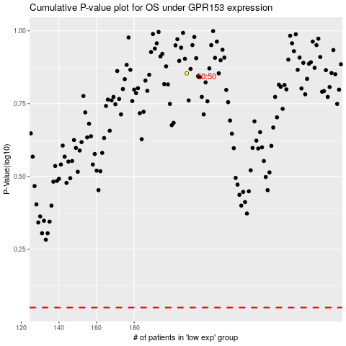

 |  |  |  |  |  | cases_OS | p_OS | rank | exp
 |  |  |  |  |  |  | cases_RFS | p_RFS | rank | exp

