GPR155 _multivariate
Reported by Tex Li-Hsing Chi. tex@gate.sinica.edu.tw 2019-08-19

Table 2. The clinicopathological features of HNSCC cohort and GPR155 expression. (Chi square test)
Cutoff at -0.222 (50.0%)
 |  | GPR155 expression |  | GPR155 expression |  | (Optimised)
 | Features | Low | (%) | High | (%) | Case no | P-value | Remark | Matthews
Gender | Female | 155 | 37.3 | 151 | 36.4 | 415 | 0.6768 | 0 | 0
2 | Male | 52 | 12.5 | 57 | 13.7
Age at diagnosis | <=65y | 151 | 36.4 | 123 | 29.6 | 415 | 0.0041 | 1 | 0
4 | >65y | 56 | 13.5 | 85 | 20.5
Clinical T Status | T1+T2 | 73 | 17.6 | 76 | 18.3 | 415 | 0.8666 | 0 | 0
6 | T3+T4 | 134 | 32.3 | 132 | 31.8
Clinical N Status | N0 | 97 | 23.4 | 119 | 28.7 | 415 | 0.0442 | 1 | 0
8 | N1-3 | 110 | 26.5 | 89 | 21.4
Clinical M Status | M0 | 205 | 49.4 | 207 | 49.9 | 415 | 0.6232 | 0 | 0
10 | M1 | 2 | 0.5 | 1 | 0.2
Clinical Stage | Stage I+II | 44 | 10.6 | 58 | 14 | 415 | 0.1459 | 0 | 0
12 | Stage III+IV | 163 | 39.3 | 150 | 36.1
Surgical Margin status | Negative | 153 | 36.9 | 165 | 39.8 | 415 | 0.2036 | 0 | 0
14 | Positive | 54 | 13 | 43 | 10.4
Tobacco Exposure | Low | 75 | 18.1 | 86 | 20.7 | 415 | 0.3141 | 0 | 0
16 | High | 132 | 31.8 | 122 | 29.4

Table 3. Univariate/Multivariate Cox's proportional hazards regression analyses on OS time of GPR155 gene expression in HNSCC

 |  | Univariate |  |  |  | Multivariate
 | Features | HR | CI95%(L) | CI95%(H) | P-value | HR | CI95%(L) | CI95%(H) | P-value
1 | Female | 1 |  |  |  | 1
Gender | Male | 1.157 | 0.843 | 1.587 | 0.367 | 1.201 | 0.86 | 1.679 | 0.283
11 | <=65y | 1 |  |  |  | 1
Age at diagnosis | >65y | 1.329 | 0.99 | 1.784 | 0.058 | 1.407 | 1.032 | 1.92 | 0.031
12 | T1+T2 | 1 |  |  |  | 1
Clinical T Status | T3+T4 | 1.409 | 1.028 | 1.931 | 0.033 | 2.224 | 1.175 | 4.211 | 0.014
13 | N0 | 1 |  |  |  | 1
Clinical N Status | N1-3 | 1.185 | 0.89 | 1.577 | 0.246 | 1.235 | 0.865 | 1.763 | 0.245
14 | M0 | 1 |  |  |  | 1
Clinical M Status | M1 | 4.097 | 1.009 | 16.644 | 0.049 | 9.458 | 2.063 | 43.367 | 0.004
15 | Stage I+II | 1 |  |  |  | 1
Clinical Stage | Stage III+IV | 1.245 | 0.882 | 1.759 | 0.213 | 0.502 | 0.234 | 1.077 | 0.077
16 | Negative | 1 |  |  |  | 1
Surgical Margin status | Positive | 1.591 | 1.155 | 2.191 | 0.004 | 1.667 | 1.206 | 2.304 | 0.002
17 | Low | 1 |  |  |  | 1
Tobacco Exposure | High | 1.364 | 1.008 | 1.844 | 0.044 | 1.445 | 1.048 | 1.993 | 0.025
18 | Low | 1 |  |  |  | 1
RNAseq(z-score) | High | 0.953 | 0.716 | 1.27 | 0.743 | 0.934 | 0.696 | 1.255 | 0.652

Table 4. Univariate/Multivariate Cox's proportional hazards regression analyses on RFS time of GPR155 gene expression in HNSCC

 |  | Univariate |  |  |  | Multivariate
 | Features | HR | CI95%(L) | CI95%(H) | P-value | HR | CI95%(L) | CI95%(H) | P-value
1 | Female | 1 |  |  |  | 1
Gender | Male | 1.157 | 0.843 | 1.587 | 0.367 | 1.201 | 0.86 | 1.679 | 0.283
11 | <=65y | 1 |  |  |  | 1
Age at diagnosis | >65y | 1.329 | 0.99 | 1.784 | 0.058 | 1.407 | 1.032 | 1.92 | 0.031
12 | T1+T2 | 1 |  |  |  | 1
Clinical T Status | T3+T4 | 1.409 | 1.028 | 1.931 | 0.033 | 2.224 | 1.175 | 4.211 | 0.014
13 | N0 | 1 |  |  |  | 1
Clinical N Status | N1-3 | 1.185 | 0.89 | 1.577 | 0.246 | 1.235 | 0.865 | 1.763 | 0.245
14 | M0 | 1 |  |  |  | 1
Clinical M Status | M1 | 4.097 | 1.009 | 16.644 | 0.049 | 9.458 | 2.063 | 43.367 | 0.004
15 | Stage I+II | 1 |  |  |  | 1
Clinical Stage | Stage III+IV | 1.245 | 0.882 | 1.759 | 0.213 | 0.502 | 0.234 | 1.077 | 0.077
16 | Negative | 1 |  |  |  | 1
Surgical Margin status | Positive | 1.591 | 1.155 | 2.191 | 0.004 | 1.667 | 1.206 | 2.304 | 0.002
17 | Low | 1 |  |  |  | 1
Tobacco Exposure | High | 1.364 | 1.008 | 1.844 | 0.044 | 1.445 | 1.048 | 1.993 | 0.025
18 | Low | 1 |  |  |  | 1
RNAseq(z-score) | High | 0.953 | 0.716 | 1.27 | 0.743 | 0.934 | 0.696 | 1.255 | 0.652

Kaplan-Meier survival estimate: Cutoff at -0.222 (50.0%)



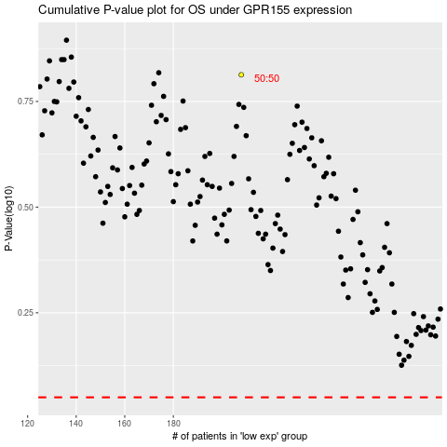

 |  |  |  |  |  | cases_OS | p_OS | rank | exp
 |  |  |  |  |  |  | cases_RFS | p_RFS | rank | exp

