GPR156 _multivariate
Reported by Tex Li-Hsing Chi. tex@gate.sinica.edu.tw 2019-08-19

Table 2. The clinicopathological features of HNSCC cohort and GPR156 expression. (Chi square test)
Cutoff at -0.367 (49.8%)
 |  | GPR156 expression |  | GPR156 expression |  | (Optimised)
 | Features | Low | (%) | High | (%) | Case no | P-value | Remark | Matthews
Gender | Female | 150 | 36.1 | 156 | 37.6 | 415 | 0.6344 | 0 | 0
2 | Male | 57 | 13.7 | 52 | 12.5
Age at diagnosis | <=65y | 127 | 30.6 | 147 | 35.4 | 415 | 0.0573 | 0 | 0
4 | >65y | 80 | 19.3 | 61 | 14.7
Clinical T Status | T1+T2 | 75 | 18.1 | 74 | 17.8 | 415 | 0.9707 | 0 | 0
6 | T3+T4 | 132 | 31.8 | 134 | 32.3
Clinical N Status | N0 | 104 | 25.1 | 112 | 27 | 415 | 0.5243 | 0 | 0
8 | N1-3 | 103 | 24.8 | 96 | 23.1
Clinical M Status | M0 | 205 | 49.4 | 207 | 49.9 | 415 | 0.6232 | 0 | 0
10 | M1 | 2 | 0.5 | 1 | 0.2
Clinical Stage | Stage I+II | 49 | 11.8 | 53 | 12.8 | 415 | 0.7535 | 0 | 0
12 | Stage III+IV | 158 | 38.1 | 155 | 37.3
Surgical Margin status | Negative | 154 | 37.1 | 164 | 39.5 | 415 | 0.2984 | 0 | 0
14 | Positive | 53 | 12.8 | 44 | 10.6
Tobacco Exposure | Low | 83 | 20 | 78 | 18.8 | 415 | 0.6152 | 0 | 0
16 | High | 124 | 29.9 | 130 | 31.3

Table 3. Univariate/Multivariate Cox's proportional hazards regression analyses on OS time of GPR156 gene expression in HNSCC

 |  | Univariate |  |  |  | Multivariate
 | Features | HR | CI95%(L) | CI95%(H) | P-value | HR | CI95%(L) | CI95%(H) | P-value
1 | Female | 1 |  |  |  | 1
Gender | Male | 1.157 | 0.843 | 1.587 | 0.367 | 1.201 | 0.86 | 1.678 | 0.283
11 | <=65y | 1 |  |  |  | 1
Age at diagnosis | >65y | 1.329 | 0.99 | 1.784 | 0.058 | 1.393 | 1.022 | 1.898 | 0.036
12 | T1+T2 | 1 |  |  |  | 1
Clinical T Status | T3+T4 | 1.409 | 1.028 | 1.931 | 0.033 | 2.202 | 1.165 | 4.164 | 0.015
13 | N0 | 1 |  |  |  | 1
Clinical N Status | N1-3 | 1.185 | 0.89 | 1.577 | 0.246 | 1.242 | 0.869 | 1.773 | 0.234
14 | M0 | 1 |  |  |  | 1
Clinical M Status | M1 | 4.097 | 1.009 | 16.644 | 0.049 | 9.41 | 2.053 | 43.138 | 0.004
15 | Stage I+II | 1 |  |  |  | 1
Clinical Stage | Stage III+IV | 1.245 | 0.882 | 1.759 | 0.213 | 0.504 | 0.235 | 1.083 | 0.079
16 | Negative | 1 |  |  |  | 1
Surgical Margin status | Positive | 1.591 | 1.155 | 2.191 | 0.004 | 1.671 | 1.21 | 2.309 | 0.002
17 | Low | 1 |  |  |  | 1
Tobacco Exposure | High | 1.364 | 1.008 | 1.844 | 0.044 | 1.453 | 1.055 | 2.002 | 0.022
18 | Low | 1 |  |  |  | 1
RNAseq(z-score) | High | 0.971 | 0.728 | 1.295 | 0.842 | 1.007 | 0.753 | 1.347 | 0.961

Table 4. Univariate/Multivariate Cox's proportional hazards regression analyses on RFS time of GPR156 gene expression in HNSCC

 |  | Univariate |  |  |  | Multivariate
 | Features | HR | CI95%(L) | CI95%(H) | P-value | HR | CI95%(L) | CI95%(H) | P-value
1 | Female | 1 |  |  |  | 1
Gender | Male | 1.157 | 0.843 | 1.587 | 0.367 | 1.201 | 0.86 | 1.678 | 0.283
11 | <=65y | 1 |  |  |  | 1
Age at diagnosis | >65y | 1.329 | 0.99 | 1.784 | 0.058 | 1.393 | 1.022 | 1.898 | 0.036
12 | T1+T2 | 1 |  |  |  | 1
Clinical T Status | T3+T4 | 1.409 | 1.028 | 1.931 | 0.033 | 2.202 | 1.165 | 4.164 | 0.015
13 | N0 | 1 |  |  |  | 1
Clinical N Status | N1-3 | 1.185 | 0.89 | 1.577 | 0.246 | 1.242 | 0.869 | 1.773 | 0.234
14 | M0 | 1 |  |  |  | 1
Clinical M Status | M1 | 4.097 | 1.009 | 16.644 | 0.049 | 9.41 | 2.053 | 43.138 | 0.004
15 | Stage I+II | 1 |  |  |  | 1
Clinical Stage | Stage III+IV | 1.245 | 0.882 | 1.759 | 0.213 | 0.504 | 0.235 | 1.083 | 0.079
16 | Negative | 1 |  |  |  | 1
Surgical Margin status | Positive | 1.591 | 1.155 | 2.191 | 0.004 | 1.671 | 1.21 | 2.309 | 0.002
17 | Low | 1 |  |  |  | 1
Tobacco Exposure | High | 1.364 | 1.008 | 1.844 | 0.044 | 1.453 | 1.055 | 2.002 | 0.022
18 | Low | 1 |  |  |  | 1
RNAseq(z-score) | High | 0.971 | 0.728 | 1.295 | 0.842 | 1.007 | 0.753 | 1.347 | 0.961

Kaplan-Meier survival estimate: Cutoff at -0.367 (49.8%)



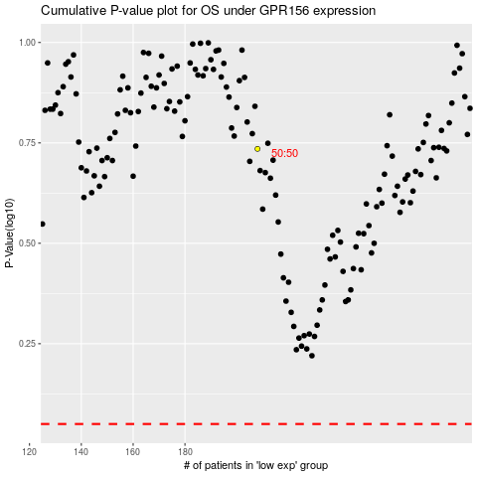

 |  |  |  |  |  | cases_OS | p_OS | rank | exp
 |  |  |  |  |  |  | cases_RFS | p_RFS | rank | exp

