GPR157 _multivariate
Reported by Tex Li-Hsing Chi. tex@gate.sinica.edu.tw 2019-08-19

Table 2. The clinicopathological features of HNSCC cohort and GPR157 expression. (Chi square test)
Cutoff at -0.315 (50.0%)
 |  | GPR157 expression |  | GPR157 expression |  | (Optimised)
 | Features | Low | (%) | High | (%) | Case no | P-value | Remark | Matthews
Gender | Female | 160 | 38.6 | 146 | 35.2 | 415 | 0.1254 | 0 | 0
2 | Male | 47 | 11.3 | 62 | 14.9
Age at diagnosis | <=65y | 140 | 33.7 | 134 | 32.3 | 415 | 0.5574 | 0 | 0
4 | >65y | 67 | 16.1 | 74 | 17.8
Clinical T Status | T1+T2 | 77 | 18.6 | 72 | 17.3 | 415 | 0.6556 | 0 | 0
6 | T3+T4 | 130 | 31.3 | 136 | 32.8
Clinical N Status | N0 | 109 | 26.3 | 107 | 25.8 | 415 | 0.8812 | 0 | 0
8 | N1-3 | 98 | 23.6 | 101 | 24.3
Clinical M Status | M0 | 205 | 49.4 | 207 | 49.9 | 415 | 0.6232 | 0 | 0
10 | M1 | 2 | 0.5 | 1 | 0.2
Clinical Stage | Stage I+II | 52 | 12.5 | 50 | 12 | 415 | 0.8871 | 0 | 0
12 | Stage III+IV | 155 | 37.3 | 158 | 38.1
Surgical Margin status | Negative | 157 | 37.8 | 161 | 38.8 | 415 | 0.729 | 0 | 0
14 | Positive | 50 | 12 | 47 | 11.3
Tobacco Exposure | Low | 73 | 17.6 | 88 | 21.2 | 415 | 0.1587 | 0 | 0
16 | High | 134 | 32.3 | 120 | 28.9

Table 3. Univariate/Multivariate Cox's proportional hazards regression analyses on OS time of GPR157 gene expression in HNSCC

 |  | Univariate |  |  |  | Multivariate
 | Features | HR | CI95%(L) | CI95%(H) | P-value | HR | CI95%(L) | CI95%(H) | P-value
1 | Female | 1 |  |  |  | 1
Gender | Male | 1.157 | 0.843 | 1.587 | 0.367 | 1.202 | 0.861 | 1.68 | 0.28
11 | <=65y | 1 |  |  |  | 1
Age at diagnosis | >65y | 1.329 | 0.99 | 1.784 | 0.058 | 1.393 | 1.024 | 1.894 | 0.035
12 | T1+T2 | 1 |  |  |  | 1
Clinical T Status | T3+T4 | 1.409 | 1.028 | 1.931 | 0.033 | 2.204 | 1.166 | 4.168 | 0.015
13 | N0 | 1 |  |  |  | 1
Clinical N Status | N1-3 | 1.185 | 0.89 | 1.577 | 0.246 | 1.241 | 0.87 | 1.77 | 0.234
14 | M0 | 1 |  |  |  | 1
Clinical M Status | M1 | 4.097 | 1.009 | 16.644 | 0.049 | 9.361 | 2.038 | 42.993 | 0.004
15 | Stage I+II | 1 |  |  |  | 1
Clinical Stage | Stage III+IV | 1.245 | 0.882 | 1.759 | 0.213 | 0.504 | 0.235 | 1.082 | 0.079
16 | Negative | 1 |  |  |  | 1
Surgical Margin status | Positive | 1.591 | 1.155 | 2.191 | 0.004 | 1.669 | 1.207 | 2.308 | 0.002
17 | Low | 1 |  |  |  | 1
Tobacco Exposure | High | 1.364 | 1.008 | 1.844 | 0.044 | 1.45 | 1.051 | 2.001 | 0.024
18 | Low | 1 |  |  |  | 1
RNAseq(z-score) | High | 0.932 | 0.7 | 1.241 | 0.63 | 0.982 | 0.734 | 1.313 | 0.901

Table 4. Univariate/Multivariate Cox's proportional hazards regression analyses on RFS time of GPR157 gene expression in HNSCC

 |  | Univariate |  |  |  | Multivariate
 | Features | HR | CI95%(L) | CI95%(H) | P-value | HR | CI95%(L) | CI95%(H) | P-value
1 | Female | 1 |  |  |  | 1
Gender | Male | 1.157 | 0.843 | 1.587 | 0.367 | 1.202 | 0.861 | 1.68 | 0.28
11 | <=65y | 1 |  |  |  | 1
Age at diagnosis | >65y | 1.329 | 0.99 | 1.784 | 0.058 | 1.393 | 1.024 | 1.894 | 0.035
12 | T1+T2 | 1 |  |  |  | 1
Clinical T Status | T3+T4 | 1.409 | 1.028 | 1.931 | 0.033 | 2.204 | 1.166 | 4.168 | 0.015
13 | N0 | 1 |  |  |  | 1
Clinical N Status | N1-3 | 1.185 | 0.89 | 1.577 | 0.246 | 1.241 | 0.87 | 1.77 | 0.234
14 | M0 | 1 |  |  |  | 1
Clinical M Status | M1 | 4.097 | 1.009 | 16.644 | 0.049 | 9.361 | 2.038 | 42.993 | 0.004
15 | Stage I+II | 1 |  |  |  | 1
Clinical Stage | Stage III+IV | 1.245 | 0.882 | 1.759 | 0.213 | 0.504 | 0.235 | 1.082 | 0.079
16 | Negative | 1 |  |  |  | 1
Surgical Margin status | Positive | 1.591 | 1.155 | 2.191 | 0.004 | 1.669 | 1.207 | 2.308 | 0.002
17 | Low | 1 |  |  |  | 1
Tobacco Exposure | High | 1.364 | 1.008 | 1.844 | 0.044 | 1.45 | 1.051 | 2.001 | 0.024
18 | Low | 1 |  |  |  | 1
RNAseq(z-score) | High | 0.932 | 0.7 | 1.241 | 0.63 | 0.982 | 0.734 | 1.313 | 0.901

Kaplan-Meier survival estimate: Cutoff at -0.315 (50.0%)



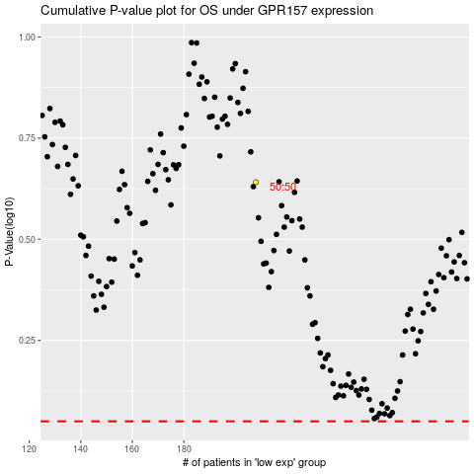

 |  |  |  |  |  | cases_OS | p_OS | rank | exp
 |  |  |  |  |  |  | cases_RFS | p_RFS | rank | exp

