GPR158 _multivariate
Reported by Tex Li-Hsing Chi. tex@gate.sinica.edu.tw 2019-08-19

Table 2. The clinicopathological features of HNSCC cohort and GPR158 expression. (Chi square test)
Cutoff at -0.16 (50.0%)
 |  | GPR158 expression |  | GPR158 expression |  | (Optimised)
 | Features | Low | (%) | High | (%) | Case no | P-value | Remark | Matthews
Gender | Female | 161 | 38.8 | 145 | 34.9 | 415 | 0.0792 | 0 | 0
2 | Male | 46 | 11.1 | 63 | 15.2
Age at diagnosis | <=65y | 142 | 34.2 | 132 | 31.8 | 415 | 0.3167 | 0 | 0
4 | >65y | 65 | 15.7 | 76 | 18.3
Clinical T Status | T1+T2 | 81 | 19.5 | 68 | 16.4 | 415 | 0.206 | 0 | 0
6 | T3+T4 | 126 | 30.4 | 140 | 33.7
Clinical N Status | N0 | 108 | 26 | 108 | 26 | 415 | 1 | 0 | 0
8 | N1-3 | 99 | 23.9 | 100 | 24.1
Clinical M Status | M0 | 206 | 49.6 | 206 | 49.6 | 415 | 1 | 0 | 0
10 | M1 | 1 | 0.2 | 2 | 0.5
Clinical Stage | Stage I+II | 49 | 11.8 | 53 | 12.8 | 415 | 0.7535 | 0 | 0
12 | Stage III+IV | 158 | 38.1 | 155 | 37.3
Surgical Margin status | Negative | 145 | 34.9 | 173 | 41.7 | 415 | 0.0017 | 1 | 0
14 | Positive | 62 | 14.9 | 35 | 8.4
Tobacco Exposure | Low | 76 | 18.3 | 85 | 20.5 | 415 | 0.4207 | 0 | 0
16 | High | 131 | 31.6 | 123 | 29.6

Table 3. Univariate/Multivariate Cox's proportional hazards regression analyses on OS time of GPR158 gene expression in HNSCC

 |  | Univariate |  |  |  | Multivariate
 | Features | HR | CI95%(L) | CI95%(H) | P-value | HR | CI95%(L) | CI95%(H) | P-value
1 | Female | 1 |  |  |  | 1
Gender | Male | 1.157 | 0.843 | 1.587 | 0.367 | 1.206 | 0.863 | 1.685 | 0.273
11 | <=65y | 1 |  |  |  | 1
Age at diagnosis | >65y | 1.329 | 0.99 | 1.784 | 0.058 | 1.392 | 1.024 | 1.891 | 0.035
12 | T1+T2 | 1 |  |  |  | 1
Clinical T Status | T3+T4 | 1.409 | 1.028 | 1.931 | 0.033 | 2.24 | 1.178 | 4.26 | 0.014
13 | N0 | 1 |  |  |  | 1
Clinical N Status | N1-3 | 1.185 | 0.89 | 1.577 | 0.246 | 1.252 | 0.875 | 1.791 | 0.219
14 | M0 | 1 |  |  |  | 1
Clinical M Status | M1 | 4.097 | 1.009 | 16.644 | 0.049 | 9.676 | 2.097 | 44.658 | 0.004
15 | Stage I+II | 1 |  |  |  | 1
Clinical Stage | Stage III+IV | 1.245 | 0.882 | 1.759 | 0.213 | 0.496 | 0.23 | 1.069 | 0.074
16 | Negative | 1 |  |  |  | 1
Surgical Margin status | Positive | 1.591 | 1.155 | 2.191 | 0.004 | 1.651 | 1.187 | 2.295 | 0.003
17 | Low | 1 |  |  |  | 1
Tobacco Exposure | High | 1.364 | 1.008 | 1.844 | 0.044 | 1.439 | 1.041 | 1.99 | 0.028
18 | Low | 1 |  |  |  | 1
RNAseq(z-score) | High | 0.938 | 0.703 | 1.251 | 0.661 | 0.942 | 0.696 | 1.275 | 0.7

Table 4. Univariate/Multivariate Cox's proportional hazards regression analyses on RFS time of GPR158 gene expression in HNSCC

 |  | Univariate |  |  |  | Multivariate
 | Features | HR | CI95%(L) | CI95%(H) | P-value | HR | CI95%(L) | CI95%(H) | P-value
1 | Female | 1 |  |  |  | 1
Gender | Male | 1.157 | 0.843 | 1.587 | 0.367 | 1.206 | 0.863 | 1.685 | 0.273
11 | <=65y | 1 |  |  |  | 1
Age at diagnosis | >65y | 1.329 | 0.99 | 1.784 | 0.058 | 1.392 | 1.024 | 1.891 | 0.035
12 | T1+T2 | 1 |  |  |  | 1
Clinical T Status | T3+T4 | 1.409 | 1.028 | 1.931 | 0.033 | 2.24 | 1.178 | 4.26 | 0.014
13 | N0 | 1 |  |  |  | 1
Clinical N Status | N1-3 | 1.185 | 0.89 | 1.577 | 0.246 | 1.252 | 0.875 | 1.791 | 0.219
14 | M0 | 1 |  |  |  | 1
Clinical M Status | M1 | 4.097 | 1.009 | 16.644 | 0.049 | 9.676 | 2.097 | 44.658 | 0.004
15 | Stage I+II | 1 |  |  |  | 1
Clinical Stage | Stage III+IV | 1.245 | 0.882 | 1.759 | 0.213 | 0.496 | 0.23 | 1.069 | 0.074
16 | Negative | 1 |  |  |  | 1
Surgical Margin status | Positive | 1.591 | 1.155 | 2.191 | 0.004 | 1.651 | 1.187 | 2.295 | 0.003
17 | Low | 1 |  |  |  | 1
Tobacco Exposure | High | 1.364 | 1.008 | 1.844 | 0.044 | 1.439 | 1.041 | 1.99 | 0.028
18 | Low | 1 |  |  |  | 1
RNAseq(z-score) | High | 0.938 | 0.703 | 1.251 | 0.661 | 0.942 | 0.696 | 1.275 | 0.7

Kaplan-Meier survival estimate: Cutoff at -0.16 (50.0%)



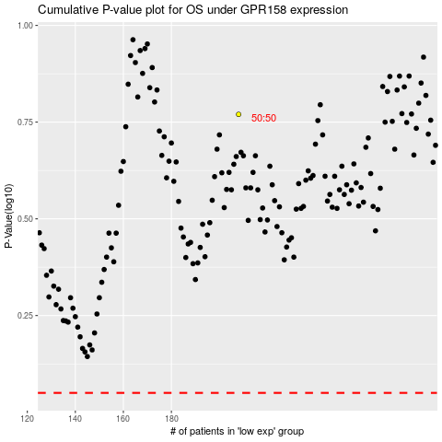

 |  |  |  |  |  | cases_OS | p_OS | rank | exp
 |  |  |  |  |  |  | cases_RFS | p_RFS | rank | exp

