GPR160 _multivariate
Reported by Tex Li-Hsing Chi. tex@gate.sinica.edu.tw 2019-08-19

Table 2. The clinicopathological features of HNSCC cohort and GPR160 expression. (Chi square test)
Cutoff at -0.245 (49.8%)
 |  | GPR160 expression |  | GPR160 expression |  | (Optimised)
 | Features | Low | (%) | High | (%) | Case no | P-value | Remark | Matthews
Gender | Female | 150 | 36.1 | 156 | 37.6 | 415 | 0.6344 | 0 | 0
2 | Male | 57 | 13.7 | 52 | 12.5
Age at diagnosis | <=65y | 142 | 34.2 | 132 | 31.8 | 415 | 0.3167 | 0 | 0
4 | >65y | 65 | 15.7 | 76 | 18.3
Clinical T Status | T1+T2 | 77 | 18.6 | 72 | 17.3 | 415 | 0.6556 | 0 | 0
6 | T3+T4 | 130 | 31.3 | 136 | 32.8
Clinical N Status | N0 | 113 | 27.2 | 103 | 24.8 | 415 | 0.3495 | 1 | 0
8 | N1-3 | 94 | 22.7 | 105 | 25.3
Clinical M Status | M0 | 204 | 49.2 | 208 | 50.1 | 415 | 0.1232 | 0 | 0
10 | M1 | 3 | 0.7 | 0 | 0
Clinical Stage | Stage I+II | 55 | 13.3 | 47 | 11.3 | 415 | 0.4087 | 0 | 0
12 | Stage III+IV | 152 | 36.6 | 161 | 38.8
Surgical Margin status | Negative | 160 | 38.6 | 158 | 38.1 | 415 | 0.8167 | 0 | 0
14 | Positive | 47 | 11.3 | 50 | 12
Tobacco Exposure | Low | 94 | 22.7 | 67 | 16.1 | 415 | 0.0065 | 1 | 0
16 | High | 113 | 27.2 | 141 | 34

Table 3. Univariate/Multivariate Cox's proportional hazards regression analyses on OS time of GPR160 gene expression in HNSCC

 |  | Univariate |  |  |  | Multivariate
 | Features | HR | CI95%(L) | CI95%(H) | P-value | HR | CI95%(L) | CI95%(H) | P-value
1 | Female | 1 |  |  |  | 1
Gender | Male | 1.157 | 0.843 | 1.587 | 0.367 | 1.205 | 0.862 | 1.685 | 0.274
11 | <=65y | 1 |  |  |  | 1
Age at diagnosis | >65y | 1.329 | 0.99 | 1.784 | 0.058 | 1.399 | 1.029 | 1.903 | 0.032
12 | T1+T2 | 1 |  |  |  | 1
Clinical T Status | T3+T4 | 1.409 | 1.028 | 1.931 | 0.033 | 2.192 | 1.159 | 4.144 | 0.016
13 | N0 | 1 |  |  |  | 1
Clinical N Status | N1-3 | 1.185 | 0.89 | 1.577 | 0.246 | 1.249 | 0.875 | 1.783 | 0.221
14 | M0 | 1 |  |  |  | 1
Clinical M Status | M1 | 4.097 | 1.009 | 16.644 | 0.049 | 8.94 | 1.935 | 41.302 | 0.005
15 | Stage I+II | 1 |  |  |  | 1
Clinical Stage | Stage III+IV | 1.245 | 0.882 | 1.759 | 0.213 | 0.505 | 0.235 | 1.083 | 0.079
16 | Negative | 1 |  |  |  | 1
Surgical Margin status | Positive | 1.591 | 1.155 | 2.191 | 0.004 | 1.67 | 1.208 | 2.307 | 0.002
17 | Low | 1 |  |  |  | 1
Tobacco Exposure | High | 1.364 | 1.008 | 1.844 | 0.044 | 1.475 | 1.067 | 2.041 | 0.019
18 | Low | 1 |  |  |  | 1
RNAseq(z-score) | High | 0.951 | 0.713 | 1.267 | 0.73 | 0.91 | 0.679 | 1.22 | 0.53

Table 4. Univariate/Multivariate Cox's proportional hazards regression analyses on RFS time of GPR160 gene expression in HNSCC

 |  | Univariate |  |  |  | Multivariate
 | Features | HR | CI95%(L) | CI95%(H) | P-value | HR | CI95%(L) | CI95%(H) | P-value
1 | Female | 1 |  |  |  | 1
Gender | Male | 1.157 | 0.843 | 1.587 | 0.367 | 1.205 | 0.862 | 1.685 | 0.274
11 | <=65y | 1 |  |  |  | 1
Age at diagnosis | >65y | 1.329 | 0.99 | 1.784 | 0.058 | 1.399 | 1.029 | 1.903 | 0.032
12 | T1+T2 | 1 |  |  |  | 1
Clinical T Status | T3+T4 | 1.409 | 1.028 | 1.931 | 0.033 | 2.192 | 1.159 | 4.144 | 0.016
13 | N0 | 1 |  |  |  | 1
Clinical N Status | N1-3 | 1.185 | 0.89 | 1.577 | 0.246 | 1.249 | 0.875 | 1.783 | 0.221
14 | M0 | 1 |  |  |  | 1
Clinical M Status | M1 | 4.097 | 1.009 | 16.644 | 0.049 | 8.94 | 1.935 | 41.302 | 0.005
15 | Stage I+II | 1 |  |  |  | 1
Clinical Stage | Stage III+IV | 1.245 | 0.882 | 1.759 | 0.213 | 0.505 | 0.235 | 1.083 | 0.079
16 | Negative | 1 |  |  |  | 1
Surgical Margin status | Positive | 1.591 | 1.155 | 2.191 | 0.004 | 1.67 | 1.208 | 2.307 | 0.002
17 | Low | 1 |  |  |  | 1
Tobacco Exposure | High | 1.364 | 1.008 | 1.844 | 0.044 | 1.475 | 1.067 | 2.041 | 0.019
18 | Low | 1 |  |  |  | 1
RNAseq(z-score) | High | 0.951 | 0.713 | 1.267 | 0.73 | 0.91 | 0.679 | 1.22 | 0.53

Kaplan-Meier survival estimate: Cutoff at -0.245 (49.8%)



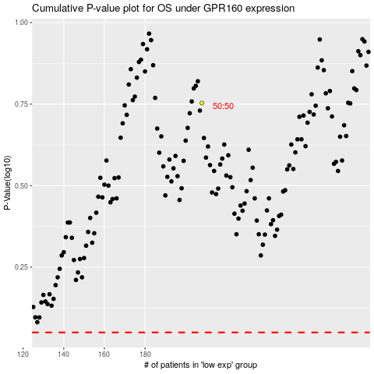

 |  |  |  |  |  | cases_OS | p_OS | rank | exp
 |  |  |  |  |  |  | cases_RFS | p_RFS | rank | exp

